MGAT4A _multivariate
Reported by Tex Li-Hsing Chi. tex@gate.sinica.edu.tw 2019-08-17

Table 2. The clinicopathological features of HNSCC cohort and MGAT4A expression. (Chi square test)
Cutoff at -0.365 (49.8%)
 |  | MGAT4A expression |  | MGAT4A expression |  | (Optimised)
 | Features | Low | (%) | High | (%) | Case no | P-value | Remark | Matthews
Gender | Female | 158 | 38.1 | 148 | 35.7 | 415 | 0.2774 | 0 | 0
2 | Male | 49 | 11.8 | 60 | 14.5
Age at diagnosis | <=65y | 138 | 33.3 | 136 | 32.8 | 415 | 0.8634 | 0 | 0
4 | >65y | 69 | 16.6 | 72 | 17.3
Clinical T Status | T1+T2 | 65 | 15.7 | 84 | 20.2 | 415 | 0.0711 | 0 | 0
6 | T3+T4 | 142 | 34.2 | 124 | 29.9
Clinical N Status | N0 | 117 | 28.2 | 99 | 23.9 | 415 | 0.0852 | 1 | 0
8 | N1-3 | 90 | 21.7 | 109 | 26.3
Clinical M Status | M0 | 204 | 49.2 | 208 | 50.1 | 415 | 0.1232 | 0 | 0
10 | M1 | 3 | 0.7 | 0 | 0
Clinical Stage | Stage I+II | 48 | 11.6 | 54 | 13 | 415 | 0.5878 | 0 | 0
12 | Stage III+IV | 159 | 38.3 | 154 | 37.1
Surgical Margin status | Negative | 159 | 38.3 | 159 | 38.3 | 415 | 1 | 0 | 0
14 | Positive | 48 | 11.6 | 49 | 11.8
Tobacco Exposure | Low | 87 | 21 | 74 | 17.8 | 415 | 0.1911 | 0 | 0
16 | High | 120 | 28.9 | 134 | 32.3

Table 3. Univariate/Multivariate Cox's proportional hazards regression analyses on OS time of MGAT4A gene expression in HNSCC

 |  | Univariate |  |  |  | Multivariate
 | Features | HR | CI95%(L) | CI95%(H) | P-value | HR | CI95%(L) | CI95%(H) | P-value
1 | Female | 1 |  |  |  | 1
Gender | Male | 1.157 | 0.843 | 1.587 | 0.367 | 1.218 | 0.87 | 1.704 | 0.251
11 | <=65y | 1 |  |  |  | 1
Age at diagnosis | >65y | 1.329 | 0.99 | 1.784 | 0.058 | 1.391 | 1.024 | 1.891 | 0.035
12 | T1+T2 | 1 |  |  |  | 1
Clinical T Status | T3+T4 | 1.409 | 1.028 | 1.931 | 0.033 | 2.122 | 1.12 | 4.019 | 0.021
13 | N0 | 1 |  |  |  | 1
Clinical N Status | N1-3 | 1.185 | 0.89 | 1.577 | 0.246 | 1.259 | 0.882 | 1.798 | 0.204
14 | M0 | 1 |  |  |  | 1
Clinical M Status | M1 | 4.097 | 1.009 | 16.644 | 0.049 | 8.297 | 1.79 | 38.465 | 0.007
15 | Stage I+II | 1 |  |  |  | 1
Clinical Stage | Stage III+IV | 1.245 | 0.882 | 1.759 | 0.213 | 0.514 | 0.24 | 1.104 | 0.088
16 | Negative | 1 |  |  |  | 1
Surgical Margin status | Positive | 1.591 | 1.155 | 2.191 | 0.004 | 1.664 | 1.204 | 2.3 | 0.002
17 | Low | 1 |  |  |  | 1
Tobacco Exposure | High | 1.364 | 1.008 | 1.844 | 0.044 | 1.469 | 1.064 | 2.027 | 0.019
18 | Low | 1 |  |  |  | 1
RNAseq(z-score) | High | 0.811 | 0.609 | 1.082 | 0.154 | 0.828 | 0.618 | 1.109 | 0.205

Table 4. Univariate/Multivariate Cox's proportional hazards regression analyses on RFS time of MGAT4A gene expression in HNSCC

 |  | Univariate |  |  |  | Multivariate
 | Features | HR | CI95%(L) | CI95%(H) | P-value | HR | CI95%(L) | CI95%(H) | P-value
1 | Female | 1 |  |  |  | 1
Gender | Male | 1.157 | 0.843 | 1.587 | 0.367 | 1.218 | 0.87 | 1.704 | 0.251
11 | <=65y | 1 |  |  |  | 1
Age at diagnosis | >65y | 1.329 | 0.99 | 1.784 | 0.058 | 1.391 | 1.024 | 1.891 | 0.035
12 | T1+T2 | 1 |  |  |  | 1
Clinical T Status | T3+T4 | 1.409 | 1.028 | 1.931 | 0.033 | 2.122 | 1.12 | 4.019 | 0.021
13 | N0 | 1 |  |  |  | 1
Clinical N Status | N1-3 | 1.185 | 0.89 | 1.577 | 0.246 | 1.259 | 0.882 | 1.798 | 0.204
14 | M0 | 1 |  |  |  | 1
Clinical M Status | M1 | 4.097 | 1.009 | 16.644 | 0.049 | 8.297 | 1.79 | 38.465 | 0.007
15 | Stage I+II | 1 |  |  |  | 1
Clinical Stage | Stage III+IV | 1.245 | 0.882 | 1.759 | 0.213 | 0.514 | 0.24 | 1.104 | 0.088
16 | Negative | 1 |  |  |  | 1
Surgical Margin status | Positive | 1.591 | 1.155 | 2.191 | 0.004 | 1.664 | 1.204 | 2.3 | 0.002
17 | Low | 1 |  |  |  | 1
Tobacco Exposure | High | 1.364 | 1.008 | 1.844 | 0.044 | 1.469 | 1.064 | 2.027 | 0.019
18 | Low | 1 |  |  |  | 1
RNAseq(z-score) | High | 0.811 | 0.609 | 1.082 | 0.154 | 0.828 | 0.618 | 1.109 | 0.205

Kaplan-Meier survival estimate: Cutoff at -0.365 (49.8%)



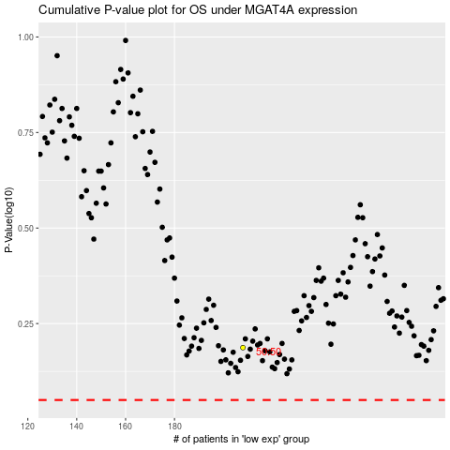

 |  |  |  |  |  | cases_OS | p_OS | rank | exp
 |  |  |  |  |  |  | cases_RFS | p_RFS | rank | exp

