MGC12916 _multivariate
Reported by Tex Li-Hsing Chi. tex@gate.sinica.edu.tw 2019-08-17

Table 2. The clinicopathological features of HNSCC cohort and MGC12916 expression. (Chi square test)
Cutoff at -0.383 (42.5%)
 |  | MGC12916 expression |  | MGC12916 expression |  | (Optimised)
 | Features | Low | (%) | High | (%) | Case no | P-value | Remark | Matthews
Gender | Female | 129 | 31.1 | 177 | 42.7 | 415 | 0.9508 | 0 | 0
2 | Male | 47 | 11.3 | 62 | 14.9
Age at diagnosis | <=65y | 128 | 30.8 | 146 | 35.2 | 415 | 0.0178 | 1 | 0
4 | >65y | 48 | 11.6 | 93 | 22.4
Clinical T Status | T1+T2 | 58 | 14 | 91 | 21.9 | 415 | 0.3315 | 0 | 0
6 | T3+T4 | 118 | 28.4 | 148 | 35.7
Clinical N Status | N0 | 88 | 21.2 | 128 | 30.8 | 415 | 0.537 | 0 | 0
8 | N1-3 | 88 | 21.2 | 111 | 26.7
Clinical M Status | M0 | 176 | 42.4 | 236 | 56.9 | 415 | 0.2655 | 0 | 0
10 | M1 | 0 | 0 | 3 | 0.7
Clinical Stage | Stage I+II | 42 | 10.1 | 60 | 14.5 | 415 | 0.8612 | 0 | 0
12 | Stage III+IV | 134 | 32.3 | 179 | 43.1
Surgical Margin status | Negative | 130 | 31.3 | 188 | 45.3 | 415 | 0.291 | 0 | 0
14 | Positive | 46 | 11.1 | 51 | 12.3
Tobacco Exposure | Low | 61 | 14.7 | 100 | 24.1 | 415 | 0.1539 | 0 | 0
16 | High | 115 | 27.7 | 139 | 33.5

Table 3. Univariate/Multivariate Cox's proportional hazards regression analyses on OS time of MGC12916 gene expression in HNSCC

 |  | Univariate |  |  |  | Multivariate
 | Features | HR | CI95%(L) | CI95%(H) | P-value | HR | CI95%(L) | CI95%(H) | P-value
1 | Female | 1 |  |  |  | 1
Gender | Male | 1.157 | 0.843 | 1.587 | 0.367 | 1.166 | 0.833 | 1.633 | 0.371
11 | <=65y | 1 |  |  |  | 1
Age at diagnosis | >65y | 1.329 | 0.99 | 1.784 | 0.058 | 1.44 | 1.057 | 1.962 | 0.021
12 | T1+T2 | 1 |  |  |  | 1
Clinical T Status | T3+T4 | 1.409 | 1.028 | 1.931 | 0.033 | 2.15 | 1.136 | 4.071 | 0.019
13 | N0 | 1 |  |  |  | 1
Clinical N Status | N1-3 | 1.185 | 0.89 | 1.577 | 0.246 | 1.228 | 0.859 | 1.754 | 0.26
14 | M0 | 1 |  |  |  | 1
Clinical M Status | M1 | 4.097 | 1.009 | 16.644 | 0.049 | 10.676 | 2.315 | 49.226 | 0.002
15 | Stage I+II | 1 |  |  |  | 1
Clinical Stage | Stage III+IV | 1.245 | 0.882 | 1.759 | 0.213 | 0.508 | 0.237 | 1.092 | 0.083
16 | Negative | 1 |  |  |  | 1
Surgical Margin status | Positive | 1.591 | 1.155 | 2.191 | 0.004 | 1.684 | 1.218 | 2.329 | 0.002
17 | Low | 1 |  |  |  | 1
Tobacco Exposure | High | 1.364 | 1.008 | 1.844 | 0.044 | 1.453 | 1.054 | 2.004 | 0.023
18 | Low | 1 |  |  |  | 1
RNAseq(z-score) | High | 0.747 | 0.561 | 0.995 | 0.046 | 0.736 | 0.55 | 0.985 | 0.039

Table 4. Univariate/Multivariate Cox's proportional hazards regression analyses on RFS time of MGC12916 gene expression in HNSCC

 |  | Univariate |  |  |  | Multivariate
 | Features | HR | CI95%(L) | CI95%(H) | P-value | HR | CI95%(L) | CI95%(H) | P-value
1 | Female | 1 |  |  |  | 1
Gender | Male | 1.157 | 0.843 | 1.587 | 0.367 | 1.166 | 0.833 | 1.633 | 0.371
11 | <=65y | 1 |  |  |  | 1
Age at diagnosis | >65y | 1.329 | 0.99 | 1.784 | 0.058 | 1.44 | 1.057 | 1.962 | 0.021
12 | T1+T2 | 1 |  |  |  | 1
Clinical T Status | T3+T4 | 1.409 | 1.028 | 1.931 | 0.033 | 2.15 | 1.136 | 4.071 | 0.019
13 | N0 | 1 |  |  |  | 1
Clinical N Status | N1-3 | 1.185 | 0.89 | 1.577 | 0.246 | 1.228 | 0.859 | 1.754 | 0.26
14 | M0 | 1 |  |  |  | 1
Clinical M Status | M1 | 4.097 | 1.009 | 16.644 | 0.049 | 10.676 | 2.315 | 49.226 | 0.002
15 | Stage I+II | 1 |  |  |  | 1
Clinical Stage | Stage III+IV | 1.245 | 0.882 | 1.759 | 0.213 | 0.508 | 0.237 | 1.092 | 0.083
16 | Negative | 1 |  |  |  | 1
Surgical Margin status | Positive | 1.591 | 1.155 | 2.191 | 0.004 | 1.684 | 1.218 | 2.329 | 0.002
17 | Low | 1 |  |  |  | 1
Tobacco Exposure | High | 1.364 | 1.008 | 1.844 | 0.044 | 1.453 | 1.054 | 2.004 | 0.023
18 | Low | 1 |  |  |  | 1
RNAseq(z-score) | High | 0.747 | 0.561 | 0.995 | 0.046 | 0.736 | 0.55 | 0.985 | 0.039

Kaplan-Meier survival estimate: Cutoff at -0.383 (42.5%)



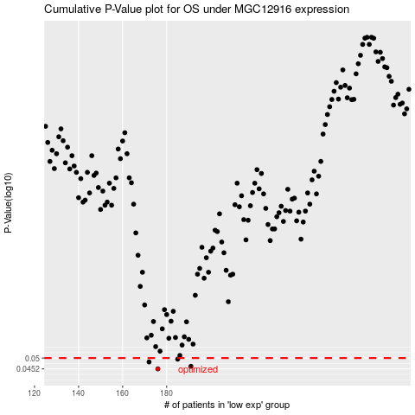

 |  |  |  |  |  | cases_OS | p_OS | rank | exp
 |  |  |  |  |  | 176 | 0.0452 | 18 | -0.38276542781
 |  |  |  |  |  | 191 | 0.0463 | 139 | -0.33965747057
 |  |  |  |  |  | 172 | 0.0482 | 109 | -0.40489457587
 |  |  |  |  |  | 185 | 0.0495 | 20 | -0.35227153121
 |  |  |  |  |  |  | cases_RFS | p_RFS | rank | exp
 |  |  |  |  |  |  | 175 | 0.0452 | 375 | -0.39139296929
 |  |  |  |  |  |  | 190 | 0.0463 | 253 | -0.34087722643
 |  |  |  |  |  |  | 171 | 0.0482 | 325 | -0.41301636492
 |  |  |  |  |  |  | 184 | 0.0495 | 202 | -0.36005119361

