MGC12982 _multivariate
Reported by Tex Li-Hsing Chi. tex@gate.sinica.edu.tw 2019-08-17

Table 2. The clinicopathological features of HNSCC cohort and MGC12982 expression. (Chi square test)
Cutoff at -0.487 (30.4%)
 |  | MGC12982 expression |  | MGC12982 expression |  | (Optimised)
 | Features | Low | (%) | High | (%) | Case no | P-value | Remark | Matthews
Gender | Female | 85 | 20.5 | 221 | 53.3 | 415 | 0.0724 | 0 | 0
2 | Male | 41 | 9.9 | 68 | 16.4
Age at diagnosis | <=65y | 88 | 21.2 | 186 | 44.8 | 415 | 0.3314 | 0 | 0
4 | >65y | 38 | 9.2 | 103 | 24.8
Clinical T Status | T1+T2 | 55 | 13.3 | 94 | 22.7 | 415 | 0.0393 | 1 | 0
6 | T3+T4 | 71 | 17.1 | 195 | 47
Clinical N Status | N0 | 71 | 17.1 | 145 | 34.9 | 415 | 0.2932 | 0 | 0
8 | N1-3 | 55 | 13.3 | 144 | 34.7
Clinical M Status | M0 | 125 | 30.1 | 287 | 69.2 | 415 | 1 | 0 | 0
10 | M1 | 1 | 0.2 | 2 | 0.5
Clinical Stage | Stage I+II | 40 | 9.6 | 62 | 14.9 | 415 | 0.0344 | 1 | 0
12 | Stage III+IV | 86 | 20.7 | 227 | 54.7
Surgical Margin status | Negative | 99 | 23.9 | 219 | 52.8 | 415 | 0.6142 | 0 | 0
14 | Positive | 27 | 6.5 | 70 | 16.9
Tobacco Exposure | Low | 67 | 16.1 | 94 | 22.7 | 415 | 1e-04 | 1 | 0
16 | High | 59 | 14.2 | 195 | 47

Table 3. Univariate/Multivariate Cox's proportional hazards regression analyses on OS time of MGC12982 gene expression in HNSCC

 |  | Univariate |  |  |  | Multivariate
 | Features | HR | CI95%(L) | CI95%(H) | P-value | HR | CI95%(L) | CI95%(H) | P-value
1 | Female | 1 |  |  |  | 1
Gender | Male | 1.157 | 0.843 | 1.587 | 0.367 | 1.239 | 0.885 | 1.733 | 0.212
11 | <=65y | 1 |  |  |  | 1
Age at diagnosis | >65y | 1.329 | 0.99 | 1.784 | 0.058 | 1.345 | 0.988 | 1.832 | 0.06
12 | T1+T2 | 1 |  |  |  | 1
Clinical T Status | T3+T4 | 1.409 | 1.028 | 1.931 | 0.033 | 2.185 | 1.155 | 4.133 | 0.016
13 | N0 | 1 |  |  |  | 1
Clinical N Status | N1-3 | 1.185 | 0.89 | 1.577 | 0.246 | 1.228 | 0.86 | 1.753 | 0.259
14 | M0 | 1 |  |  |  | 1
Clinical M Status | M1 | 4.097 | 1.009 | 16.644 | 0.049 | 9.758 | 2.127 | 44.77 | 0.003
15 | Stage I+II | 1 |  |  |  | 1
Clinical Stage | Stage III+IV | 1.245 | 0.882 | 1.759 | 0.213 | 0.495 | 0.23 | 1.063 | 0.071
16 | Negative | 1 |  |  |  | 1
Surgical Margin status | Positive | 1.591 | 1.155 | 2.191 | 0.004 | 1.652 | 1.195 | 2.283 | 0.002
17 | Low | 1 |  |  |  | 1
Tobacco Exposure | High | 1.364 | 1.008 | 1.844 | 0.044 | 1.371 | 0.989 | 1.9 | 0.058
18 | Low | 1 |  |  |  | 1
RNAseq(z-score) | High | 1.47 | 1.053 | 2.053 | 0.024 | 1.331 | 0.938 | 1.889 | 0.109

Table 4. Univariate/Multivariate Cox's proportional hazards regression analyses on RFS time of MGC12982 gene expression in HNSCC

 |  | Univariate |  |  |  | Multivariate
 | Features | HR | CI95%(L) | CI95%(H) | P-value | HR | CI95%(L) | CI95%(H) | P-value
1 | Female | 1 |  |  |  | 1
Gender | Male | 1.157 | 0.843 | 1.587 | 0.367 | 1.239 | 0.885 | 1.733 | 0.212
11 | <=65y | 1 |  |  |  | 1
Age at diagnosis | >65y | 1.329 | 0.99 | 1.784 | 0.058 | 1.345 | 0.988 | 1.832 | 0.06
12 | T1+T2 | 1 |  |  |  | 1
Clinical T Status | T3+T4 | 1.409 | 1.028 | 1.931 | 0.033 | 2.185 | 1.155 | 4.133 | 0.016
13 | N0 | 1 |  |  |  | 1
Clinical N Status | N1-3 | 1.185 | 0.89 | 1.577 | 0.246 | 1.228 | 0.86 | 1.753 | 0.259
14 | M0 | 1 |  |  |  | 1
Clinical M Status | M1 | 4.097 | 1.009 | 16.644 | 0.049 | 9.758 | 2.127 | 44.77 | 0.003
15 | Stage I+II | 1 |  |  |  | 1
Clinical Stage | Stage III+IV | 1.245 | 0.882 | 1.759 | 0.213 | 0.495 | 0.23 | 1.063 | 0.071
16 | Negative | 1 |  |  |  | 1
Surgical Margin status | Positive | 1.591 | 1.155 | 2.191 | 0.004 | 1.652 | 1.195 | 2.283 | 0.002
17 | Low | 1 |  |  |  | 1
Tobacco Exposure | High | 1.364 | 1.008 | 1.844 | 0.044 | 1.371 | 0.989 | 1.9 | 0.058
18 | Low | 1 |  |  |  | 1
RNAseq(z-score) | High | 1.47 | 1.053 | 2.053 | 0.024 | 1.331 | 0.938 | 1.889 | 0.109

Kaplan-Meier survival estimate: Cutoff at -0.487 (30.4%)

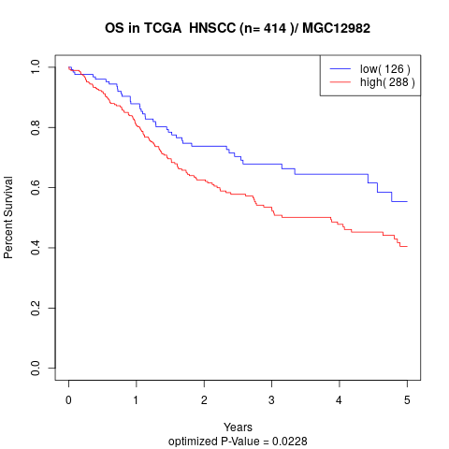

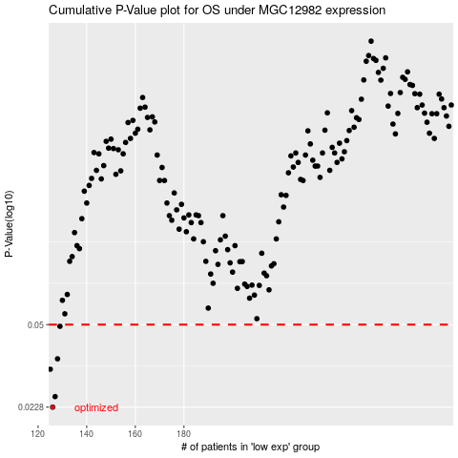

 |  |  |  |  |  | cases_OS | p_OS | rank | exp
 |  |  |  |  |  | 126 | 0.0228 | 7 | -0.48699404602
 |  |  |  |  |  | 127 | 0.0252 | 213 | -0.48244316035
 |  |  |  |  |  | 125 | 0.0327 | 362 | -0.48805934199
 |  |  |  |  |  | 128 | 0.0361 | 133 | -0.47265747267
 |  |  |  |  |  | 129 | 0.0492 | 185 | -0.47247411708
 |  |  |  |  |  |  | cases_RFS | p_RFS | rank | exp
 |  |  |  |  |  |  | 125 | 0.0228 | 362 | -0.48805934199
 |  |  |  |  |  |  | 126 | 0.0252 | 7 | -0.48699404602
 |  |  |  |  |  |  |  | 0.0327 | 392 | -0.49221968026
 |  |  |  |  |  |  | 127 | 0.0361 | 213 | -0.48244316035
 |  |  |  |  |  |  | 128 | 0.0492 | 133 | -0.47265747267

