MGC16121 _multivariate
Reported by Tex Li-Hsing Chi. tex@gate.sinica.edu.tw 2019-08-17

Table 2. The clinicopathological features of HNSCC cohort and MGC16121 expression. (Chi square test)
Cutoff at -0.267 (50.0%)
 |  | MGC16121 expression |  | MGC16121 expression |  | (Optimised)
 | Features | Low | (%) | High | (%) | Case no | P-value | Remark | Matthews
Gender | Female | 157 | 37.8 | 149 | 35.9 | 415 | 0.3881 | 0 | 0
2 | Male | 50 | 12 | 59 | 14.2
Age at diagnosis | <=65y | 140 | 33.7 | 134 | 32.3 | 415 | 0.5574 | 0 | 0
4 | >65y | 67 | 16.1 | 74 | 17.8
Clinical T Status | T1+T2 | 67 | 16.1 | 82 | 19.8 | 415 | 0.1628 | 0 | 0
6 | T3+T4 | 140 | 33.7 | 126 | 30.4
Clinical N Status | N0 | 109 | 26.3 | 107 | 25.8 | 415 | 0.8812 | 0 | 0
8 | N1-3 | 98 | 23.6 | 101 | 24.3
Clinical M Status | M0 | 207 | 49.9 | 205 | 49.4 | 415 | 0.2482 | 0 | 0
10 | M1 | 0 | 0 | 3 | 0.7
Clinical Stage | Stage I+II | 47 | 11.3 | 55 | 13.3 | 415 | 0.4413 | 0 | 0
12 | Stage III+IV | 160 | 38.6 | 153 | 36.9
Surgical Margin status | Negative | 165 | 39.8 | 153 | 36.9 | 415 | 0.1639 | 0 | 0
14 | Positive | 42 | 10.1 | 55 | 13.3
Tobacco Exposure | Low | 71 | 17.1 | 90 | 21.7 | 415 | 0.0698 | 0 | 0
16 | High | 136 | 32.8 | 118 | 28.4

Table 3. Univariate/Multivariate Cox's proportional hazards regression analyses on OS time of MGC16121 gene expression in HNSCC

 |  | Univariate |  |  |  | Multivariate
 | Features | HR | CI95%(L) | CI95%(H) | P-value | HR | CI95%(L) | CI95%(H) | P-value
1 | Female | 1 |  |  |  | 1
Gender | Male | 1.157 | 0.843 | 1.587 | 0.367 | 1.202 | 0.86 | 1.679 | 0.282
11 | <=65y | 1 |  |  |  | 1
Age at diagnosis | >65y | 1.329 | 0.99 | 1.784 | 0.058 | 1.392 | 1.022 | 1.895 | 0.036
12 | T1+T2 | 1 |  |  |  | 1
Clinical T Status | T3+T4 | 1.409 | 1.028 | 1.931 | 0.033 | 2.202 | 1.165 | 4.164 | 0.015
13 | N0 | 1 |  |  |  | 1
Clinical N Status | N1-3 | 1.185 | 0.89 | 1.577 | 0.246 | 1.241 | 0.87 | 1.771 | 0.234
14 | M0 | 1 |  |  |  | 1
Clinical M Status | M1 | 4.097 | 1.009 | 16.644 | 0.049 | 9.407 | 2.036 | 43.469 | 0.004
15 | Stage I+II | 1 |  |  |  | 1
Clinical Stage | Stage III+IV | 1.245 | 0.882 | 1.759 | 0.213 | 0.505 | 0.235 | 1.083 | 0.079
16 | Negative | 1 |  |  |  | 1
Surgical Margin status | Positive | 1.591 | 1.155 | 2.191 | 0.004 | 1.672 | 1.208 | 2.314 | 0.002
17 | Low | 1 |  |  |  | 1
Tobacco Exposure | High | 1.364 | 1.008 | 1.844 | 0.044 | 1.453 | 1.055 | 2.002 | 0.022
18 | Low | 1 |  |  |  | 1
RNAseq(z-score) | High | 1.057 | 0.792 | 1.41 | 0.709 | 1 | 0.744 | 1.344 | 1

Table 4. Univariate/Multivariate Cox's proportional hazards regression analyses on RFS time of MGC16121 gene expression in HNSCC

 |  | Univariate |  |  |  | Multivariate
 | Features | HR | CI95%(L) | CI95%(H) | P-value | HR | CI95%(L) | CI95%(H) | P-value
1 | Female | 1 |  |  |  | 1
Gender | Male | 1.157 | 0.843 | 1.587 | 0.367 | 1.202 | 0.86 | 1.679 | 0.282
11 | <=65y | 1 |  |  |  | 1
Age at diagnosis | >65y | 1.329 | 0.99 | 1.784 | 0.058 | 1.392 | 1.022 | 1.895 | 0.036
12 | T1+T2 | 1 |  |  |  | 1
Clinical T Status | T3+T4 | 1.409 | 1.028 | 1.931 | 0.033 | 2.202 | 1.165 | 4.164 | 0.015
13 | N0 | 1 |  |  |  | 1
Clinical N Status | N1-3 | 1.185 | 0.89 | 1.577 | 0.246 | 1.241 | 0.87 | 1.771 | 0.234
14 | M0 | 1 |  |  |  | 1
Clinical M Status | M1 | 4.097 | 1.009 | 16.644 | 0.049 | 9.407 | 2.036 | 43.469 | 0.004
15 | Stage I+II | 1 |  |  |  | 1
Clinical Stage | Stage III+IV | 1.245 | 0.882 | 1.759 | 0.213 | 0.505 | 0.235 | 1.083 | 0.079
16 | Negative | 1 |  |  |  | 1
Surgical Margin status | Positive | 1.591 | 1.155 | 2.191 | 0.004 | 1.672 | 1.208 | 2.314 | 0.002
17 | Low | 1 |  |  |  | 1
Tobacco Exposure | High | 1.364 | 1.008 | 1.844 | 0.044 | 1.453 | 1.055 | 2.002 | 0.022
18 | Low | 1 |  |  |  | 1
RNAseq(z-score) | High | 1.057 | 0.792 | 1.41 | 0.709 | 1 | 0.744 | 1.344 | 1

Kaplan-Meier survival estimate: Cutoff at -0.267 (50.0%)



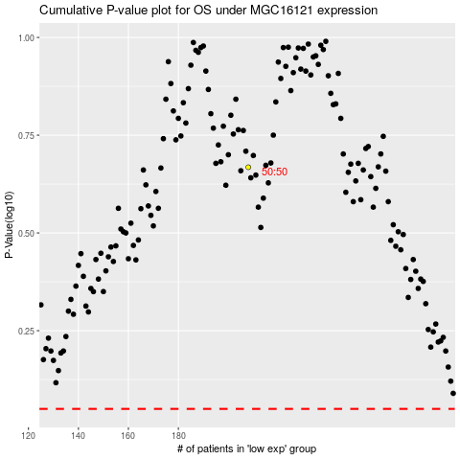

 |  |  |  |  |  | cases_OS | p_OS | rank | exp
 |  |  |  |  |  |  | cases_RFS | p_RFS | rank | exp

