MGC16275 _multivariate
Reported by Tex Li-Hsing Chi. tex@gate.sinica.edu.tw 2019-08-17

Table 2. The clinicopathological features of HNSCC cohort and MGC16275 expression. (Chi square test)
Cutoff at -0.281 (50.0%)
 |  | MGC16275 expression |  | MGC16275 expression |  | (Optimised)
 | Features | Low | (%) | High | (%) | Case no | P-value | Remark | Matthews
Gender | Female | 145 | 34.9 | 161 | 38.8 | 415 | 0.1116 | 0 | 0
2 | Male | 62 | 14.9 | 47 | 11.3
Age at diagnosis | <=65y | 129 | 31.1 | 145 | 34.9 | 415 | 0.1372 | 0 | 0
4 | >65y | 78 | 18.8 | 63 | 15.2
Clinical T Status | T1+T2 | 66 | 15.9 | 83 | 20 | 415 | 0.1095 | 0 | 0
6 | T3+T4 | 141 | 34 | 125 | 30.1
Clinical N Status | N0 | 111 | 26.7 | 105 | 25.3 | 415 | 0.5875 | 0 | 0
8 | N1-3 | 96 | 23.1 | 103 | 24.8
Clinical M Status | M0 | 207 | 49.9 | 205 | 49.4 | 415 | 0.2482 | 0 | 0
10 | M1 | 0 | 0 | 3 | 0.7
Clinical Stage | Stage I+II | 50 | 12 | 52 | 12.5 | 415 | 0.9315 | 0 | 0
12 | Stage III+IV | 157 | 37.8 | 156 | 37.6
Surgical Margin status | Negative | 165 | 39.8 | 153 | 36.9 | 415 | 0.1639 | 0 | 0
14 | Positive | 42 | 10.1 | 55 | 13.3
Tobacco Exposure | Low | 88 | 21.2 | 73 | 17.6 | 415 | 0.1314 | 0 | 0
16 | High | 119 | 28.7 | 135 | 32.5

Table 3. Univariate/Multivariate Cox's proportional hazards regression analyses on OS time of MGC16275 gene expression in HNSCC

 |  | Univariate |  |  |  | Multivariate
 | Features | HR | CI95%(L) | CI95%(H) | P-value | HR | CI95%(L) | CI95%(H) | P-value
1 | Female | 1 |  |  |  | 1
Gender | Male | 1.157 | 0.843 | 1.587 | 0.367 | 1.201 | 0.861 | 1.677 | 0.281
11 | <=65y | 1 |  |  |  | 1
Age at diagnosis | >65y | 1.329 | 0.99 | 1.784 | 0.058 | 1.381 | 1.015 | 1.878 | 0.04
12 | T1+T2 | 1 |  |  |  | 1
Clinical T Status | T3+T4 | 1.409 | 1.028 | 1.931 | 0.033 | 2.133 | 1.125 | 4.043 | 0.02
13 | N0 | 1 |  |  |  | 1
Clinical N Status | N1-3 | 1.185 | 0.89 | 1.577 | 0.246 | 1.271 | 0.889 | 1.816 | 0.189
14 | M0 | 1 |  |  |  | 1
Clinical M Status | M1 | 4.097 | 1.009 | 16.644 | 0.049 | 10.111 | 2.196 | 46.541 | 0.003
15 | Stage I+II | 1 |  |  |  | 1
Clinical Stage | Stage III+IV | 1.245 | 0.882 | 1.759 | 0.213 | 0.509 | 0.237 | 1.094 | 0.084
16 | Negative | 1 |  |  |  | 1
Surgical Margin status | Positive | 1.591 | 1.155 | 2.191 | 0.004 | 1.721 | 1.241 | 2.385 | 0.001
17 | Low | 1 |  |  |  | 1
Tobacco Exposure | High | 1.364 | 1.008 | 1.844 | 0.044 | 1.474 | 1.069 | 2.032 | 0.018
18 | Low | 1 |  |  |  | 1
RNAseq(z-score) | High | 0.863 | 0.647 | 1.152 | 0.318 | 0.818 | 0.607 | 1.102 | 0.186

Table 4. Univariate/Multivariate Cox's proportional hazards regression analyses on RFS time of MGC16275 gene expression in HNSCC

 |  | Univariate |  |  |  | Multivariate
 | Features | HR | CI95%(L) | CI95%(H) | P-value | HR | CI95%(L) | CI95%(H) | P-value
1 | Female | 1 |  |  |  | 1
Gender | Male | 1.157 | 0.843 | 1.587 | 0.367 | 1.201 | 0.861 | 1.677 | 0.281
11 | <=65y | 1 |  |  |  | 1
Age at diagnosis | >65y | 1.329 | 0.99 | 1.784 | 0.058 | 1.381 | 1.015 | 1.878 | 0.04
12 | T1+T2 | 1 |  |  |  | 1
Clinical T Status | T3+T4 | 1.409 | 1.028 | 1.931 | 0.033 | 2.133 | 1.125 | 4.043 | 0.02
13 | N0 | 1 |  |  |  | 1
Clinical N Status | N1-3 | 1.185 | 0.89 | 1.577 | 0.246 | 1.271 | 0.889 | 1.816 | 0.189
14 | M0 | 1 |  |  |  | 1
Clinical M Status | M1 | 4.097 | 1.009 | 16.644 | 0.049 | 10.111 | 2.196 | 46.541 | 0.003
15 | Stage I+II | 1 |  |  |  | 1
Clinical Stage | Stage III+IV | 1.245 | 0.882 | 1.759 | 0.213 | 0.509 | 0.237 | 1.094 | 0.084
16 | Negative | 1 |  |  |  | 1
Surgical Margin status | Positive | 1.591 | 1.155 | 2.191 | 0.004 | 1.721 | 1.241 | 2.385 | 0.001
17 | Low | 1 |  |  |  | 1
Tobacco Exposure | High | 1.364 | 1.008 | 1.844 | 0.044 | 1.474 | 1.069 | 2.032 | 0.018
18 | Low | 1 |  |  |  | 1
RNAseq(z-score) | High | 0.863 | 0.647 | 1.152 | 0.318 | 0.818 | 0.607 | 1.102 | 0.186

Kaplan-Meier survival estimate: Cutoff at -0.281 (50.0%)



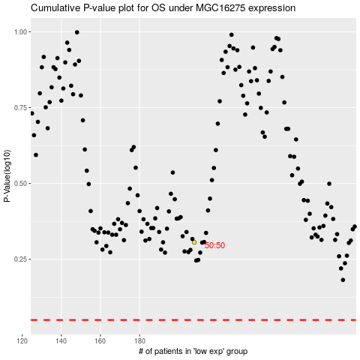

 |  |  |  |  |  | cases_OS | p_OS | rank | exp
 |  |  |  |  |  |  | cases_RFS | p_RFS | rank | exp

