MGC16703 _multivariate
Reported by Tex Li-Hsing Chi. tex@gate.sinica.edu.tw 2019-08-17

Table 2. The clinicopathological features of HNSCC cohort and MGC16703 expression. (Chi square test)
Cutoff at -0.238 (49.8%)
 |  | MGC16703 expression |  | MGC16703 expression |  | (Optimised)
 | Features | Low | (%) | High | (%) | Case no | P-value | Remark | Matthews
Gender | Female | 140 | 33.7 | 166 | 40 | 415 | 0.0068 | 1 | 0
2 | Male | 67 | 16.1 | 42 | 10.1
Age at diagnosis | <=65y | 132 | 31.8 | 142 | 34.2 | 415 | 0.3874 | 0 | 0
4 | >65y | 75 | 18.1 | 66 | 15.9
Clinical T Status | T1+T2 | 72 | 17.3 | 77 | 18.6 | 415 | 0.7095 | 0 | 0
6 | T3+T4 | 135 | 32.5 | 131 | 31.6
Clinical N Status | N0 | 113 | 27.2 | 103 | 24.8 | 415 | 0.3495 | 1 | 0
8 | N1-3 | 94 | 22.7 | 105 | 25.3
Clinical M Status | M0 | 206 | 49.6 | 206 | 49.6 | 415 | 1 | 0 | 0
10 | M1 | 1 | 0.2 | 2 | 0.5
Clinical Stage | Stage I+II | 50 | 12 | 52 | 12.5 | 415 | 0.9315 | 0 | 0
12 | Stage III+IV | 157 | 37.8 | 156 | 37.6
Surgical Margin status | Negative | 161 | 38.8 | 157 | 37.8 | 415 | 0.6429 | 0 | 0
14 | Positive | 46 | 11.1 | 51 | 12.3
Tobacco Exposure | Low | 82 | 19.8 | 79 | 19 | 415 | 0.763 | 0 | 0
16 | High | 125 | 30.1 | 129 | 31.1

Table 3. Univariate/Multivariate Cox's proportional hazards regression analyses on OS time of MGC16703 gene expression in HNSCC

 |  | Univariate |  |  |  | Multivariate
 | Features | HR | CI95%(L) | CI95%(H) | P-value | HR | CI95%(L) | CI95%(H) | P-value
1 | Female | 1 |  |  |  | 1
Gender | Male | 1.157 | 0.843 | 1.587 | 0.367 | 1.227 | 0.875 | 1.72 | 0.236
11 | <=65y | 1 |  |  |  | 1
Age at diagnosis | >65y | 1.329 | 0.99 | 1.784 | 0.058 | 1.401 | 1.03 | 1.905 | 0.032
12 | T1+T2 | 1 |  |  |  | 1
Clinical T Status | T3+T4 | 1.409 | 1.028 | 1.931 | 0.033 | 2.211 | 1.169 | 4.18 | 0.015
13 | N0 | 1 |  |  |  | 1
Clinical N Status | N1-3 | 1.185 | 0.89 | 1.577 | 0.246 | 1.232 | 0.863 | 1.758 | 0.25
14 | M0 | 1 |  |  |  | 1
Clinical M Status | M1 | 4.097 | 1.009 | 16.644 | 0.049 | 9.375 | 2.045 | 42.971 | 0.004
15 | Stage I+II | 1 |  |  |  | 1
Clinical Stage | Stage III+IV | 1.245 | 0.882 | 1.759 | 0.213 | 0.507 | 0.236 | 1.088 | 0.081
16 | Negative | 1 |  |  |  | 1
Surgical Margin status | Positive | 1.591 | 1.155 | 2.191 | 0.004 | 1.659 | 1.2 | 2.293 | 0.002
17 | Low | 1 |  |  |  | 1
Tobacco Exposure | High | 1.364 | 1.008 | 1.844 | 0.044 | 1.45 | 1.052 | 1.998 | 0.023
18 | Low | 1 |  |  |  | 1
RNAseq(z-score) | High | 1.101 | 0.826 | 1.466 | 0.513 | 1.126 | 0.84 | 1.509 | 0.427

Table 4. Univariate/Multivariate Cox's proportional hazards regression analyses on RFS time of MGC16703 gene expression in HNSCC

 |  | Univariate |  |  |  | Multivariate
 | Features | HR | CI95%(L) | CI95%(H) | P-value | HR | CI95%(L) | CI95%(H) | P-value
1 | Female | 1 |  |  |  | 1
Gender | Male | 1.157 | 0.843 | 1.587 | 0.367 | 1.227 | 0.875 | 1.72 | 0.236
11 | <=65y | 1 |  |  |  | 1
Age at diagnosis | >65y | 1.329 | 0.99 | 1.784 | 0.058 | 1.401 | 1.03 | 1.905 | 0.032
12 | T1+T2 | 1 |  |  |  | 1
Clinical T Status | T3+T4 | 1.409 | 1.028 | 1.931 | 0.033 | 2.211 | 1.169 | 4.18 | 0.015
13 | N0 | 1 |  |  |  | 1
Clinical N Status | N1-3 | 1.185 | 0.89 | 1.577 | 0.246 | 1.232 | 0.863 | 1.758 | 0.25
14 | M0 | 1 |  |  |  | 1
Clinical M Status | M1 | 4.097 | 1.009 | 16.644 | 0.049 | 9.375 | 2.045 | 42.971 | 0.004
15 | Stage I+II | 1 |  |  |  | 1
Clinical Stage | Stage III+IV | 1.245 | 0.882 | 1.759 | 0.213 | 0.507 | 0.236 | 1.088 | 0.081
16 | Negative | 1 |  |  |  | 1
Surgical Margin status | Positive | 1.591 | 1.155 | 2.191 | 0.004 | 1.659 | 1.2 | 2.293 | 0.002
17 | Low | 1 |  |  |  | 1
Tobacco Exposure | High | 1.364 | 1.008 | 1.844 | 0.044 | 1.45 | 1.052 | 1.998 | 0.023
18 | Low | 1 |  |  |  | 1
RNAseq(z-score) | High | 1.101 | 0.826 | 1.466 | 0.513 | 1.126 | 0.84 | 1.509 | 0.427

Kaplan-Meier survival estimate: Cutoff at -0.238 (49.8%)



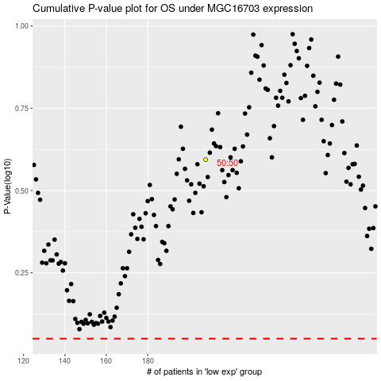

 |  |  |  |  |  | cases_OS | p_OS | rank | exp
 |  |  |  |  |  |  | cases_RFS | p_RFS | rank | exp

