MGC23270 _multivariate
Reported by Tex Li-Hsing Chi. tex@gate.sinica.edu.tw 2019-08-17

Table 2. The clinicopathological features of HNSCC cohort and MGC23270 expression. (Chi square test)
Cutoff at -0.36 (45.9%)
 |  | MGC23270 expression |  | MGC23270 expression |  | (Optimised)
 | Features | Low | (%) | High | (%) | Case no | P-value | Remark | Matthews
Gender | Female | 138 | 33.3 | 168 | 40.5 | 415 | 0.6015 | 0 | 0
2 | Male | 53 | 12.8 | 56 | 13.5
Age at diagnosis | <=65y | 131 | 31.6 | 143 | 34.5 | 415 | 0.3609 | 0 | 0
4 | >65y | 60 | 14.5 | 81 | 19.5
Clinical T Status | T1+T2 | 63 | 15.2 | 86 | 20.7 | 415 | 0.2974 | 0 | 0
6 | T3+T4 | 128 | 30.8 | 138 | 33.3
Clinical N Status | N0 | 96 | 23.1 | 120 | 28.9 | 415 | 0.5659 | 0 | 0
8 | N1-3 | 95 | 22.9 | 104 | 25.1
Clinical M Status | M0 | 190 | 45.8 | 222 | 53.5 | 415 | 1 | 0 | 0
10 | M1 | 1 | 0.2 | 2 | 0.5
Clinical Stage | Stage I+II | 44 | 10.6 | 58 | 14 | 415 | 0.576 | 0 | 0
12 | Stage III+IV | 147 | 35.4 | 166 | 40
Surgical Margin status | Negative | 147 | 35.4 | 171 | 41.2 | 415 | 0.9078 | 0 | 0
14 | Positive | 44 | 10.6 | 53 | 12.8
Tobacco Exposure | Low | 69 | 16.6 | 92 | 22.2 | 415 | 0.3139 | 0 | 0
16 | High | 122 | 29.4 | 132 | 31.8

Table 3. Univariate/Multivariate Cox's proportional hazards regression analyses on OS time of MGC23270 gene expression in HNSCC

 |  | Univariate |  |  |  | Multivariate
 | Features | HR | CI95%(L) | CI95%(H) | P-value | HR | CI95%(L) | CI95%(H) | P-value
1 | Female | 1 |  |  |  | 1
Gender | Male | 1.157 | 0.843 | 1.587 | 0.367 | 1.231 | 0.881 | 1.72 | 0.223
11 | <=65y | 1 |  |  |  | 1
Age at diagnosis | >65y | 1.329 | 0.99 | 1.784 | 0.058 | 1.379 | 1.016 | 1.871 | 0.039
12 | T1+T2 | 1 |  |  |  | 1
Clinical T Status | T3+T4 | 1.409 | 1.028 | 1.931 | 0.033 | 2.358 | 1.243 | 4.47 | 0.009
13 | N0 | 1 |  |  |  | 1
Clinical N Status | N1-3 | 1.185 | 0.89 | 1.577 | 0.246 | 1.269 | 0.889 | 1.812 | 0.189
14 | M0 | 1 |  |  |  | 1
Clinical M Status | M1 | 4.097 | 1.009 | 16.644 | 0.049 | 9.658 | 2.104 | 44.326 | 0.004
15 | Stage I+II | 1 |  |  |  | 1
Clinical Stage | Stage III+IV | 1.245 | 0.882 | 1.759 | 0.213 | 0.47 | 0.218 | 1.013 | 0.054
16 | Negative | 1 |  |  |  | 1
Surgical Margin status | Positive | 1.591 | 1.155 | 2.191 | 0.004 | 1.665 | 1.205 | 2.302 | 0.002
17 | Low | 1 |  |  |  | 1
Tobacco Exposure | High | 1.364 | 1.008 | 1.844 | 0.044 | 1.478 | 1.075 | 2.032 | 0.016
18 | Low | 1 |  |  |  | 1
RNAseq(z-score) | High | 1.339 | 1.001 | 1.791 | 0.049 | 1.427 | 1.064 | 1.913 | 0.018

Table 4. Univariate/Multivariate Cox's proportional hazards regression analyses on RFS time of MGC23270 gene expression in HNSCC

 |  | Univariate |  |  |  | Multivariate
 | Features | HR | CI95%(L) | CI95%(H) | P-value | HR | CI95%(L) | CI95%(H) | P-value
1 | Female | 1 |  |  |  | 1
Gender | Male | 1.157 | 0.843 | 1.587 | 0.367 | 1.231 | 0.881 | 1.72 | 0.223
11 | <=65y | 1 |  |  |  | 1
Age at diagnosis | >65y | 1.329 | 0.99 | 1.784 | 0.058 | 1.379 | 1.016 | 1.871 | 0.039
12 | T1+T2 | 1 |  |  |  | 1
Clinical T Status | T3+T4 | 1.409 | 1.028 | 1.931 | 0.033 | 2.358 | 1.243 | 4.47 | 0.009
13 | N0 | 1 |  |  |  | 1
Clinical N Status | N1-3 | 1.185 | 0.89 | 1.577 | 0.246 | 1.269 | 0.889 | 1.812 | 0.189
14 | M0 | 1 |  |  |  | 1
Clinical M Status | M1 | 4.097 | 1.009 | 16.644 | 0.049 | 9.658 | 2.104 | 44.326 | 0.004
15 | Stage I+II | 1 |  |  |  | 1
Clinical Stage | Stage III+IV | 1.245 | 0.882 | 1.759 | 0.213 | 0.47 | 0.218 | 1.013 | 0.054
16 | Negative | 1 |  |  |  | 1
Surgical Margin status | Positive | 1.591 | 1.155 | 2.191 | 0.004 | 1.665 | 1.205 | 2.302 | 0.002
17 | Low | 1 |  |  |  | 1
Tobacco Exposure | High | 1.364 | 1.008 | 1.844 | 0.044 | 1.478 | 1.075 | 2.032 | 0.016
18 | Low | 1 |  |  |  | 1
RNAseq(z-score) | High | 1.339 | 1.001 | 1.791 | 0.049 | 1.427 | 1.064 | 1.913 | 0.018

Kaplan-Meier survival estimate: Cutoff at -0.36 (45.9%)

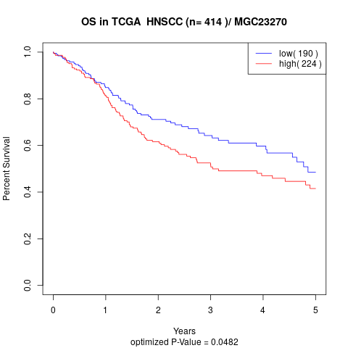

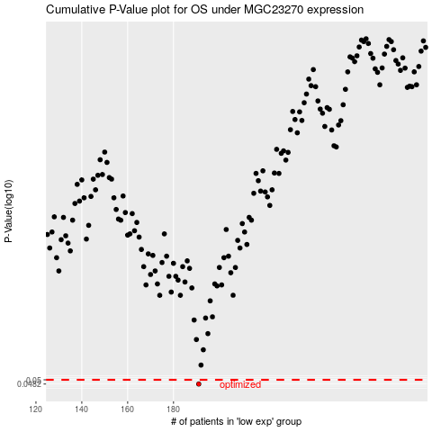

 |  |  |  |  |  | cases_OS | p_OS | rank | exp
 |  |  |  |  |  | 191 | 0.0482 | 118 | -0.36021372254
 |  |  |  |  |  |  | cases_RFS | p_RFS | rank | exp
 |  |  |  |  |  |  | 190 | 0.0482 | 184 | -0.36169620953

