MGC2752 _multivariate
Reported by Tex Li-Hsing Chi. tex@gate.sinica.edu.tw 2019-08-17

Table 2. The clinicopathological features of HNSCC cohort and MGC2752 expression. (Chi square test)
Cutoff at -0.23 (49.8%)
 |  | MGC2752 expression |  | MGC2752 expression |  | (Optimised)
 | Features | Low | (%) | High | (%) | Case no | P-value | Remark | Matthews
Gender | Female | 142 | 34.2 | 164 | 39.5 | 415 | 0.0238 | 1 | 0
2 | Male | 65 | 15.7 | 44 | 10.6
Age at diagnosis | <=65y | 130 | 31.3 | 144 | 34.7 | 415 | 0.2009 | 0 | 0
4 | >65y | 77 | 18.6 | 64 | 15.4
Clinical T Status | T1+T2 | 77 | 18.6 | 72 | 17.3 | 415 | 0.6556 | 0 | 0
6 | T3+T4 | 130 | 31.3 | 136 | 32.8
Clinical N Status | N0 | 120 | 28.9 | 96 | 23.1 | 415 | 0.0208 | 1 | 0
8 | N1-3 | 87 | 21 | 112 | 27
Clinical M Status | M0 | 205 | 49.4 | 207 | 49.9 | 415 | 0.6232 | 0 | 0
10 | M1 | 2 | 0.5 | 1 | 0.2
Clinical Stage | Stage I+II | 57 | 13.7 | 45 | 10.8 | 415 | 0.1998 | 0 | 0
12 | Stage III+IV | 150 | 36.1 | 163 | 39.3
Surgical Margin status | Negative | 163 | 39.3 | 155 | 37.3 | 415 | 0.3537 | 0 | 0
14 | Positive | 44 | 10.6 | 53 | 12.8
Tobacco Exposure | Low | 94 | 22.7 | 67 | 16.1 | 415 | 0.0065 | 1 | 0
16 | High | 113 | 27.2 | 141 | 34

Table 3. Univariate/Multivariate Cox's proportional hazards regression analyses on OS time of MGC2752 gene expression in HNSCC

 |  | Univariate |  |  |  | Multivariate
 | Features | HR | CI95%(L) | CI95%(H) | P-value | HR | CI95%(L) | CI95%(H) | P-value
1 | Female | 1 |  |  |  | 1
Gender | Male | 1.157 | 0.843 | 1.587 | 0.367 | 1.223 | 0.874 | 1.711 | 0.241
11 | <=65y | 1 |  |  |  | 1
Age at diagnosis | >65y | 1.329 | 0.99 | 1.784 | 0.058 | 1.416 | 1.04 | 1.929 | 0.027
12 | T1+T2 | 1 |  |  |  | 1
Clinical T Status | T3+T4 | 1.409 | 1.028 | 1.931 | 0.033 | 2.249 | 1.187 | 4.259 | 0.013
13 | N0 | 1 |  |  |  | 1
Clinical N Status | N1-3 | 1.185 | 0.89 | 1.577 | 0.246 | 1.222 | 0.856 | 1.746 | 0.269
14 | M0 | 1 |  |  |  | 1
Clinical M Status | M1 | 4.097 | 1.009 | 16.644 | 0.049 | 10.165 | 2.201 | 46.946 | 0.003
15 | Stage I+II | 1 |  |  |  | 1
Clinical Stage | Stage III+IV | 1.245 | 0.882 | 1.759 | 0.213 | 0.497 | 0.231 | 1.068 | 0.073
16 | Negative | 1 |  |  |  | 1
Surgical Margin status | Positive | 1.591 | 1.155 | 2.191 | 0.004 | 1.675 | 1.212 | 2.314 | 0.002
17 | Low | 1 |  |  |  | 1
Tobacco Exposure | High | 1.364 | 1.008 | 1.844 | 0.044 | 1.416 | 1.025 | 1.957 | 0.035
18 | Low | 1 |  |  |  | 1
RNAseq(z-score) | High | 1.126 | 0.845 | 1.5 | 0.417 | 1.167 | 0.864 | 1.576 | 0.315

Table 4. Univariate/Multivariate Cox's proportional hazards regression analyses on RFS time of MGC2752 gene expression in HNSCC

 |  | Univariate |  |  |  | Multivariate
 | Features | HR | CI95%(L) | CI95%(H) | P-value | HR | CI95%(L) | CI95%(H) | P-value
1 | Female | 1 |  |  |  | 1
Gender | Male | 1.157 | 0.843 | 1.587 | 0.367 | 1.223 | 0.874 | 1.711 | 0.241
11 | <=65y | 1 |  |  |  | 1
Age at diagnosis | >65y | 1.329 | 0.99 | 1.784 | 0.058 | 1.416 | 1.04 | 1.929 | 0.027
12 | T1+T2 | 1 |  |  |  | 1
Clinical T Status | T3+T4 | 1.409 | 1.028 | 1.931 | 0.033 | 2.249 | 1.187 | 4.259 | 0.013
13 | N0 | 1 |  |  |  | 1
Clinical N Status | N1-3 | 1.185 | 0.89 | 1.577 | 0.246 | 1.222 | 0.856 | 1.746 | 0.269
14 | M0 | 1 |  |  |  | 1
Clinical M Status | M1 | 4.097 | 1.009 | 16.644 | 0.049 | 10.165 | 2.201 | 46.946 | 0.003
15 | Stage I+II | 1 |  |  |  | 1
Clinical Stage | Stage III+IV | 1.245 | 0.882 | 1.759 | 0.213 | 0.497 | 0.231 | 1.068 | 0.073
16 | Negative | 1 |  |  |  | 1
Surgical Margin status | Positive | 1.591 | 1.155 | 2.191 | 0.004 | 1.675 | 1.212 | 2.314 | 0.002
17 | Low | 1 |  |  |  | 1
Tobacco Exposure | High | 1.364 | 1.008 | 1.844 | 0.044 | 1.416 | 1.025 | 1.957 | 0.035
18 | Low | 1 |  |  |  | 1
RNAseq(z-score) | High | 1.126 | 0.845 | 1.5 | 0.417 | 1.167 | 0.864 | 1.576 | 0.315

Kaplan-Meier survival estimate: Cutoff at -0.23 (49.8%)



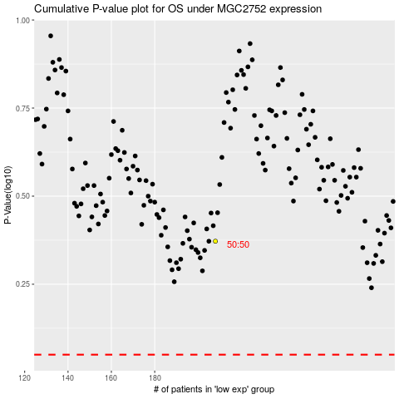

 |  |  |  |  |  | cases_OS | p_OS | rank | exp
 |  |  |  |  |  |  | cases_RFS | p_RFS | rank | exp

