MGC2889 _multivariate
Reported by Tex Li-Hsing Chi. tex@gate.sinica.edu.tw 2019-08-17

Table 2. The clinicopathological features of HNSCC cohort and MGC2889 expression. (Chi square test)
Cutoff at -0.527 (33.8%)
 |  | MGC2889 expression |  | MGC2889 expression |  | (Optimised)
 | Features | Low | (%) | High | (%) | Case no | P-value | Remark | Matthews
Gender | Female | 98 | 23.6 | 208 | 50.1 | 415 | 0.2646 | 0 | 0
2 | Male | 42 | 10.1 | 67 | 16.1
Age at diagnosis | <=65y | 83 | 20 | 191 | 46 | 415 | 0.0502 | 0 | 0
4 | >65y | 57 | 13.7 | 84 | 20.2
Clinical T Status | T1+T2 | 43 | 10.4 | 106 | 25.5 | 415 | 0.1432 | 0 | 0
6 | T3+T4 | 97 | 23.4 | 169 | 40.7
Clinical N Status | N0 | 66 | 15.9 | 150 | 36.1 | 415 | 0.1857 | 0 | 0
8 | N1-3 | 74 | 17.8 | 125 | 30.1
Clinical M Status | M0 | 138 | 33.3 | 274 | 66 | 415 | 0.2641 | 0 | 0
10 | M1 | 2 | 0.5 | 1 | 0.2
Clinical Stage | Stage I+II | 31 | 7.5 | 71 | 17.1 | 415 | 0.4829 | 0 | 0
12 | Stage III+IV | 109 | 26.3 | 204 | 49.2
Surgical Margin status | Negative | 104 | 25.1 | 214 | 51.6 | 415 | 0.4621 | 0 | 0
14 | Positive | 36 | 8.7 | 61 | 14.7
Tobacco Exposure | Low | 62 | 14.9 | 99 | 23.9 | 415 | 0.1106 | 0 | 0
16 | High | 78 | 18.8 | 176 | 42.4

Table 3. Univariate/Multivariate Cox's proportional hazards regression analyses on OS time of MGC2889 gene expression in HNSCC

 |  | Univariate |  |  |  | Multivariate
 | Features | HR | CI95%(L) | CI95%(H) | P-value | HR | CI95%(L) | CI95%(H) | P-value
1 | Female | 1 |  |  |  | 1
Gender | Male | 1.157 | 0.843 | 1.587 | 0.367 | 1.185 | 0.848 | 1.657 | 0.32
11 | <=65y | 1 |  |  |  | 1
Age at diagnosis | >65y | 1.329 | 0.99 | 1.784 | 0.058 | 1.365 | 1.003 | 1.857 | 0.048
12 | T1+T2 | 1 |  |  |  | 1
Clinical T Status | T3+T4 | 1.409 | 1.028 | 1.931 | 0.033 | 2.1 | 1.108 | 3.982 | 0.023
13 | N0 | 1 |  |  |  | 1
Clinical N Status | N1-3 | 1.185 | 0.89 | 1.577 | 0.246 | 1.198 | 0.837 | 1.714 | 0.324
14 | M0 | 1 |  |  |  | 1
Clinical M Status | M1 | 4.097 | 1.009 | 16.644 | 0.049 | 8.503 | 1.846 | 39.174 | 0.006
15 | Stage I+II | 1 |  |  |  | 1
Clinical Stage | Stage III+IV | 1.245 | 0.882 | 1.759 | 0.213 | 0.543 | 0.252 | 1.174 | 0.121
16 | Negative | 1 |  |  |  | 1
Surgical Margin status | Positive | 1.591 | 1.155 | 2.191 | 0.004 | 1.657 | 1.2 | 2.289 | 0.002
17 | Low | 1 |  |  |  | 1
Tobacco Exposure | High | 1.364 | 1.008 | 1.844 | 0.044 | 1.484 | 1.075 | 2.048 | 0.016
18 | Low | 1 |  |  |  | 1
RNAseq(z-score) | High | 0.733 | 0.544 | 0.987 | 0.041 | 0.779 | 0.574 | 1.058 | 0.11

Table 4. Univariate/Multivariate Cox's proportional hazards regression analyses on RFS time of MGC2889 gene expression in HNSCC

 |  | Univariate |  |  |  | Multivariate
 | Features | HR | CI95%(L) | CI95%(H) | P-value | HR | CI95%(L) | CI95%(H) | P-value
1 | Female | 1 |  |  |  | 1
Gender | Male | 1.157 | 0.843 | 1.587 | 0.367 | 1.185 | 0.848 | 1.657 | 0.32
11 | <=65y | 1 |  |  |  | 1
Age at diagnosis | >65y | 1.329 | 0.99 | 1.784 | 0.058 | 1.365 | 1.003 | 1.857 | 0.048
12 | T1+T2 | 1 |  |  |  | 1
Clinical T Status | T3+T4 | 1.409 | 1.028 | 1.931 | 0.033 | 2.1 | 1.108 | 3.982 | 0.023
13 | N0 | 1 |  |  |  | 1
Clinical N Status | N1-3 | 1.185 | 0.89 | 1.577 | 0.246 | 1.198 | 0.837 | 1.714 | 0.324
14 | M0 | 1 |  |  |  | 1
Clinical M Status | M1 | 4.097 | 1.009 | 16.644 | 0.049 | 8.503 | 1.846 | 39.174 | 0.006
15 | Stage I+II | 1 |  |  |  | 1
Clinical Stage | Stage III+IV | 1.245 | 0.882 | 1.759 | 0.213 | 0.543 | 0.252 | 1.174 | 0.121
16 | Negative | 1 |  |  |  | 1
Surgical Margin status | Positive | 1.591 | 1.155 | 2.191 | 0.004 | 1.657 | 1.2 | 2.289 | 0.002
17 | Low | 1 |  |  |  | 1
Tobacco Exposure | High | 1.364 | 1.008 | 1.844 | 0.044 | 1.484 | 1.075 | 2.048 | 0.016
18 | Low | 1 |  |  |  | 1
RNAseq(z-score) | High | 0.733 | 0.544 | 0.987 | 0.041 | 0.779 | 0.574 | 1.058 | 0.11

Kaplan-Meier survival estimate: Cutoff at -0.527 (33.8%)



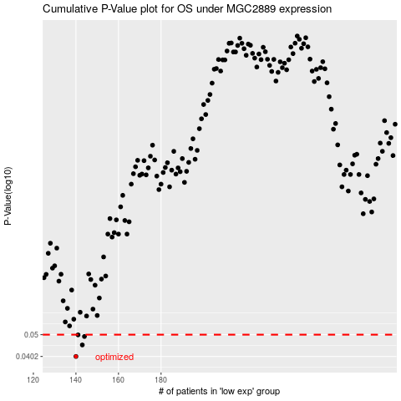

 |  |  |  |  |  | cases_OS | p_OS | rank | exp
 |  |  |  |  |  | 140 | 0.0402 | 324 | -0.52713405039
 |  |  |  |  |  | 143 | 0.0451 | 46 | -0.52312786025
 |  |  |  |  |  | 144 | 0.0491 | 350 | -0.52199277304
 |  |  |  |  |  | 141 | 0.0499 | 327 | -0.52441874373
 |  |  |  |  |  |  | cases_RFS | p_RFS | rank | exp
 |  |  |  |  |  |  | 139 | 0.0402 | 349 | -0.52755692601
 |  |  |  |  |  |  | 142 | 0.0451 | 213 | -0.52395135488
 |  |  |  |  |  |  | 143 | 0.0491 | 46 | -0.52312786025
 |  |  |  |  |  |  | 140 | 0.0499 | 324 | -0.52713405039

