MGC3771 _multivariate
Reported by Tex Li-Hsing Chi. tex@gate.sinica.edu.tw 2019-08-17

Table 2. The clinicopathological features of HNSCC cohort and MGC3771 expression. (Chi square test)
Cutoff at -0.05 (65.7%)
 |  | MGC3771 expression |  | MGC3771 expression |  | (Optimised)
 | Features | Low | (%) | High | (%) | Case no | P-value | Remark | Matthews
Gender | Female | 202 | 48.7 | 104 | 25.1 | 415 | 0.8252 | 0 | 0
2 | Male | 70 | 16.9 | 39 | 9.4
Age at diagnosis | <=65y | 186 | 44.8 | 88 | 21.2 | 415 | 0.1971 | 0 | 0
4 | >65y | 86 | 20.7 | 55 | 13.3
Clinical T Status | T1+T2 | 95 | 22.9 | 54 | 13 | 415 | 0.6422 | 0 | 0
6 | T3+T4 | 177 | 42.7 | 89 | 21.4
Clinical N Status | N0 | 138 | 33.3 | 78 | 18.8 | 415 | 0.5254 | 0 | 0
8 | N1-3 | 134 | 32.3 | 65 | 15.7
Clinical M Status | M0 | 270 | 65.1 | 142 | 34.2 | 415 | 1 | 0 | 0
10 | M1 | 2 | 0.5 | 1 | 0.2
Clinical Stage | Stage I+II | 68 | 16.4 | 34 | 8.2 | 415 | 0.8766 | 0 | 0
12 | Stage III+IV | 204 | 49.2 | 109 | 26.3
Surgical Margin status | Negative | 210 | 50.6 | 108 | 26 | 415 | 0.7154 | 0 | 0
14 | Positive | 62 | 14.9 | 35 | 8.4
Tobacco Exposure | Low | 101 | 24.3 | 60 | 14.5 | 415 | 0.3424 | 0 | 0
16 | High | 171 | 41.2 | 83 | 20

Table 3. Univariate/Multivariate Cox's proportional hazards regression analyses on OS time of MGC3771 gene expression in HNSCC

 |  | Univariate |  |  |  | Multivariate
 | Features | HR | CI95%(L) | CI95%(H) | P-value | HR | CI95%(L) | CI95%(H) | P-value
1 | Female | 1 |  |  |  | 1
Gender | Male | 1.157 | 0.843 | 1.587 | 0.367 | 1.226 | 0.878 | 1.713 | 0.232
11 | <=65y | 1 |  |  |  | 1
Age at diagnosis | >65y | 1.329 | 0.99 | 1.784 | 0.058 | 1.445 | 1.06 | 1.97 | 0.02
12 | T1+T2 | 1 |  |  |  | 1
Clinical T Status | T3+T4 | 1.409 | 1.028 | 1.931 | 0.033 | 2.163 | 1.144 | 4.088 | 0.018
13 | N0 | 1 |  |  |  | 1
Clinical N Status | N1-3 | 1.185 | 0.89 | 1.577 | 0.246 | 1.216 | 0.853 | 1.734 | 0.28
14 | M0 | 1 |  |  |  | 1
Clinical M Status | M1 | 4.097 | 1.009 | 16.644 | 0.049 | 8.939 | 1.948 | 41.017 | 0.005
15 | Stage I+II | 1 |  |  |  | 1
Clinical Stage | Stage III+IV | 1.245 | 0.882 | 1.759 | 0.213 | 0.543 | 0.253 | 1.168 | 0.118
16 | Negative | 1 |  |  |  | 1
Surgical Margin status | Positive | 1.591 | 1.155 | 2.191 | 0.004 | 1.688 | 1.222 | 2.333 | 0.001
17 | Low | 1 |  |  |  | 1
Tobacco Exposure | High | 1.364 | 1.008 | 1.844 | 0.044 | 1.454 | 1.054 | 2.006 | 0.023
18 | Low | 1 |  |  |  | 1
RNAseq(z-score) | High | 0.728 | 0.533 | 0.995 | 0.046 | 0.701 | 0.511 | 0.963 | 0.028

Table 4. Univariate/Multivariate Cox's proportional hazards regression analyses on RFS time of MGC3771 gene expression in HNSCC

 |  | Univariate |  |  |  | Multivariate
 | Features | HR | CI95%(L) | CI95%(H) | P-value | HR | CI95%(L) | CI95%(H) | P-value
1 | Female | 1 |  |  |  | 1
Gender | Male | 1.157 | 0.843 | 1.587 | 0.367 | 1.226 | 0.878 | 1.713 | 0.232
11 | <=65y | 1 |  |  |  | 1
Age at diagnosis | >65y | 1.329 | 0.99 | 1.784 | 0.058 | 1.445 | 1.06 | 1.97 | 0.02
12 | T1+T2 | 1 |  |  |  | 1
Clinical T Status | T3+T4 | 1.409 | 1.028 | 1.931 | 0.033 | 2.163 | 1.144 | 4.088 | 0.018
13 | N0 | 1 |  |  |  | 1
Clinical N Status | N1-3 | 1.185 | 0.89 | 1.577 | 0.246 | 1.216 | 0.853 | 1.734 | 0.28
14 | M0 | 1 |  |  |  | 1
Clinical M Status | M1 | 4.097 | 1.009 | 16.644 | 0.049 | 8.939 | 1.948 | 41.017 | 0.005
15 | Stage I+II | 1 |  |  |  | 1
Clinical Stage | Stage III+IV | 1.245 | 0.882 | 1.759 | 0.213 | 0.543 | 0.253 | 1.168 | 0.118
16 | Negative | 1 |  |  |  | 1
Surgical Margin status | Positive | 1.591 | 1.155 | 2.191 | 0.004 | 1.688 | 1.222 | 2.333 | 0.001
17 | Low | 1 |  |  |  | 1
Tobacco Exposure | High | 1.364 | 1.008 | 1.844 | 0.044 | 1.454 | 1.054 | 2.006 | 0.023
18 | Low | 1 |  |  |  | 1
RNAseq(z-score) | High | 0.728 | 0.533 | 0.995 | 0.046 | 0.701 | 0.511 | 0.963 | 0.028

Kaplan-Meier survival estimate: Cutoff at -0.05 (65.7%)



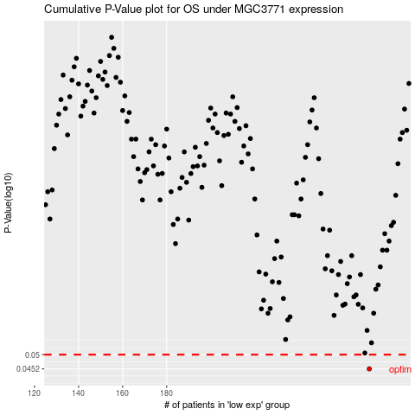

 |  |  |  |  |  | cases_OS | p_OS | rank | exp
 |  |  |  |  |  | 272 | 0.0452 | 83 | -0.050432686308
 |  |  |  |  |  |  | cases_RFS | p_RFS | rank | exp
 |  |  |  |  |  |  | 271 | 0.0452 | 123 | -0.056333411068

