MGC45800 _multivariate
Reported by Tex Li-Hsing Chi. tex@gate.sinica.edu.tw 2019-08-17

Table 2. The clinicopathological features of HNSCC cohort and MGC45800 expression. (Chi square test)
Cutoff at -0.119 (50.0%)
 |  | MGC45800 expression |  | MGC45800 expression |  | (Optimised)
 | Features | Low | (%) | High | (%) | Case no | P-value | Remark | Matthews
Gender | Female | 148 | 35.7 | 158 | 38.1 | 415 | 0.3567 | 0 | 0
2 | Male | 59 | 14.2 | 50 | 12
Age at diagnosis | <=65y | 137 | 33 | 137 | 33 | 415 | 1 | 0 | 0
4 | >65y | 70 | 16.9 | 71 | 17.1
Clinical T Status | T1+T2 | 68 | 16.4 | 81 | 19.5 | 415 | 0.2336 | 0 | 0
6 | T3+T4 | 139 | 33.5 | 127 | 30.6
Clinical N Status | N0 | 107 | 25.8 | 109 | 26.3 | 415 | 0.9624 | 0 | 0
8 | N1-3 | 100 | 24.1 | 99 | 23.9
Clinical M Status | M0 | 206 | 49.6 | 206 | 49.6 | 415 | 1 | 0 | 0
10 | M1 | 1 | 0.2 | 2 | 0.5
Clinical Stage | Stage I+II | 41 | 9.9 | 61 | 14.7 | 415 | 0.0325 | 1 | 0
12 | Stage III+IV | 166 | 40 | 147 | 35.4
Surgical Margin status | Negative | 156 | 37.6 | 162 | 39 | 415 | 0.5636 | 0 | 0
14 | Positive | 51 | 12.3 | 46 | 11.1
Tobacco Exposure | Low | 71 | 17.1 | 90 | 21.7 | 415 | 0.0698 | 0 | 0
16 | High | 136 | 32.8 | 118 | 28.4

Table 3. Univariate/Multivariate Cox's proportional hazards regression analyses on OS time of MGC45800 gene expression in HNSCC

 |  | Univariate |  |  |  | Multivariate
 | Features | HR | CI95%(L) | CI95%(H) | P-value | HR | CI95%(L) | CI95%(H) | P-value
1 | Female | 1 |  |  |  | 1
Gender | Male | 1.157 | 0.843 | 1.587 | 0.367 | 1.209 | 0.865 | 1.689 | 0.267
11 | <=65y | 1 |  |  |  | 1
Age at diagnosis | >65y | 1.329 | 0.99 | 1.784 | 0.058 | 1.389 | 1.022 | 1.889 | 0.036
12 | T1+T2 | 1 |  |  |  | 1
Clinical T Status | T3+T4 | 1.409 | 1.028 | 1.931 | 0.033 | 2.181 | 1.152 | 4.126 | 0.017
13 | N0 | 1 |  |  |  | 1
Clinical N Status | N1-3 | 1.185 | 0.89 | 1.577 | 0.246 | 1.228 | 0.86 | 1.754 | 0.258
14 | M0 | 1 |  |  |  | 1
Clinical M Status | M1 | 4.097 | 1.009 | 16.644 | 0.049 | 9.064 | 1.97 | 41.706 | 0.005
15 | Stage I+II | 1 |  |  |  | 1
Clinical Stage | Stage III+IV | 1.245 | 0.882 | 1.759 | 0.213 | 0.52 | 0.241 | 1.121 | 0.095
16 | Negative | 1 |  |  |  | 1
Surgical Margin status | Positive | 1.591 | 1.155 | 2.191 | 0.004 | 1.672 | 1.21 | 2.31 | 0.002
17 | Low | 1 |  |  |  | 1
Tobacco Exposure | High | 1.364 | 1.008 | 1.844 | 0.044 | 1.456 | 1.057 | 2.005 | 0.022
18 | Low | 1 |  |  |  | 1
RNAseq(z-score) | High | 1.102 | 0.828 | 1.467 | 0.506 | 1.104 | 0.826 | 1.475 | 0.503

Table 4. Univariate/Multivariate Cox's proportional hazards regression analyses on RFS time of MGC45800 gene expression in HNSCC

 |  | Univariate |  |  |  | Multivariate
 | Features | HR | CI95%(L) | CI95%(H) | P-value | HR | CI95%(L) | CI95%(H) | P-value
1 | Female | 1 |  |  |  | 1
Gender | Male | 1.157 | 0.843 | 1.587 | 0.367 | 1.209 | 0.865 | 1.689 | 0.267
11 | <=65y | 1 |  |  |  | 1
Age at diagnosis | >65y | 1.329 | 0.99 | 1.784 | 0.058 | 1.389 | 1.022 | 1.889 | 0.036
12 | T1+T2 | 1 |  |  |  | 1
Clinical T Status | T3+T4 | 1.409 | 1.028 | 1.931 | 0.033 | 2.181 | 1.152 | 4.126 | 0.017
13 | N0 | 1 |  |  |  | 1
Clinical N Status | N1-3 | 1.185 | 0.89 | 1.577 | 0.246 | 1.228 | 0.86 | 1.754 | 0.258
14 | M0 | 1 |  |  |  | 1
Clinical M Status | M1 | 4.097 | 1.009 | 16.644 | 0.049 | 9.064 | 1.97 | 41.706 | 0.005
15 | Stage I+II | 1 |  |  |  | 1
Clinical Stage | Stage III+IV | 1.245 | 0.882 | 1.759 | 0.213 | 0.52 | 0.241 | 1.121 | 0.095
16 | Negative | 1 |  |  |  | 1
Surgical Margin status | Positive | 1.591 | 1.155 | 2.191 | 0.004 | 1.672 | 1.21 | 2.31 | 0.002
17 | Low | 1 |  |  |  | 1
Tobacco Exposure | High | 1.364 | 1.008 | 1.844 | 0.044 | 1.456 | 1.057 | 2.005 | 0.022
18 | Low | 1 |  |  |  | 1
RNAseq(z-score) | High | 1.102 | 0.828 | 1.467 | 0.506 | 1.104 | 0.826 | 1.475 | 0.503

Kaplan-Meier survival estimate: Cutoff at -0.119 (50.0%)



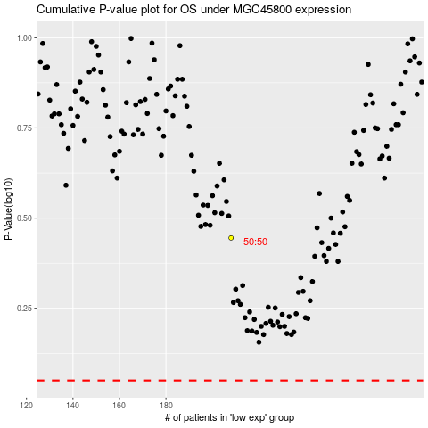

 |  |  |  |  |  | cases_OS | p_OS | rank | exp
 |  |  |  |  |  |  | cases_RFS | p_RFS | rank | exp

