MGC57346 _multivariate
Reported by Tex Li-Hsing Chi. tex@gate.sinica.edu.tw 2019-08-17

Table 2. The clinicopathological features of HNSCC cohort and MGC57346 expression. (Chi square test)
Cutoff at -0.189 (49.8%)
 |  | MGC57346 expression |  | MGC57346 expression |  | (Optimised)
 | Features | Low | (%) | High | (%) | Case no | P-value | Remark | Matthews
Gender | Female | 146 | 35.2 | 160 | 38.6 | 415 | 0.1714 | 0 | 0
2 | Male | 61 | 14.7 | 48 | 11.6
Age at diagnosis | <=65y | 133 | 32 | 141 | 34 | 415 | 0.5111 | 0 | 0
4 | >65y | 74 | 17.8 | 67 | 16.1
Clinical T Status | T1+T2 | 86 | 20.7 | 63 | 15.2 | 415 | 0.0221 | 1 | 0
6 | T3+T4 | 121 | 29.2 | 145 | 34.9
Clinical N Status | N0 | 104 | 25.1 | 112 | 27 | 415 | 0.5243 | 0 | 0
8 | N1-3 | 103 | 24.8 | 96 | 23.1
Clinical M Status | M0 | 205 | 49.4 | 207 | 49.9 | 415 | 0.6232 | 0 | 0
10 | M1 | 2 | 0.5 | 1 | 0.2
Clinical Stage | Stage I+II | 59 | 14.2 | 43 | 10.4 | 415 | 0.0822 | 0 | 0
12 | Stage III+IV | 148 | 35.7 | 165 | 39.8
Surgical Margin status | Negative | 160 | 38.6 | 158 | 38.1 | 415 | 0.8167 | 0 | 0
14 | Positive | 47 | 11.3 | 50 | 12
Tobacco Exposure | Low | 97 | 23.4 | 64 | 15.4 | 415 | 9e-04 | 1 | 0
16 | High | 110 | 26.5 | 144 | 34.7

Table 3. Univariate/Multivariate Cox's proportional hazards regression analyses on OS time of MGC57346 gene expression in HNSCC

 |  | Univariate |  |  |  | Multivariate
 | Features | HR | CI95%(L) | CI95%(H) | P-value | HR | CI95%(L) | CI95%(H) | P-value
1 | Female | 1 |  |  |  | 1
Gender | Male | 1.157 | 0.843 | 1.587 | 0.367 | 1.181 | 0.844 | 1.652 | 0.333
11 | <=65y | 1 |  |  |  | 1
Age at diagnosis | >65y | 1.329 | 0.99 | 1.784 | 0.058 | 1.398 | 1.027 | 1.904 | 0.033
12 | T1+T2 | 1 |  |  |  | 1
Clinical T Status | T3+T4 | 1.409 | 1.028 | 1.931 | 0.033 | 2.199 | 1.163 | 4.158 | 0.015
13 | N0 | 1 |  |  |  | 1
Clinical N Status | N1-3 | 1.185 | 0.89 | 1.577 | 0.246 | 1.221 | 0.855 | 1.744 | 0.271
14 | M0 | 1 |  |  |  | 1
Clinical M Status | M1 | 4.097 | 1.009 | 16.644 | 0.049 | 9.125 | 1.99 | 41.85 | 0.004
15 | Stage I+II | 1 |  |  |  | 1
Clinical Stage | Stage III+IV | 1.245 | 0.882 | 1.759 | 0.213 | 0.53 | 0.246 | 1.143 | 0.106
16 | Negative | 1 |  |  |  | 1
Surgical Margin status | Positive | 1.591 | 1.155 | 2.191 | 0.004 | 1.641 | 1.187 | 2.269 | 0.003
17 | Low | 1 |  |  |  | 1
Tobacco Exposure | High | 1.364 | 1.008 | 1.844 | 0.044 | 1.515 | 1.092 | 2.104 | 0.013
18 | Low | 1 |  |  |  | 1
RNAseq(z-score) | High | 0.872 | 0.654 | 1.163 | 0.351 | 0.825 | 0.608 | 1.119 | 0.216

Table 4. Univariate/Multivariate Cox's proportional hazards regression analyses on RFS time of MGC57346 gene expression in HNSCC

 |  | Univariate |  |  |  | Multivariate
 | Features | HR | CI95%(L) | CI95%(H) | P-value | HR | CI95%(L) | CI95%(H) | P-value
1 | Female | 1 |  |  |  | 1
Gender | Male | 1.157 | 0.843 | 1.587 | 0.367 | 1.181 | 0.844 | 1.652 | 0.333
11 | <=65y | 1 |  |  |  | 1
Age at diagnosis | >65y | 1.329 | 0.99 | 1.784 | 0.058 | 1.398 | 1.027 | 1.904 | 0.033
12 | T1+T2 | 1 |  |  |  | 1
Clinical T Status | T3+T4 | 1.409 | 1.028 | 1.931 | 0.033 | 2.199 | 1.163 | 4.158 | 0.015
13 | N0 | 1 |  |  |  | 1
Clinical N Status | N1-3 | 1.185 | 0.89 | 1.577 | 0.246 | 1.221 | 0.855 | 1.744 | 0.271
14 | M0 | 1 |  |  |  | 1
Clinical M Status | M1 | 4.097 | 1.009 | 16.644 | 0.049 | 9.125 | 1.99 | 41.85 | 0.004
15 | Stage I+II | 1 |  |  |  | 1
Clinical Stage | Stage III+IV | 1.245 | 0.882 | 1.759 | 0.213 | 0.53 | 0.246 | 1.143 | 0.106
16 | Negative | 1 |  |  |  | 1
Surgical Margin status | Positive | 1.591 | 1.155 | 2.191 | 0.004 | 1.641 | 1.187 | 2.269 | 0.003
17 | Low | 1 |  |  |  | 1
Tobacco Exposure | High | 1.364 | 1.008 | 1.844 | 0.044 | 1.515 | 1.092 | 2.104 | 0.013
18 | Low | 1 |  |  |  | 1
RNAseq(z-score) | High | 0.872 | 0.654 | 1.163 | 0.351 | 0.825 | 0.608 | 1.119 | 0.216

Kaplan-Meier survival estimate: Cutoff at -0.189 (49.8%)



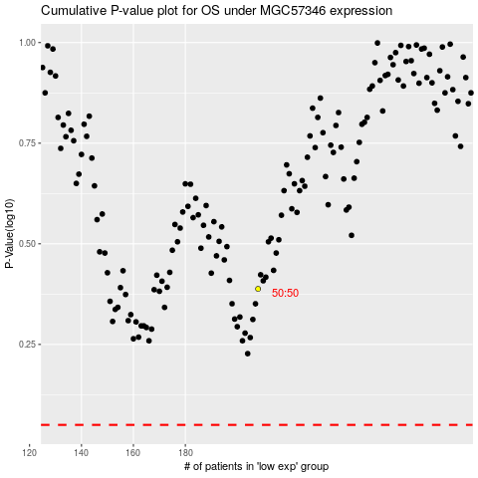

 |  |  |  |  |  | cases_OS | p_OS | rank | exp
 |  |  |  |  |  |  | cases_RFS | p_RFS | rank | exp

