MGC70857 _multivariate
Reported by Tex Li-Hsing Chi. tex@gate.sinica.edu.tw 2019-08-17

Table 2. The clinicopathological features of HNSCC cohort and MGC70857 expression. (Chi square test)
Cutoff at -0.16 (49.8%)
 |  | MGC70857 expression |  | MGC70857 expression |  | (Optimised)
 | Features | Low | (%) | High | (%) | Case no | P-value | Remark | Matthews
Gender | Female | 146 | 35.2 | 160 | 38.6 | 415 | 0.1714 | 0 | 0
2 | Male | 61 | 14.7 | 48 | 11.6
Age at diagnosis | <=65y | 134 | 32.3 | 140 | 33.7 | 415 | 0.6529 | 0 | 0
4 | >65y | 73 | 17.6 | 68 | 16.4
Clinical T Status | T1+T2 | 76 | 18.3 | 73 | 17.6 | 415 | 0.8092 | 0 | 0
6 | T3+T4 | 131 | 31.6 | 135 | 32.5
Clinical N Status | N0 | 108 | 26 | 108 | 26 | 415 | 1 | 0 | 0
8 | N1-3 | 99 | 23.9 | 100 | 24.1
Clinical M Status | M0 | 206 | 49.6 | 206 | 49.6 | 415 | 1 | 0 | 0
10 | M1 | 1 | 0.2 | 2 | 0.5
Clinical Stage | Stage I+II | 51 | 12.3 | 51 | 12.3 | 415 | 1 | 0 | 0
12 | Stage III+IV | 156 | 37.6 | 157 | 37.8
Surgical Margin status | Negative | 162 | 39 | 156 | 37.6 | 415 | 0.4867 | 0 | 0
14 | Positive | 45 | 10.8 | 52 | 12.5
Tobacco Exposure | Low | 88 | 21.2 | 73 | 17.6 | 415 | 0.1314 | 0 | 0
16 | High | 119 | 28.7 | 135 | 32.5

Table 3. Univariate/Multivariate Cox's proportional hazards regression analyses on OS time of MGC70857 gene expression in HNSCC

 |  | Univariate |  |  |  | Multivariate
 | Features | HR | CI95%(L) | CI95%(H) | P-value | HR | CI95%(L) | CI95%(H) | P-value
1 | Female | 1 |  |  |  | 1
Gender | Male | 1.157 | 0.843 | 1.587 | 0.367 | 1.215 | 0.87 | 1.697 | 0.253
11 | <=65y | 1 |  |  |  | 1
Age at diagnosis | >65y | 1.329 | 0.99 | 1.784 | 0.058 | 1.388 | 1.02 | 1.887 | 0.037
12 | T1+T2 | 1 |  |  |  | 1
Clinical T Status | T3+T4 | 1.409 | 1.028 | 1.931 | 0.033 | 2.239 | 1.184 | 4.237 | 0.013
13 | N0 | 1 |  |  |  | 1
Clinical N Status | N1-3 | 1.185 | 0.89 | 1.577 | 0.246 | 1.259 | 0.881 | 1.797 | 0.206
14 | M0 | 1 |  |  |  | 1
Clinical M Status | M1 | 4.097 | 1.009 | 16.644 | 0.049 | 9.689 | 2.111 | 44.459 | 0.003
15 | Stage I+II | 1 |  |  |  | 1
Clinical Stage | Stage III+IV | 1.245 | 0.882 | 1.759 | 0.213 | 0.496 | 0.231 | 1.065 | 0.072
16 | Negative | 1 |  |  |  | 1
Surgical Margin status | Positive | 1.591 | 1.155 | 2.191 | 0.004 | 1.694 | 1.224 | 2.343 | 0.001
17 | Low | 1 |  |  |  | 1
Tobacco Exposure | High | 1.364 | 1.008 | 1.844 | 0.044 | 1.486 | 1.075 | 2.054 | 0.016
18 | Low | 1 |  |  |  | 1
RNAseq(z-score) | High | 0.979 | 0.735 | 1.305 | 0.887 | 0.865 | 0.644 | 1.161 | 0.333

Table 4. Univariate/Multivariate Cox's proportional hazards regression analyses on RFS time of MGC70857 gene expression in HNSCC

 |  | Univariate |  |  |  | Multivariate
 | Features | HR | CI95%(L) | CI95%(H) | P-value | HR | CI95%(L) | CI95%(H) | P-value
1 | Female | 1 |  |  |  | 1
Gender | Male | 1.157 | 0.843 | 1.587 | 0.367 | 1.215 | 0.87 | 1.697 | 0.253
11 | <=65y | 1 |  |  |  | 1
Age at diagnosis | >65y | 1.329 | 0.99 | 1.784 | 0.058 | 1.388 | 1.02 | 1.887 | 0.037
12 | T1+T2 | 1 |  |  |  | 1
Clinical T Status | T3+T4 | 1.409 | 1.028 | 1.931 | 0.033 | 2.239 | 1.184 | 4.237 | 0.013
13 | N0 | 1 |  |  |  | 1
Clinical N Status | N1-3 | 1.185 | 0.89 | 1.577 | 0.246 | 1.259 | 0.881 | 1.797 | 0.206
14 | M0 | 1 |  |  |  | 1
Clinical M Status | M1 | 4.097 | 1.009 | 16.644 | 0.049 | 9.689 | 2.111 | 44.459 | 0.003
15 | Stage I+II | 1 |  |  |  | 1
Clinical Stage | Stage III+IV | 1.245 | 0.882 | 1.759 | 0.213 | 0.496 | 0.231 | 1.065 | 0.072
16 | Negative | 1 |  |  |  | 1
Surgical Margin status | Positive | 1.591 | 1.155 | 2.191 | 0.004 | 1.694 | 1.224 | 2.343 | 0.001
17 | Low | 1 |  |  |  | 1
Tobacco Exposure | High | 1.364 | 1.008 | 1.844 | 0.044 | 1.486 | 1.075 | 2.054 | 0.016
18 | Low | 1 |  |  |  | 1
RNAseq(z-score) | High | 0.979 | 0.735 | 1.305 | 0.887 | 0.865 | 0.644 | 1.161 | 0.333

Kaplan-Meier survival estimate: Cutoff at -0.16 (49.8%)



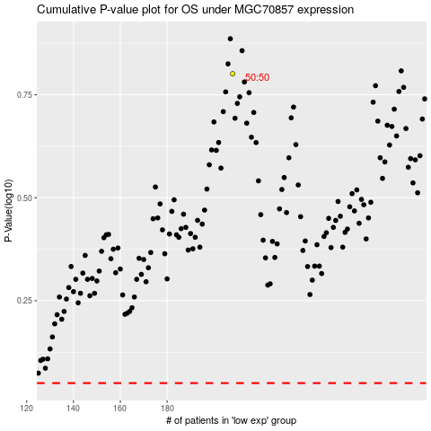

 |  |  |  |  |  | cases_OS | p_OS | rank | exp
 |  |  |  |  |  |  | cases_RFS | p_RFS | rank | exp

