MGC87042 _multivariate
Reported by Tex Li-Hsing Chi. tex@gate.sinica.edu.tw 2019-08-17

Table 2. The clinicopathological features of HNSCC cohort and MGC87042 expression. (Chi square test)
Cutoff at -0.435 (49.8%)
 |  | MGC87042 expression |  | MGC87042 expression |  | (Optimised)
 | Features | Low | (%) | High | (%) | Case no | P-value | Remark | Matthews
Gender | Female | 155 | 37.3 | 151 | 36.4 | 415 | 0.6768 | 0 | 0
2 | Male | 52 | 12.5 | 57 | 13.7
Age at diagnosis | <=65y | 134 | 32.3 | 140 | 33.7 | 415 | 0.6529 | 0 | 0
4 | >65y | 73 | 17.6 | 68 | 16.4
Clinical T Status | T1+T2 | 92 | 22.2 | 57 | 13.7 | 415 | 4e-04 | 1 | 0
6 | T3+T4 | 115 | 27.7 | 151 | 36.4
Clinical N Status | N0 | 108 | 26 | 108 | 26 | 415 | 1 | 0 | 0
8 | N1-3 | 99 | 23.9 | 100 | 24.1
Clinical M Status | M0 | 205 | 49.4 | 207 | 49.9 | 415 | 0.6232 | 0 | 0
10 | M1 | 2 | 0.5 | 1 | 0.2
Clinical Stage | Stage I+II | 61 | 14.7 | 41 | 9.9 | 415 | 0.0282 | 1 | 0
12 | Stage III+IV | 146 | 35.2 | 167 | 40.2
Surgical Margin status | Negative | 161 | 38.8 | 157 | 37.8 | 415 | 0.6429 | 0 | 0
14 | Positive | 46 | 11.1 | 51 | 12.3
Tobacco Exposure | Low | 87 | 21 | 74 | 17.8 | 415 | 0.1911 | 0 | 0
16 | High | 120 | 28.9 | 134 | 32.3

Table 3. Univariate/Multivariate Cox's proportional hazards regression analyses on OS time of MGC87042 gene expression in HNSCC

 |  | Univariate |  |  |  | Multivariate
 | Features | HR | CI95%(L) | CI95%(H) | P-value | HR | CI95%(L) | CI95%(H) | P-value
1 | Female | 1 |  |  |  | 1
Gender | Male | 1.157 | 0.843 | 1.587 | 0.367 | 1.203 | 0.86 | 1.682 | 0.281
11 | <=65y | 1 |  |  |  | 1
Age at diagnosis | >65y | 1.329 | 0.99 | 1.784 | 0.058 | 1.391 | 1.023 | 1.892 | 0.036
12 | T1+T2 | 1 |  |  |  | 1
Clinical T Status | T3+T4 | 1.409 | 1.028 | 1.931 | 0.033 | 2.208 | 1.161 | 4.198 | 0.016
13 | N0 | 1 |  |  |  | 1
Clinical N Status | N1-3 | 1.185 | 0.89 | 1.577 | 0.246 | 1.24 | 0.869 | 1.77 | 0.235
14 | M0 | 1 |  |  |  | 1
Clinical M Status | M1 | 4.097 | 1.009 | 16.644 | 0.049 | 9.405 | 2.052 | 43.113 | 0.004
15 | Stage I+II | 1 |  |  |  | 1
Clinical Stage | Stage III+IV | 1.245 | 0.882 | 1.759 | 0.213 | 0.504 | 0.234 | 1.083 | 0.079
16 | Negative | 1 |  |  |  | 1
Surgical Margin status | Positive | 1.591 | 1.155 | 2.191 | 0.004 | 1.673 | 1.209 | 2.314 | 0.002
17 | Low | 1 |  |  |  | 1
Tobacco Exposure | High | 1.364 | 1.008 | 1.844 | 0.044 | 1.455 | 1.052 | 2.012 | 0.023
18 | Low | 1 |  |  |  | 1
RNAseq(z-score) | High | 1.105 | 0.829 | 1.474 | 0.495 | 0.992 | 0.736 | 1.336 | 0.957

Table 4. Univariate/Multivariate Cox's proportional hazards regression analyses on RFS time of MGC87042 gene expression in HNSCC

 |  | Univariate |  |  |  | Multivariate
 | Features | HR | CI95%(L) | CI95%(H) | P-value | HR | CI95%(L) | CI95%(H) | P-value
1 | Female | 1 |  |  |  | 1
Gender | Male | 1.157 | 0.843 | 1.587 | 0.367 | 1.203 | 0.86 | 1.682 | 0.281
11 | <=65y | 1 |  |  |  | 1
Age at diagnosis | >65y | 1.329 | 0.99 | 1.784 | 0.058 | 1.391 | 1.023 | 1.892 | 0.036
12 | T1+T2 | 1 |  |  |  | 1
Clinical T Status | T3+T4 | 1.409 | 1.028 | 1.931 | 0.033 | 2.208 | 1.161 | 4.198 | 0.016
13 | N0 | 1 |  |  |  | 1
Clinical N Status | N1-3 | 1.185 | 0.89 | 1.577 | 0.246 | 1.24 | 0.869 | 1.77 | 0.235
14 | M0 | 1 |  |  |  | 1
Clinical M Status | M1 | 4.097 | 1.009 | 16.644 | 0.049 | 9.405 | 2.052 | 43.113 | 0.004
15 | Stage I+II | 1 |  |  |  | 1
Clinical Stage | Stage III+IV | 1.245 | 0.882 | 1.759 | 0.213 | 0.504 | 0.234 | 1.083 | 0.079
16 | Negative | 1 |  |  |  | 1
Surgical Margin status | Positive | 1.591 | 1.155 | 2.191 | 0.004 | 1.673 | 1.209 | 2.314 | 0.002
17 | Low | 1 |  |  |  | 1
Tobacco Exposure | High | 1.364 | 1.008 | 1.844 | 0.044 | 1.455 | 1.052 | 2.012 | 0.023
18 | Low | 1 |  |  |  | 1
RNAseq(z-score) | High | 1.105 | 0.829 | 1.474 | 0.495 | 0.992 | 0.736 | 1.336 | 0.957

Kaplan-Meier survival estimate: Cutoff at -0.435 (49.8%)



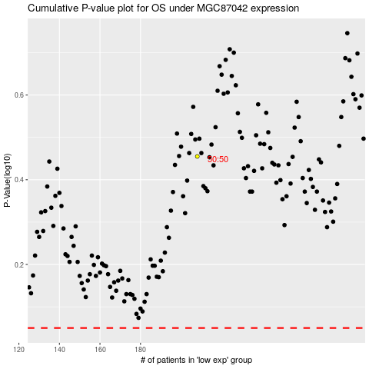

 |  |  |  |  |  | cases_OS | p_OS | rank | exp
 |  |  |  |  |  |  | cases_RFS | p_RFS | rank | exp

