MGRN1 _multivariate
Reported by Tex Li-Hsing Chi. tex@gate.sinica.edu.tw 2019-08-17

Table 2. The clinicopathological features of HNSCC cohort and MGRN1 expression. (Chi square test)
Cutoff at -0.494 (30.0%)
 |  | MGRN1 expression |  | MGRN1 expression |  | (Optimised)
 | Features | Low | (%) | High | (%) | Case no | P-value | Remark | Matthews
Gender | Female | 94 | 22.7 | 212 | 51.1 | 415 | 0.7462 | 0 | 0
2 | Male | 31 | 7.5 | 78 | 18.8
Age at diagnosis | <=65y | 83 | 20 | 191 | 46 | 415 | 1 | 0 | 0
4 | >65y | 42 | 10.1 | 99 | 23.9
Clinical T Status | T1+T2 | 41 | 9.9 | 108 | 26 | 415 | 0.451 | 0 | 0
6 | T3+T4 | 84 | 20.2 | 182 | 43.9
Clinical N Status | N0 | 61 | 14.7 | 155 | 37.3 | 415 | 0.4458 | 0 | 0
8 | N1-3 | 64 | 15.4 | 135 | 32.5
Clinical M Status | M0 | 125 | 30.1 | 287 | 69.2 | 415 | 0.5571 | 0 | 0
10 | M1 | 0 | 0 | 3 | 0.7
Clinical Stage | Stage I+II | 29 | 7 | 73 | 17.6 | 415 | 0.7612 | 0 | 0
12 | Stage III+IV | 96 | 23.1 | 217 | 52.3
Surgical Margin status | Negative | 93 | 22.4 | 225 | 54.2 | 415 | 0.5276 | 0 | 0
14 | Positive | 32 | 7.7 | 65 | 15.7
Tobacco Exposure | Low | 41 | 9.9 | 120 | 28.9 | 415 | 0.1241 | 0 | 0
16 | High | 84 | 20.2 | 170 | 41

Table 3. Univariate/Multivariate Cox's proportional hazards regression analyses on OS time of MGRN1 gene expression in HNSCC

 |  | Univariate |  |  |  | Multivariate
 | Features | HR | CI95%(L) | CI95%(H) | P-value | HR | CI95%(L) | CI95%(H) | P-value
1 | Female | 1 |  |  |  | 1
Gender | Male | 1.157 | 0.843 | 1.587 | 0.367 | 1.201 | 0.859 | 1.678 | 0.285
11 | <=65y | 1 |  |  |  | 1
Age at diagnosis | >65y | 1.329 | 0.99 | 1.784 | 0.058 | 1.362 | 1.002 | 1.851 | 0.049
12 | T1+T2 | 1 |  |  |  | 1
Clinical T Status | T3+T4 | 1.409 | 1.028 | 1.931 | 0.033 | 2.157 | 1.141 | 4.08 | 0.018
13 | N0 | 1 |  |  |  | 1
Clinical N Status | N1-3 | 1.185 | 0.89 | 1.577 | 0.246 | 1.225 | 0.859 | 1.747 | 0.262
14 | M0 | 1 |  |  |  | 1
Clinical M Status | M1 | 4.097 | 1.009 | 16.644 | 0.049 | 10.229 | 2.224 | 47.048 | 0.003
15 | Stage I+II | 1 |  |  |  | 1
Clinical Stage | Stage III+IV | 1.245 | 0.882 | 1.759 | 0.213 | 0.511 | 0.239 | 1.096 | 0.085
16 | Negative | 1 |  |  |  | 1
Surgical Margin status | Positive | 1.591 | 1.155 | 2.191 | 0.004 | 1.676 | 1.213 | 2.317 | 0.002
17 | Low | 1 |  |  |  | 1
Tobacco Exposure | High | 1.364 | 1.008 | 1.844 | 0.044 | 1.427 | 1.035 | 1.969 | 0.03
18 | Low | 1 |  |  |  | 1
RNAseq(z-score) | High | 0.706 | 0.522 | 0.955 | 0.024 | 0.751 | 0.553 | 1.019 | 0.066

Table 4. Univariate/Multivariate Cox's proportional hazards regression analyses on RFS time of MGRN1 gene expression in HNSCC

 |  | Univariate |  |  |  | Multivariate
 | Features | HR | CI95%(L) | CI95%(H) | P-value | HR | CI95%(L) | CI95%(H) | P-value
1 | Female | 1 |  |  |  | 1
Gender | Male | 1.157 | 0.843 | 1.587 | 0.367 | 1.201 | 0.859 | 1.678 | 0.285
11 | <=65y | 1 |  |  |  | 1
Age at diagnosis | >65y | 1.329 | 0.99 | 1.784 | 0.058 | 1.362 | 1.002 | 1.851 | 0.049
12 | T1+T2 | 1 |  |  |  | 1
Clinical T Status | T3+T4 | 1.409 | 1.028 | 1.931 | 0.033 | 2.157 | 1.141 | 4.08 | 0.018
13 | N0 | 1 |  |  |  | 1
Clinical N Status | N1-3 | 1.185 | 0.89 | 1.577 | 0.246 | 1.225 | 0.859 | 1.747 | 0.262
14 | M0 | 1 |  |  |  | 1
Clinical M Status | M1 | 4.097 | 1.009 | 16.644 | 0.049 | 10.229 | 2.224 | 47.048 | 0.003
15 | Stage I+II | 1 |  |  |  | 1
Clinical Stage | Stage III+IV | 1.245 | 0.882 | 1.759 | 0.213 | 0.511 | 0.239 | 1.096 | 0.085
16 | Negative | 1 |  |  |  | 1
Surgical Margin status | Positive | 1.591 | 1.155 | 2.191 | 0.004 | 1.676 | 1.213 | 2.317 | 0.002
17 | Low | 1 |  |  |  | 1
Tobacco Exposure | High | 1.364 | 1.008 | 1.844 | 0.044 | 1.427 | 1.035 | 1.969 | 0.03
18 | Low | 1 |  |  |  | 1
RNAseq(z-score) | High | 0.706 | 0.522 | 0.955 | 0.024 | 0.751 | 0.553 | 1.019 | 0.066

Kaplan-Meier survival estimate: Cutoff at -0.494 (30.0%)

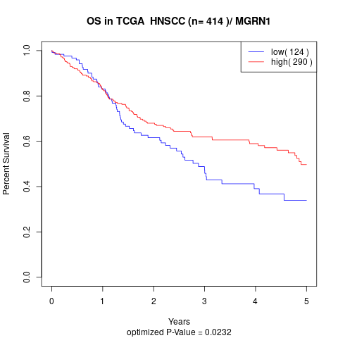

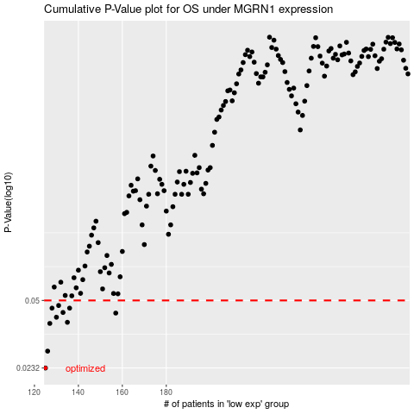

 |  |  |  |  |  | cases_OS | p_OS | rank | exp
 |  |  |  |  |  | 125 | 0.0232 | 5 | -0.49442960779
 |  |  |  |  |  | 126 | 0.0281 | 406 | -0.49204708239
 |  |  |  |  |  | 127 | 0.0385 | 305 | -0.48655677855
 |  |  |  |  |  | 135 | 0.039 | 378 | -0.42781850898
 |  |  |  |  |  | 130 | 0.0413 | 238 | -0.44786509401
 |  |  |  |  |  | 157 | 0.0433 | 365 | -0.33357583462
 |  |  |  |  |  | 133 | 0.0436 | 134 | -0.4350996348
 |  |  |  |  |  | 128 | 0.0458 | 327 | -0.45749889296
 |  |  |  |  |  | 136 | 0.0458 | 351 | -0.42716835795
 |  |  |  |  |  | 131 | 0.0472 | 44 | -0.44622730419
 |  |  |  |  |  |  | cases_RFS | p_RFS | rank | exp
 |  |  |  |  |  |  |  | 0.0232 | 214 | -0.5078970667
 |  |  |  |  |  |  | 125 | 0.0281 | 5 | -0.49442960779
 |  |  |  |  |  |  | 126 | 0.0385 | 406 | -0.49204708239
 |  |  |  |  |  |  | 134 | 0.039 | 67 | -0.43098913431
 |  |  |  |  |  |  | 129 | 0.0413 | 191 | -0.44856929335
 |  |  |  |  |  |  | 156 | 0.0433 | 161 | -0.33464517436
 |  |  |  |  |  |  | 132 | 0.0436 | 210 | -0.44004694156
 |  |  |  |  |  |  | 127 | 0.0458 | 305 | -0.48655677855
 |  |  |  |  |  |  | 135 | 0.0458 | 378 | -0.42781850898
 |  |  |  |  |  |  | 130 | 0.0472 | 238 | -0.44786509401

