MGST1 _multivariate
Reported by Tex Li-Hsing Chi. tex@gate.sinica.edu.tw 2019-08-17

Table 2. The clinicopathological features of HNSCC cohort and MGST1 expression. (Chi square test)
Cutoff at -0.56 (49.8%)
 |  | MGST1 expression |  | MGST1 expression |  | (Optimised)
 | Features | Low | (%) | High | (%) | Case no | P-value | Remark | Matthews
Gender | Female | 145 | 34.9 | 161 | 38.8 | 415 | 0.1116 | 0 | 0
2 | Male | 62 | 14.9 | 47 | 11.3
Age at diagnosis | <=65y | 130 | 31.3 | 144 | 34.7 | 415 | 0.2009 | 0 | 0
4 | >65y | 77 | 18.6 | 64 | 15.4
Clinical T Status | T1+T2 | 79 | 19 | 70 | 16.9 | 415 | 0.3924 | 0 | 0
6 | T3+T4 | 128 | 30.8 | 138 | 33.3
Clinical N Status | N0 | 108 | 26 | 108 | 26 | 415 | 1 | 0 | 0
8 | N1-3 | 99 | 23.9 | 100 | 24.1
Clinical M Status | M0 | 206 | 49.6 | 206 | 49.6 | 415 | 1 | 0 | 0
10 | M1 | 1 | 0.2 | 2 | 0.5
Clinical Stage | Stage I+II | 57 | 13.7 | 45 | 10.8 | 415 | 0.1998 | 0 | 0
12 | Stage III+IV | 150 | 36.1 | 163 | 39.3
Surgical Margin status | Negative | 157 | 37.8 | 161 | 38.8 | 415 | 0.729 | 0 | 0
14 | Positive | 50 | 12 | 47 | 11.3
Tobacco Exposure | Low | 102 | 24.6 | 59 | 14.2 | 415 | 0 | 1 | 0
16 | High | 105 | 25.3 | 149 | 35.9

Table 3. Univariate/Multivariate Cox's proportional hazards regression analyses on OS time of MGST1 gene expression in HNSCC

 |  | Univariate |  |  |  | Multivariate
 | Features | HR | CI95%(L) | CI95%(H) | P-value | HR | CI95%(L) | CI95%(H) | P-value
1 | Female | 1 |  |  |  | 1
Gender | Male | 1.157 | 0.843 | 1.587 | 0.367 | 1.185 | 0.847 | 1.658 | 0.323
11 | <=65y | 1 |  |  |  | 1
Age at diagnosis | >65y | 1.329 | 0.99 | 1.784 | 0.058 | 1.397 | 1.026 | 1.901 | 0.033
12 | T1+T2 | 1 |  |  |  | 1
Clinical T Status | T3+T4 | 1.409 | 1.028 | 1.931 | 0.033 | 2.183 | 1.155 | 4.128 | 0.016
13 | N0 | 1 |  |  |  | 1
Clinical N Status | N1-3 | 1.185 | 0.89 | 1.577 | 0.246 | 1.203 | 0.841 | 1.722 | 0.311
14 | M0 | 1 |  |  |  | 1
Clinical M Status | M1 | 4.097 | 1.009 | 16.644 | 0.049 | 9.611 | 2.095 | 44.099 | 0.004
15 | Stage I+II | 1 |  |  |  | 1
Clinical Stage | Stage III+IV | 1.245 | 0.882 | 1.759 | 0.213 | 0.522 | 0.243 | 1.123 | 0.096
16 | Negative | 1 |  |  |  | 1
Surgical Margin status | Positive | 1.591 | 1.155 | 2.191 | 0.004 | 1.663 | 1.203 | 2.298 | 0.002
17 | Low | 1 |  |  |  | 1
Tobacco Exposure | High | 1.364 | 1.008 | 1.844 | 0.044 | 1.544 | 1.104 | 2.159 | 0.011
18 | Low | 1 |  |  |  | 1
RNAseq(z-score) | High | 0.875 | 0.657 | 1.166 | 0.362 | 0.824 | 0.607 | 1.118 | 0.214

Table 4. Univariate/Multivariate Cox's proportional hazards regression analyses on RFS time of MGST1 gene expression in HNSCC

 |  | Univariate |  |  |  | Multivariate
 | Features | HR | CI95%(L) | CI95%(H) | P-value | HR | CI95%(L) | CI95%(H) | P-value
1 | Female | 1 |  |  |  | 1
Gender | Male | 1.157 | 0.843 | 1.587 | 0.367 | 1.185 | 0.847 | 1.658 | 0.323
11 | <=65y | 1 |  |  |  | 1
Age at diagnosis | >65y | 1.329 | 0.99 | 1.784 | 0.058 | 1.397 | 1.026 | 1.901 | 0.033
12 | T1+T2 | 1 |  |  |  | 1
Clinical T Status | T3+T4 | 1.409 | 1.028 | 1.931 | 0.033 | 2.183 | 1.155 | 4.128 | 0.016
13 | N0 | 1 |  |  |  | 1
Clinical N Status | N1-3 | 1.185 | 0.89 | 1.577 | 0.246 | 1.203 | 0.841 | 1.722 | 0.311
14 | M0 | 1 |  |  |  | 1
Clinical M Status | M1 | 4.097 | 1.009 | 16.644 | 0.049 | 9.611 | 2.095 | 44.099 | 0.004
15 | Stage I+II | 1 |  |  |  | 1
Clinical Stage | Stage III+IV | 1.245 | 0.882 | 1.759 | 0.213 | 0.522 | 0.243 | 1.123 | 0.096
16 | Negative | 1 |  |  |  | 1
Surgical Margin status | Positive | 1.591 | 1.155 | 2.191 | 0.004 | 1.663 | 1.203 | 2.298 | 0.002
17 | Low | 1 |  |  |  | 1
Tobacco Exposure | High | 1.364 | 1.008 | 1.844 | 0.044 | 1.544 | 1.104 | 2.159 | 0.011
18 | Low | 1 |  |  |  | 1
RNAseq(z-score) | High | 0.875 | 0.657 | 1.166 | 0.362 | 0.824 | 0.607 | 1.118 | 0.214

Kaplan-Meier survival estimate: Cutoff at -0.56 (49.8%)



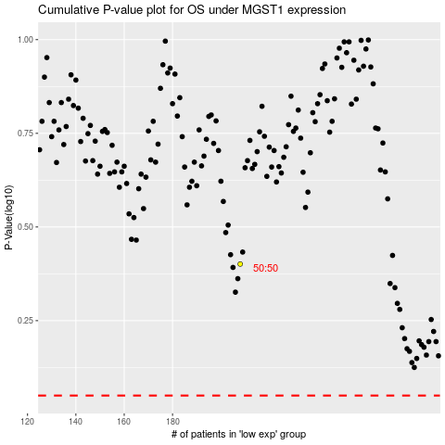

 |  |  |  |  |  | cases_OS | p_OS | rank | exp
 |  |  |  |  |  |  | cases_RFS | p_RFS | rank | exp

