MIA3 _multivariate
Reported by Tex Li-Hsing Chi. tex@gate.sinica.edu.tw 2019-08-17

Table 2. The clinicopathological features of HNSCC cohort and MIA3 expression. (Chi square test)
Cutoff at -0.154 (49.8%)
 |  | MIA3 expression |  | MIA3 expression |  | (Optimised)
 | Features | Low | (%) | High | (%) | Case no | P-value | Remark | Matthews
Gender | Female | 145 | 34.9 | 161 | 38.8 | 415 | 0.1116 | 0 | 0
2 | Male | 62 | 14.9 | 47 | 11.3
Age at diagnosis | <=65y | 136 | 32.8 | 138 | 33.3 | 415 | 0.9719 | 0 | 0
4 | >65y | 71 | 17.1 | 70 | 16.9
Clinical T Status | T1+T2 | 70 | 16.9 | 79 | 19 | 415 | 0.4343 | 0 | 0
6 | T3+T4 | 137 | 33 | 129 | 31.1
Clinical N Status | N0 | 105 | 25.3 | 111 | 26.7 | 415 | 0.6598 | 0 | 0
8 | N1-3 | 102 | 24.6 | 97 | 23.4
Clinical M Status | M0 | 204 | 49.2 | 208 | 50.1 | 415 | 0.1232 | 0 | 0
10 | M1 | 3 | 0.7 | 0 | 0
Clinical Stage | Stage I+II | 51 | 12.3 | 51 | 12.3 | 415 | 1 | 0 | 0
12 | Stage III+IV | 156 | 37.6 | 157 | 37.8
Surgical Margin status | Negative | 155 | 37.3 | 163 | 39.3 | 415 | 0.4187 | 0 | 0
14 | Positive | 52 | 12.5 | 45 | 10.8
Tobacco Exposure | Low | 85 | 20.5 | 76 | 18.3 | 415 | 0.3655 | 0 | 0
16 | High | 122 | 29.4 | 132 | 31.8

Table 3. Univariate/Multivariate Cox's proportional hazards regression analyses on OS time of MIA3 gene expression in HNSCC

 |  | Univariate |  |  |  | Multivariate
 | Features | HR | CI95%(L) | CI95%(H) | P-value | HR | CI95%(L) | CI95%(H) | P-value
1 | Female | 1 |  |  |  | 1
Gender | Male | 1.157 | 0.843 | 1.587 | 0.367 | 1.176 | 0.839 | 1.648 | 0.348
11 | <=65y | 1 |  |  |  | 1
Age at diagnosis | >65y | 1.329 | 0.99 | 1.784 | 0.058 | 1.39 | 1.022 | 1.89 | 0.036
12 | T1+T2 | 1 |  |  |  | 1
Clinical T Status | T3+T4 | 1.409 | 1.028 | 1.931 | 0.033 | 2.161 | 1.142 | 4.088 | 0.018
13 | N0 | 1 |  |  |  | 1
Clinical N Status | N1-3 | 1.185 | 0.89 | 1.577 | 0.246 | 1.232 | 0.863 | 1.757 | 0.251
14 | M0 | 1 |  |  |  | 1
Clinical M Status | M1 | 4.097 | 1.009 | 16.644 | 0.049 | 8.468 | 1.831 | 39.166 | 0.006
15 | Stage I+II | 1 |  |  |  | 1
Clinical Stage | Stage III+IV | 1.245 | 0.882 | 1.759 | 0.213 | 0.515 | 0.24 | 1.107 | 0.089
16 | Negative | 1 |  |  |  | 1
Surgical Margin status | Positive | 1.591 | 1.155 | 2.191 | 0.004 | 1.663 | 1.203 | 2.298 | 0.002
17 | Low | 1 |  |  |  | 1
Tobacco Exposure | High | 1.364 | 1.008 | 1.844 | 0.044 | 1.461 | 1.059 | 2.017 | 0.021
18 | Low | 1 |  |  |  | 1
RNAseq(z-score) | High | 0.79 | 0.592 | 1.053 | 0.108 | 0.836 | 0.624 | 1.121 | 0.232

Table 4. Univariate/Multivariate Cox's proportional hazards regression analyses on RFS time of MIA3 gene expression in HNSCC

 |  | Univariate |  |  |  | Multivariate
 | Features | HR | CI95%(L) | CI95%(H) | P-value | HR | CI95%(L) | CI95%(H) | P-value
1 | Female | 1 |  |  |  | 1
Gender | Male | 1.157 | 0.843 | 1.587 | 0.367 | 1.176 | 0.839 | 1.648 | 0.348
11 | <=65y | 1 |  |  |  | 1
Age at diagnosis | >65y | 1.329 | 0.99 | 1.784 | 0.058 | 1.39 | 1.022 | 1.89 | 0.036
12 | T1+T2 | 1 |  |  |  | 1
Clinical T Status | T3+T4 | 1.409 | 1.028 | 1.931 | 0.033 | 2.161 | 1.142 | 4.088 | 0.018
13 | N0 | 1 |  |  |  | 1
Clinical N Status | N1-3 | 1.185 | 0.89 | 1.577 | 0.246 | 1.232 | 0.863 | 1.757 | 0.251
14 | M0 | 1 |  |  |  | 1
Clinical M Status | M1 | 4.097 | 1.009 | 16.644 | 0.049 | 8.468 | 1.831 | 39.166 | 0.006
15 | Stage I+II | 1 |  |  |  | 1
Clinical Stage | Stage III+IV | 1.245 | 0.882 | 1.759 | 0.213 | 0.515 | 0.24 | 1.107 | 0.089
16 | Negative | 1 |  |  |  | 1
Surgical Margin status | Positive | 1.591 | 1.155 | 2.191 | 0.004 | 1.663 | 1.203 | 2.298 | 0.002
17 | Low | 1 |  |  |  | 1
Tobacco Exposure | High | 1.364 | 1.008 | 1.844 | 0.044 | 1.461 | 1.059 | 2.017 | 0.021
18 | Low | 1 |  |  |  | 1
RNAseq(z-score) | High | 0.79 | 0.592 | 1.053 | 0.108 | 0.836 | 0.624 | 1.121 | 0.232

Kaplan-Meier survival estimate: Cutoff at -0.154 (49.8%)



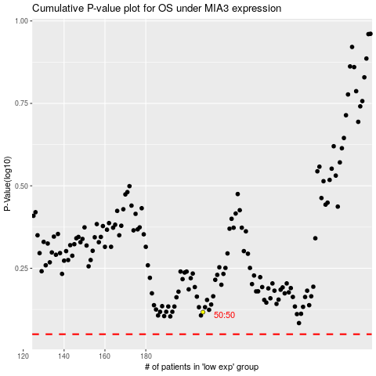

 |  |  |  |  |  | cases_OS | p_OS | rank | exp
 |  |  |  |  |  |  | cases_RFS | p_RFS | rank | exp

