MIB1 _multivariate
Reported by Tex Li-Hsing Chi. tex@gate.sinica.edu.tw 2019-08-17

Table 2. The clinicopathological features of HNSCC cohort and MIB1 expression. (Chi square test)
Cutoff at -0.02 (49.8%)
 |  | MIB1 expression |  | MIB1 expression |  | (Optimised)
 | Features | Low | (%) | High | (%) | Case no | P-value | Remark | Matthews
Gender | Female | 152 | 36.6 | 154 | 37.1 | 415 | 0.9766 | 0 | 0
2 | Male | 55 | 13.3 | 54 | 13
Age at diagnosis | <=65y | 136 | 32.8 | 138 | 33.3 | 415 | 0.9719 | 0 | 0
4 | >65y | 71 | 17.1 | 70 | 16.9
Clinical T Status | T1+T2 | 76 | 18.3 | 73 | 17.6 | 415 | 0.8092 | 0 | 0
6 | T3+T4 | 131 | 31.6 | 135 | 32.5
Clinical N Status | N0 | 110 | 26.5 | 106 | 25.5 | 415 | 0.7294 | 0 | 0
8 | N1-3 | 97 | 23.4 | 102 | 24.6
Clinical M Status | M0 | 204 | 49.2 | 208 | 50.1 | 415 | 0.1232 | 0 | 0
10 | M1 | 3 | 0.7 | 0 | 0
Clinical Stage | Stage I+II | 49 | 11.8 | 53 | 12.8 | 415 | 0.7535 | 0 | 0
12 | Stage III+IV | 158 | 38.1 | 155 | 37.3
Surgical Margin status | Negative | 158 | 38.1 | 160 | 38.6 | 415 | 0.9081 | 0 | 0
14 | Positive | 49 | 11.8 | 48 | 11.6
Tobacco Exposure | Low | 82 | 19.8 | 79 | 19 | 415 | 0.763 | 0 | 0
16 | High | 125 | 30.1 | 129 | 31.1

Table 3. Univariate/Multivariate Cox's proportional hazards regression analyses on OS time of MIB1 gene expression in HNSCC

 |  | Univariate |  |  |  | Multivariate
 | Features | HR | CI95%(L) | CI95%(H) | P-value | HR | CI95%(L) | CI95%(H) | P-value
1 | Female | 1 |  |  |  | 1
Gender | Male | 1.157 | 0.843 | 1.587 | 0.367 | 1.206 | 0.864 | 1.683 | 0.271
11 | <=65y | 1 |  |  |  | 1
Age at diagnosis | >65y | 1.329 | 0.99 | 1.784 | 0.058 | 1.399 | 1.028 | 1.902 | 0.032
12 | T1+T2 | 1 |  |  |  | 1
Clinical T Status | T3+T4 | 1.409 | 1.028 | 1.931 | 0.033 | 2.199 | 1.163 | 4.158 | 0.015
13 | N0 | 1 |  |  |  | 1
Clinical N Status | N1-3 | 1.185 | 0.89 | 1.577 | 0.246 | 1.238 | 0.868 | 1.766 | 0.239
14 | M0 | 1 |  |  |  | 1
Clinical M Status | M1 | 4.097 | 1.009 | 16.644 | 0.049 | 9.901 | 2.142 | 45.773 | 0.003
15 | Stage I+II | 1 |  |  |  | 1
Clinical Stage | Stage III+IV | 1.245 | 0.882 | 1.759 | 0.213 | 0.507 | 0.236 | 1.087 | 0.081
16 | Negative | 1 |  |  |  | 1
Surgical Margin status | Positive | 1.591 | 1.155 | 2.191 | 0.004 | 1.68 | 1.215 | 2.323 | 0.002
17 | Low | 1 |  |  |  | 1
Tobacco Exposure | High | 1.364 | 1.008 | 1.844 | 0.044 | 1.459 | 1.059 | 2.01 | 0.021
18 | Low | 1 |  |  |  | 1
RNAseq(z-score) | High | 1.027 | 0.77 | 1.368 | 0.857 | 1.1 | 0.823 | 1.472 | 0.519

Table 4. Univariate/Multivariate Cox's proportional hazards regression analyses on RFS time of MIB1 gene expression in HNSCC

 |  | Univariate |  |  |  | Multivariate
 | Features | HR | CI95%(L) | CI95%(H) | P-value | HR | CI95%(L) | CI95%(H) | P-value
1 | Female | 1 |  |  |  | 1
Gender | Male | 1.157 | 0.843 | 1.587 | 0.367 | 1.206 | 0.864 | 1.683 | 0.271
11 | <=65y | 1 |  |  |  | 1
Age at diagnosis | >65y | 1.329 | 0.99 | 1.784 | 0.058 | 1.399 | 1.028 | 1.902 | 0.032
12 | T1+T2 | 1 |  |  |  | 1
Clinical T Status | T3+T4 | 1.409 | 1.028 | 1.931 | 0.033 | 2.199 | 1.163 | 4.158 | 0.015
13 | N0 | 1 |  |  |  | 1
Clinical N Status | N1-3 | 1.185 | 0.89 | 1.577 | 0.246 | 1.238 | 0.868 | 1.766 | 0.239
14 | M0 | 1 |  |  |  | 1
Clinical M Status | M1 | 4.097 | 1.009 | 16.644 | 0.049 | 9.901 | 2.142 | 45.773 | 0.003
15 | Stage I+II | 1 |  |  |  | 1
Clinical Stage | Stage III+IV | 1.245 | 0.882 | 1.759 | 0.213 | 0.507 | 0.236 | 1.087 | 0.081
16 | Negative | 1 |  |  |  | 1
Surgical Margin status | Positive | 1.591 | 1.155 | 2.191 | 0.004 | 1.68 | 1.215 | 2.323 | 0.002
17 | Low | 1 |  |  |  | 1
Tobacco Exposure | High | 1.364 | 1.008 | 1.844 | 0.044 | 1.459 | 1.059 | 2.01 | 0.021
18 | Low | 1 |  |  |  | 1
RNAseq(z-score) | High | 1.027 | 0.77 | 1.368 | 0.857 | 1.1 | 0.823 | 1.472 | 0.519

Kaplan-Meier survival estimate: Cutoff at -0.02 (49.8%)



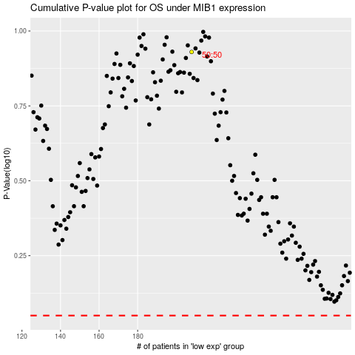

 |  |  |  |  |  | cases_OS | p_OS | rank | exp
 |  |  |  |  |  |  | cases_RFS | p_RFS | rank | exp

