MIDN _multivariate
Reported by Tex Li-Hsing Chi. tex@gate.sinica.edu.tw 2019-08-17

Table 2. The clinicopathological features of HNSCC cohort and MIDN expression. (Chi square test)
Cutoff at -0.558 (31.6%)
 |  | MIDN expression |  | MIDN expression |  | (Optimised)
 | Features | Low | (%) | High | (%) | Case no | P-value | Remark | Matthews
Gender | Female | 97 | 23.4 | 209 | 50.4 | 415 | 1 | 0 | 0
2 | Male | 34 | 8.2 | 75 | 18.1
Age at diagnosis | <=65y | 91 | 21.9 | 183 | 44.1 | 415 | 0.3714 | 0 | 0
4 | >65y | 40 | 9.6 | 101 | 24.3
Clinical T Status | T1+T2 | 48 | 11.6 | 101 | 24.3 | 415 | 0.9182 | 0 | 0
6 | T3+T4 | 83 | 20 | 183 | 44.1
Clinical N Status | N0 | 58 | 14 | 158 | 38.1 | 415 | 0.0406 | 1 | 0
8 | N1-3 | 73 | 17.6 | 126 | 30.4
Clinical M Status | M0 | 129 | 31.1 | 283 | 68.2 | 415 | 0.2354 | 0 | 0
10 | M1 | 2 | 0.5 | 1 | 0.2
Clinical Stage | Stage I+II | 29 | 7 | 73 | 17.6 | 415 | 0.5081 | 0 | 0
12 | Stage III+IV | 102 | 24.6 | 211 | 50.8
Surgical Margin status | Negative | 96 | 23.1 | 222 | 53.5 | 415 | 0.3181 | 0 | 0
14 | Positive | 35 | 8.4 | 62 | 14.9
Tobacco Exposure | Low | 45 | 10.8 | 116 | 28 | 415 | 0.2336 | 0 | 0
16 | High | 86 | 20.7 | 168 | 40.5

Table 3. Univariate/Multivariate Cox's proportional hazards regression analyses on OS time of MIDN gene expression in HNSCC

 |  | Univariate |  |  |  | Multivariate
 | Features | HR | CI95%(L) | CI95%(H) | P-value | HR | CI95%(L) | CI95%(H) | P-value
1 | Female | 1 |  |  |  | 1
Gender | Male | 1.157 | 0.843 | 1.587 | 0.367 | 1.208 | 0.866 | 1.684 | 0.266
11 | <=65y | 1 |  |  |  | 1
Age at diagnosis | >65y | 1.329 | 0.99 | 1.784 | 0.058 | 1.419 | 1.042 | 1.932 | 0.026
12 | T1+T2 | 1 |  |  |  | 1
Clinical T Status | T3+T4 | 1.409 | 1.028 | 1.931 | 0.033 | 2.25 | 1.188 | 4.263 | 0.013
13 | N0 | 1 |  |  |  | 1
Clinical N Status | N1-3 | 1.185 | 0.89 | 1.577 | 0.246 | 1.229 | 0.861 | 1.756 | 0.256
14 | M0 | 1 |  |  |  | 1
Clinical M Status | M1 | 4.097 | 1.009 | 16.644 | 0.049 | 8.268 | 1.795 | 38.089 | 0.007
15 | Stage I+II | 1 |  |  |  | 1
Clinical Stage | Stage III+IV | 1.245 | 0.882 | 1.759 | 0.213 | 0.492 | 0.229 | 1.057 | 0.069
16 | Negative | 1 |  |  |  | 1
Surgical Margin status | Positive | 1.591 | 1.155 | 2.191 | 0.004 | 1.688 | 1.22 | 2.334 | 0.002
17 | Low | 1 |  |  |  | 1
Tobacco Exposure | High | 1.364 | 1.008 | 1.844 | 0.044 | 1.441 | 1.047 | 1.984 | 0.025
18 | Low | 1 |  |  |  | 1
RNAseq(z-score) | High | 0.721 | 0.535 | 0.972 | 0.032 | 0.717 | 0.529 | 0.97 | 0.031

Table 4. Univariate/Multivariate Cox's proportional hazards regression analyses on RFS time of MIDN gene expression in HNSCC

 |  | Univariate |  |  |  | Multivariate
 | Features | HR | CI95%(L) | CI95%(H) | P-value | HR | CI95%(L) | CI95%(H) | P-value
1 | Female | 1 |  |  |  | 1
Gender | Male | 1.157 | 0.843 | 1.587 | 0.367 | 1.208 | 0.866 | 1.684 | 0.266
11 | <=65y | 1 |  |  |  | 1
Age at diagnosis | >65y | 1.329 | 0.99 | 1.784 | 0.058 | 1.419 | 1.042 | 1.932 | 0.026
12 | T1+T2 | 1 |  |  |  | 1
Clinical T Status | T3+T4 | 1.409 | 1.028 | 1.931 | 0.033 | 2.25 | 1.188 | 4.263 | 0.013
13 | N0 | 1 |  |  |  | 1
Clinical N Status | N1-3 | 1.185 | 0.89 | 1.577 | 0.246 | 1.229 | 0.861 | 1.756 | 0.256
14 | M0 | 1 |  |  |  | 1
Clinical M Status | M1 | 4.097 | 1.009 | 16.644 | 0.049 | 8.268 | 1.795 | 38.089 | 0.007
15 | Stage I+II | 1 |  |  |  | 1
Clinical Stage | Stage III+IV | 1.245 | 0.882 | 1.759 | 0.213 | 0.492 | 0.229 | 1.057 | 0.069
16 | Negative | 1 |  |  |  | 1
Surgical Margin status | Positive | 1.591 | 1.155 | 2.191 | 0.004 | 1.688 | 1.22 | 2.334 | 0.002
17 | Low | 1 |  |  |  | 1
Tobacco Exposure | High | 1.364 | 1.008 | 1.844 | 0.044 | 1.441 | 1.047 | 1.984 | 0.025
18 | Low | 1 |  |  |  | 1
RNAseq(z-score) | High | 0.721 | 0.535 | 0.972 | 0.032 | 0.717 | 0.529 | 0.97 | 0.031

Kaplan-Meier survival estimate: Cutoff at -0.558 (31.6%)

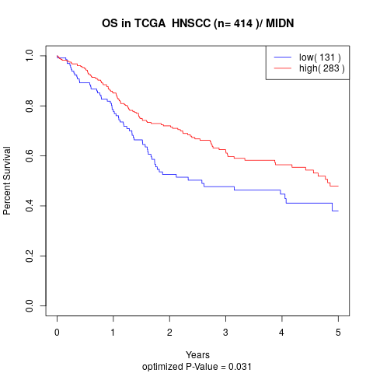

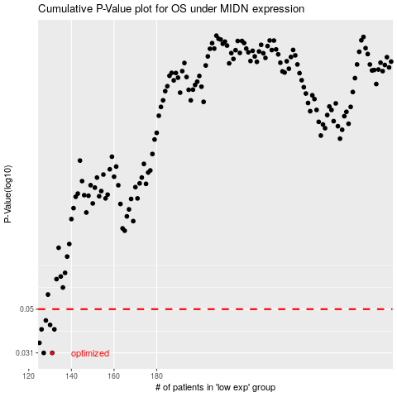

 |  |  |  |  |  | cases_OS | p_OS | rank | exp
 |  |  |  |  |  | 131 | 0.031 | 6 | -0.55847488434
 |  |  |  |  |  | 127 | 0.031 | 111 | -0.57746670789
 |  |  |  |  |  | 125 | 0.0346 | 353 | -0.5835451122
 |  |  |  |  |  | 126 | 0.0401 | 143 | -0.58280224917
 |  |  |  |  |  | 132 | 0.0401 | 219 | -0.55298515617
 |  |  |  |  |  | 130 | 0.0421 | 227 | -0.56877190112
 |  |  |  |  |  | 128 | 0.0442 | 193 | -0.57436296621
 |  |  |  |  |  |  | cases_RFS | p_RFS | rank | exp
 |  |  |  |  |  |  | 126 | 0.031 | 143 | -0.58280224917
 |  |  |  |  |  |  | 130 | 0.031 | 227 | -0.56877190112
 |  |  |  |  |  |  |  | 0.0346 | 311 | -0.58652405552
 |  |  |  |  |  |  | 131 | 0.0401 | 6 | -0.55847488434
 |  |  |  |  |  |  | 125 | 0.0401 | 353 | -0.5835451122
 |  |  |  |  |  |  | 129 | 0.0421 | 70 | -0.57405360459
 |  |  |  |  |  |  | 127 | 0.0442 | 111 | -0.57746670789

