MIF4GD _multivariate
Reported by Tex Li-Hsing Chi. tex@gate.sinica.edu.tw 2019-08-17

Table 2. The clinicopathological features of HNSCC cohort and MIF4GD expression. (Chi square test)
Cutoff at -0.295 (49.8%)
 |  | MIF4GD expression |  | MIF4GD expression |  | (Optimised)
 | Features | Low | (%) | High | (%) | Case no | P-value | Remark | Matthews
Gender | Female | 151 | 36.4 | 155 | 37.3 | 415 | 0.8007 | 0 | 0
2 | Male | 56 | 13.5 | 53 | 12.8
Age at diagnosis | <=65y | 136 | 32.8 | 138 | 33.3 | 415 | 0.9719 | 0 | 0
4 | >65y | 71 | 17.1 | 70 | 16.9
Clinical T Status | T1+T2 | 69 | 16.6 | 80 | 19.3 | 415 | 0.3239 | 0 | 0
6 | T3+T4 | 138 | 33.3 | 128 | 30.8
Clinical N Status | N0 | 109 | 26.3 | 107 | 25.8 | 415 | 0.8812 | 0 | 0
8 | N1-3 | 98 | 23.6 | 101 | 24.3
Clinical M Status | M0 | 206 | 49.6 | 206 | 49.6 | 415 | 1 | 0 | 0
10 | M1 | 1 | 0.2 | 2 | 0.5
Clinical Stage | Stage I+II | 52 | 12.5 | 50 | 12 | 415 | 0.8871 | 0 | 0
12 | Stage III+IV | 155 | 37.3 | 158 | 38.1
Surgical Margin status | Negative | 148 | 35.7 | 170 | 41 | 415 | 0.015 | 1 | 0
14 | Positive | 59 | 14.2 | 38 | 9.2
Tobacco Exposure | Low | 85 | 20.5 | 76 | 18.3 | 415 | 0.3655 | 0 | 0
16 | High | 122 | 29.4 | 132 | 31.8

Table 3. Univariate/Multivariate Cox's proportional hazards regression analyses on OS time of MIF4GD gene expression in HNSCC

 |  | Univariate |  |  |  | Multivariate
 | Features | HR | CI95%(L) | CI95%(H) | P-value | HR | CI95%(L) | CI95%(H) | P-value
1 | Female | 1 |  |  |  | 1
Gender | Male | 1.157 | 0.843 | 1.587 | 0.367 | 1.201 | 0.86 | 1.677 | 0.282
11 | <=65y | 1 |  |  |  | 1
Age at diagnosis | >65y | 1.329 | 0.99 | 1.784 | 0.058 | 1.396 | 1.027 | 1.899 | 0.033
12 | T1+T2 | 1 |  |  |  | 1
Clinical T Status | T3+T4 | 1.409 | 1.028 | 1.931 | 0.033 | 2.221 | 1.173 | 4.207 | 0.014
13 | N0 | 1 |  |  |  | 1
Clinical N Status | N1-3 | 1.185 | 0.89 | 1.577 | 0.246 | 1.237 | 0.867 | 1.765 | 0.242
14 | M0 | 1 |  |  |  | 1
Clinical M Status | M1 | 4.097 | 1.009 | 16.644 | 0.049 | 9.32 | 2.032 | 42.754 | 0.004
15 | Stage I+II | 1 |  |  |  | 1
Clinical Stage | Stage III+IV | 1.245 | 0.882 | 1.759 | 0.213 | 0.501 | 0.233 | 1.076 | 0.076
16 | Negative | 1 |  |  |  | 1
Surgical Margin status | Positive | 1.591 | 1.155 | 2.191 | 0.004 | 1.686 | 1.217 | 2.336 | 0.002
17 | Low | 1 |  |  |  | 1
Tobacco Exposure | High | 1.364 | 1.008 | 1.844 | 0.044 | 1.442 | 1.045 | 1.99 | 0.026
18 | Low | 1 |  |  |  | 1
RNAseq(z-score) | High | 1.012 | 0.76 | 1.349 | 0.933 | 1.062 | 0.792 | 1.425 | 0.686

Table 4. Univariate/Multivariate Cox's proportional hazards regression analyses on RFS time of MIF4GD gene expression in HNSCC

 |  | Univariate |  |  |  | Multivariate
 | Features | HR | CI95%(L) | CI95%(H) | P-value | HR | CI95%(L) | CI95%(H) | P-value
1 | Female | 1 |  |  |  | 1
Gender | Male | 1.157 | 0.843 | 1.587 | 0.367 | 1.201 | 0.86 | 1.677 | 0.282
11 | <=65y | 1 |  |  |  | 1
Age at diagnosis | >65y | 1.329 | 0.99 | 1.784 | 0.058 | 1.396 | 1.027 | 1.899 | 0.033
12 | T1+T2 | 1 |  |  |  | 1
Clinical T Status | T3+T4 | 1.409 | 1.028 | 1.931 | 0.033 | 2.221 | 1.173 | 4.207 | 0.014
13 | N0 | 1 |  |  |  | 1
Clinical N Status | N1-3 | 1.185 | 0.89 | 1.577 | 0.246 | 1.237 | 0.867 | 1.765 | 0.242
14 | M0 | 1 |  |  |  | 1
Clinical M Status | M1 | 4.097 | 1.009 | 16.644 | 0.049 | 9.32 | 2.032 | 42.754 | 0.004
15 | Stage I+II | 1 |  |  |  | 1
Clinical Stage | Stage III+IV | 1.245 | 0.882 | 1.759 | 0.213 | 0.501 | 0.233 | 1.076 | 0.076
16 | Negative | 1 |  |  |  | 1
Surgical Margin status | Positive | 1.591 | 1.155 | 2.191 | 0.004 | 1.686 | 1.217 | 2.336 | 0.002
17 | Low | 1 |  |  |  | 1
Tobacco Exposure | High | 1.364 | 1.008 | 1.844 | 0.044 | 1.442 | 1.045 | 1.99 | 0.026
18 | Low | 1 |  |  |  | 1
RNAseq(z-score) | High | 1.012 | 0.76 | 1.349 | 0.933 | 1.062 | 0.792 | 1.425 | 0.686

Kaplan-Meier survival estimate: Cutoff at -0.295 (49.8%)

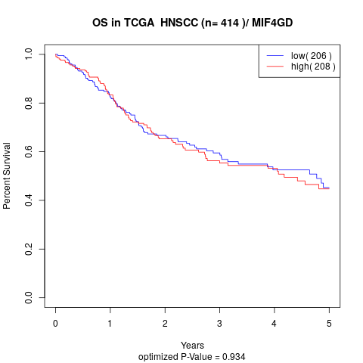

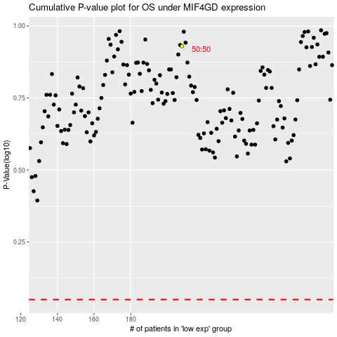

 |  |  |  |  |  | cases_OS | p_OS | rank | exp
 |  |  |  |  |  |  | cases_RFS | p_RFS | rank | exp

