MIIP _multivariate
Reported by Tex Li-Hsing Chi. tex@gate.sinica.edu.tw 2019-08-17

Table 2. The clinicopathological features of HNSCC cohort and MIIP expression. (Chi square test)
Cutoff at -0.189 (50.0%)
 |  | MIIP expression |  | MIIP expression |  | (Optimised)
 | Features | Low | (%) | High | (%) | Case no | P-value | Remark | Matthews
Gender | Female | 142 | 34.2 | 164 | 39.5 | 415 | 0.0238 | 1 | 0
2 | Male | 65 | 15.7 | 44 | 10.6
Age at diagnosis | <=65y | 136 | 32.8 | 138 | 33.3 | 415 | 0.9719 | 0 | 0
4 | >65y | 71 | 17.1 | 70 | 16.9
Clinical T Status | T1+T2 | 80 | 19.3 | 69 | 16.6 | 415 | 0.2891 | 0 | 0
6 | T3+T4 | 127 | 30.6 | 139 | 33.5
Clinical N Status | N0 | 117 | 28.2 | 99 | 23.9 | 415 | 0.0852 | 1 | 0
8 | N1-3 | 90 | 21.7 | 109 | 26.3
Clinical M Status | M0 | 206 | 49.6 | 206 | 49.6 | 415 | 1 | 0 | 0
10 | M1 | 1 | 0.2 | 2 | 0.5
Clinical Stage | Stage I+II | 56 | 13.5 | 46 | 11.1 | 415 | 0.2918 | 0 | 0
12 | Stage III+IV | 151 | 36.4 | 162 | 39
Surgical Margin status | Negative | 159 | 38.3 | 159 | 38.3 | 415 | 1 | 0 | 0
14 | Positive | 48 | 11.6 | 49 | 11.8
Tobacco Exposure | Low | 83 | 20 | 78 | 18.8 | 415 | 0.6152 | 0 | 0
16 | High | 124 | 29.9 | 130 | 31.3

Table 3. Univariate/Multivariate Cox's proportional hazards regression analyses on OS time of MIIP gene expression in HNSCC

 |  | Univariate |  |  |  | Multivariate
 | Features | HR | CI95%(L) | CI95%(H) | P-value | HR | CI95%(L) | CI95%(H) | P-value
1 | Female | 1 |  |  |  | 1
Gender | Male | 1.157 | 0.843 | 1.587 | 0.367 | 1.169 | 0.835 | 1.636 | 0.362
11 | <=65y | 1 |  |  |  | 1
Age at diagnosis | >65y | 1.329 | 0.99 | 1.784 | 0.058 | 1.41 | 1.037 | 1.918 | 0.028
12 | T1+T2 | 1 |  |  |  | 1
Clinical T Status | T3+T4 | 1.409 | 1.028 | 1.931 | 0.033 | 2.262 | 1.194 | 4.286 | 0.012
13 | N0 | 1 |  |  |  | 1
Clinical N Status | N1-3 | 1.185 | 0.89 | 1.577 | 0.246 | 1.277 | 0.893 | 1.826 | 0.181
14 | M0 | 1 |  |  |  | 1
Clinical M Status | M1 | 4.097 | 1.009 | 16.644 | 0.049 | 10.105 | 2.197 | 46.472 | 0.003
15 | Stage I+II | 1 |  |  |  | 1
Clinical Stage | Stage III+IV | 1.245 | 0.882 | 1.759 | 0.213 | 0.487 | 0.226 | 1.047 | 0.065
16 | Negative | 1 |  |  |  | 1
Surgical Margin status | Positive | 1.591 | 1.155 | 2.191 | 0.004 | 1.692 | 1.223 | 2.339 | 0.001
17 | Low | 1 |  |  |  | 1
Tobacco Exposure | High | 1.364 | 1.008 | 1.844 | 0.044 | 1.457 | 1.057 | 2.009 | 0.022
18 | Low | 1 |  |  |  | 1
RNAseq(z-score) | High | 0.872 | 0.653 | 1.166 | 0.357 | 0.809 | 0.602 | 1.087 | 0.16

Table 4. Univariate/Multivariate Cox's proportional hazards regression analyses on RFS time of MIIP gene expression in HNSCC

 |  | Univariate |  |  |  | Multivariate
 | Features | HR | CI95%(L) | CI95%(H) | P-value | HR | CI95%(L) | CI95%(H) | P-value
1 | Female | 1 |  |  |  | 1
Gender | Male | 1.157 | 0.843 | 1.587 | 0.367 | 1.169 | 0.835 | 1.636 | 0.362
11 | <=65y | 1 |  |  |  | 1
Age at diagnosis | >65y | 1.329 | 0.99 | 1.784 | 0.058 | 1.41 | 1.037 | 1.918 | 0.028
12 | T1+T2 | 1 |  |  |  | 1
Clinical T Status | T3+T4 | 1.409 | 1.028 | 1.931 | 0.033 | 2.262 | 1.194 | 4.286 | 0.012
13 | N0 | 1 |  |  |  | 1
Clinical N Status | N1-3 | 1.185 | 0.89 | 1.577 | 0.246 | 1.277 | 0.893 | 1.826 | 0.181
14 | M0 | 1 |  |  |  | 1
Clinical M Status | M1 | 4.097 | 1.009 | 16.644 | 0.049 | 10.105 | 2.197 | 46.472 | 0.003
15 | Stage I+II | 1 |  |  |  | 1
Clinical Stage | Stage III+IV | 1.245 | 0.882 | 1.759 | 0.213 | 0.487 | 0.226 | 1.047 | 0.065
16 | Negative | 1 |  |  |  | 1
Surgical Margin status | Positive | 1.591 | 1.155 | 2.191 | 0.004 | 1.692 | 1.223 | 2.339 | 0.001
17 | Low | 1 |  |  |  | 1
Tobacco Exposure | High | 1.364 | 1.008 | 1.844 | 0.044 | 1.457 | 1.057 | 2.009 | 0.022
18 | Low | 1 |  |  |  | 1
RNAseq(z-score) | High | 0.872 | 0.653 | 1.166 | 0.357 | 0.809 | 0.602 | 1.087 | 0.16

Kaplan-Meier survival estimate: Cutoff at -0.189 (50.0%)



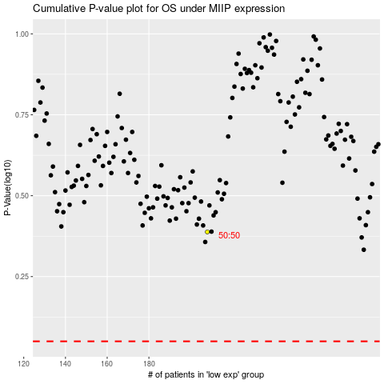

 |  |  |  |  |  | cases_OS | p_OS | rank | exp
 |  |  |  |  |  |  | cases_RFS | p_RFS | rank | exp

