MIOS _multivariate
Reported by Tex Li-Hsing Chi. tex@gate.sinica.edu.tw 2019-08-17

Table 2. The clinicopathological features of HNSCC cohort and MIOS expression. (Chi square test)
Cutoff at -0.293 (50.0%)
 |  | MIOS expression |  | MIOS expression |  | (Optimised)
 | Features | Low | (%) | High | (%) | Case no | P-value | Remark | Matthews
Gender | Female | 159 | 38.3 | 147 | 35.4 | 415 | 0.1905 | 0 | 0
2 | Male | 48 | 11.6 | 61 | 14.7
Age at diagnosis | <=65y | 136 | 32.8 | 138 | 33.3 | 415 | 0.9719 | 0 | 0
4 | >65y | 71 | 17.1 | 70 | 16.9
Clinical T Status | T1+T2 | 74 | 17.8 | 75 | 18.1 | 415 | 1 | 0 | 0
6 | T3+T4 | 133 | 32 | 133 | 32
Clinical N Status | N0 | 103 | 24.8 | 113 | 27.2 | 415 | 0.4047 | 0 | 0
8 | N1-3 | 104 | 25.1 | 95 | 22.9
Clinical M Status | M0 | 207 | 49.9 | 205 | 49.4 | 415 | 0.2482 | 0 | 0
10 | M1 | 0 | 0 | 3 | 0.7
Clinical Stage | Stage I+II | 46 | 11.1 | 56 | 13.5 | 415 | 0.3182 | 0 | 0
12 | Stage III+IV | 161 | 38.8 | 152 | 36.6
Surgical Margin status | Negative | 158 | 38.1 | 160 | 38.6 | 415 | 0.9081 | 0 | 0
14 | Positive | 49 | 11.8 | 48 | 11.6
Tobacco Exposure | Low | 77 | 18.6 | 84 | 20.2 | 415 | 0.5459 | 0 | 0
16 | High | 130 | 31.3 | 124 | 29.9

Table 3. Univariate/Multivariate Cox's proportional hazards regression analyses on OS time of MIOS gene expression in HNSCC

 |  | Univariate |  |  |  | Multivariate
 | Features | HR | CI95%(L) | CI95%(H) | P-value | HR | CI95%(L) | CI95%(H) | P-value
1 | Female | 1 |  |  |  | 1
Gender | Male | 1.157 | 0.843 | 1.587 | 0.367 | 1.209 | 0.865 | 1.69 | 0.267
11 | <=65y | 1 |  |  |  | 1
Age at diagnosis | >65y | 1.329 | 0.99 | 1.784 | 0.058 | 1.391 | 1.023 | 1.891 | 0.035
12 | T1+T2 | 1 |  |  |  | 1
Clinical T Status | T3+T4 | 1.409 | 1.028 | 1.931 | 0.033 | 2.241 | 1.182 | 4.248 | 0.013
13 | N0 | 1 |  |  |  | 1
Clinical N Status | N1-3 | 1.185 | 0.89 | 1.577 | 0.246 | 1.24 | 0.869 | 1.769 | 0.236
14 | M0 | 1 |  |  |  | 1
Clinical M Status | M1 | 4.097 | 1.009 | 16.644 | 0.049 | 10.018 | 2.151 | 46.65 | 0.003
15 | Stage I+II | 1 |  |  |  | 1
Clinical Stage | Stage III+IV | 1.245 | 0.882 | 1.759 | 0.213 | 0.493 | 0.229 | 1.062 | 0.071
16 | Negative | 1 |  |  |  | 1
Surgical Margin status | Positive | 1.591 | 1.155 | 2.191 | 0.004 | 1.681 | 1.216 | 2.324 | 0.002
17 | Low | 1 |  |  |  | 1
Tobacco Exposure | High | 1.364 | 1.008 | 1.844 | 0.044 | 1.455 | 1.056 | 2.005 | 0.022
18 | Low | 1 |  |  |  | 1
RNAseq(z-score) | High | 0.991 | 0.744 | 1.321 | 0.953 | 0.919 | 0.686 | 1.23 | 0.568

Table 4. Univariate/Multivariate Cox's proportional hazards regression analyses on RFS time of MIOS gene expression in HNSCC

 |  | Univariate |  |  |  | Multivariate
 | Features | HR | CI95%(L) | CI95%(H) | P-value | HR | CI95%(L) | CI95%(H) | P-value
1 | Female | 1 |  |  |  | 1
Gender | Male | 1.157 | 0.843 | 1.587 | 0.367 | 1.209 | 0.865 | 1.69 | 0.267
11 | <=65y | 1 |  |  |  | 1
Age at diagnosis | >65y | 1.329 | 0.99 | 1.784 | 0.058 | 1.391 | 1.023 | 1.891 | 0.035
12 | T1+T2 | 1 |  |  |  | 1
Clinical T Status | T3+T4 | 1.409 | 1.028 | 1.931 | 0.033 | 2.241 | 1.182 | 4.248 | 0.013
13 | N0 | 1 |  |  |  | 1
Clinical N Status | N1-3 | 1.185 | 0.89 | 1.577 | 0.246 | 1.24 | 0.869 | 1.769 | 0.236
14 | M0 | 1 |  |  |  | 1
Clinical M Status | M1 | 4.097 | 1.009 | 16.644 | 0.049 | 10.018 | 2.151 | 46.65 | 0.003
15 | Stage I+II | 1 |  |  |  | 1
Clinical Stage | Stage III+IV | 1.245 | 0.882 | 1.759 | 0.213 | 0.493 | 0.229 | 1.062 | 0.071
16 | Negative | 1 |  |  |  | 1
Surgical Margin status | Positive | 1.591 | 1.155 | 2.191 | 0.004 | 1.681 | 1.216 | 2.324 | 0.002
17 | Low | 1 |  |  |  | 1
Tobacco Exposure | High | 1.364 | 1.008 | 1.844 | 0.044 | 1.455 | 1.056 | 2.005 | 0.022
18 | Low | 1 |  |  |  | 1
RNAseq(z-score) | High | 0.991 | 0.744 | 1.321 | 0.953 | 0.919 | 0.686 | 1.23 | 0.568

Kaplan-Meier survival estimate: Cutoff at -0.293 (50.0%)



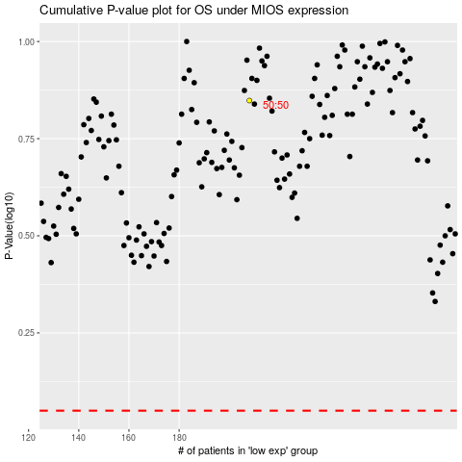

 |  |  |  |  |  | cases_OS | p_OS | rank | exp
 |  |  |  |  |  |  | cases_RFS | p_RFS | rank | exp

