MIOX _multivariate
Reported by Tex Li-Hsing Chi. tex@gate.sinica.edu.tw 2019-08-17

Table 2. The clinicopathological features of HNSCC cohort and MIOX expression. (Chi square test)
Cutoff at -0.307 (50.0%)
 |  | MIOX expression |  | MIOX expression |  | (Optimised)
 | Features | Low | (%) | High | (%) | Case no | P-value | Remark | Matthews
Gender | Female | 146 | 35.2 | 160 | 38.6 | 415 | 0.1714 | 0 | 0
2 | Male | 61 | 14.7 | 48 | 11.6
Age at diagnosis | <=65y | 122 | 29.4 | 152 | 36.6 | 415 | 0.0033 | 1 | 0
4 | >65y | 85 | 20.5 | 56 | 13.5
Clinical T Status | T1+T2 | 81 | 19.5 | 68 | 16.4 | 415 | 0.206 | 0 | 0
6 | T3+T4 | 126 | 30.4 | 140 | 33.7
Clinical N Status | N0 | 115 | 27.7 | 101 | 24.3 | 415 | 0.184 | 1 | 0
8 | N1-3 | 92 | 22.2 | 107 | 25.8
Clinical M Status | M0 | 206 | 49.6 | 206 | 49.6 | 415 | 1 | 0 | 0
10 | M1 | 1 | 0.2 | 2 | 0.5
Clinical Stage | Stage I+II | 61 | 14.7 | 41 | 9.9 | 415 | 0.0282 | 1 | 0
12 | Stage III+IV | 146 | 35.2 | 167 | 40.2
Surgical Margin status | Negative | 158 | 38.1 | 160 | 38.6 | 415 | 0.9081 | 0 | 0
14 | Positive | 49 | 11.8 | 48 | 11.6
Tobacco Exposure | Low | 85 | 20.5 | 76 | 18.3 | 415 | 0.3655 | 0 | 0
16 | High | 122 | 29.4 | 132 | 31.8

Table 3. Univariate/Multivariate Cox's proportional hazards regression analyses on OS time of MIOX gene expression in HNSCC

 |  | Univariate |  |  |  | Multivariate
 | Features | HR | CI95%(L) | CI95%(H) | P-value | HR | CI95%(L) | CI95%(H) | P-value
1 | Female | 1 |  |  |  | 1
Gender | Male | 1.157 | 0.843 | 1.587 | 0.367 | 1.19 | 0.851 | 1.663 | 0.309
11 | <=65y | 1 |  |  |  | 1
Age at diagnosis | >65y | 1.329 | 0.99 | 1.784 | 0.058 | 1.366 | 1.002 | 1.863 | 0.049
12 | T1+T2 | 1 |  |  |  | 1
Clinical T Status | T3+T4 | 1.409 | 1.028 | 1.931 | 0.033 | 2.207 | 1.167 | 4.174 | 0.015
13 | N0 | 1 |  |  |  | 1
Clinical N Status | N1-3 | 1.185 | 0.89 | 1.577 | 0.246 | 1.246 | 0.873 | 1.778 | 0.225
14 | M0 | 1 |  |  |  | 1
Clinical M Status | M1 | 4.097 | 1.009 | 16.644 | 0.049 | 9.479 | 2.067 | 43.467 | 0.004
15 | Stage I+II | 1 |  |  |  | 1
Clinical Stage | Stage III+IV | 1.245 | 0.882 | 1.759 | 0.213 | 0.511 | 0.238 | 1.096 | 0.085
16 | Negative | 1 |  |  |  | 1
Surgical Margin status | Positive | 1.591 | 1.155 | 2.191 | 0.004 | 1.679 | 1.215 | 2.32 | 0.002
17 | Low | 1 |  |  |  | 1
Tobacco Exposure | High | 1.364 | 1.008 | 1.844 | 0.044 | 1.457 | 1.057 | 2.009 | 0.021
18 | Low | 1 |  |  |  | 1
RNAseq(z-score) | High | 0.862 | 0.647 | 1.148 | 0.309 | 0.874 | 0.652 | 1.172 | 0.369

Table 4. Univariate/Multivariate Cox's proportional hazards regression analyses on RFS time of MIOX gene expression in HNSCC

 |  | Univariate |  |  |  | Multivariate
 | Features | HR | CI95%(L) | CI95%(H) | P-value | HR | CI95%(L) | CI95%(H) | P-value
1 | Female | 1 |  |  |  | 1
Gender | Male | 1.157 | 0.843 | 1.587 | 0.367 | 1.19 | 0.851 | 1.663 | 0.309
11 | <=65y | 1 |  |  |  | 1
Age at diagnosis | >65y | 1.329 | 0.99 | 1.784 | 0.058 | 1.366 | 1.002 | 1.863 | 0.049
12 | T1+T2 | 1 |  |  |  | 1
Clinical T Status | T3+T4 | 1.409 | 1.028 | 1.931 | 0.033 | 2.207 | 1.167 | 4.174 | 0.015
13 | N0 | 1 |  |  |  | 1
Clinical N Status | N1-3 | 1.185 | 0.89 | 1.577 | 0.246 | 1.246 | 0.873 | 1.778 | 0.225
14 | M0 | 1 |  |  |  | 1
Clinical M Status | M1 | 4.097 | 1.009 | 16.644 | 0.049 | 9.479 | 2.067 | 43.467 | 0.004
15 | Stage I+II | 1 |  |  |  | 1
Clinical Stage | Stage III+IV | 1.245 | 0.882 | 1.759 | 0.213 | 0.511 | 0.238 | 1.096 | 0.085
16 | Negative | 1 |  |  |  | 1
Surgical Margin status | Positive | 1.591 | 1.155 | 2.191 | 0.004 | 1.679 | 1.215 | 2.32 | 0.002
17 | Low | 1 |  |  |  | 1
Tobacco Exposure | High | 1.364 | 1.008 | 1.844 | 0.044 | 1.457 | 1.057 | 2.009 | 0.021
18 | Low | 1 |  |  |  | 1
RNAseq(z-score) | High | 0.862 | 0.647 | 1.148 | 0.309 | 0.874 | 0.652 | 1.172 | 0.369

Kaplan-Meier survival estimate: Cutoff at -0.307 (50.0%)



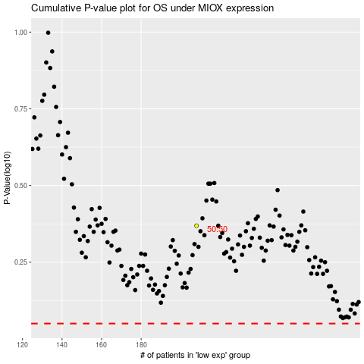

 |  |  |  |  |  | cases_OS | p_OS | rank | exp
 |  |  |  |  |  |  | cases_RFS | p_RFS | rank | exp

