MIR17HG _multivariate
Reported by Tex Li-Hsing Chi. tex@gate.sinica.edu.tw 2019-08-17

Table 2. The clinicopathological features of HNSCC cohort and MIR17HG expression. (Chi square test)
Cutoff at -0.337 (50.0%)
 |  | MIR17HG expression |  | MIR17HG expression |  | (Optimised)
 | Features | Low | (%) | High | (%) | Case no | P-value | Remark | Matthews
Gender | Female | 149 | 35.9 | 157 | 37.8 | 415 | 0.4848 | 0 | 0
2 | Male | 58 | 14 | 51 | 12.3
Age at diagnosis | <=65y | 137 | 33 | 137 | 33 | 415 | 1 | 0 | 0
4 | >65y | 70 | 16.9 | 71 | 17.1
Clinical T Status | T1+T2 | 74 | 17.8 | 75 | 18.1 | 415 | 1 | 0 | 0
6 | T3+T4 | 133 | 32 | 133 | 32
Clinical N Status | N0 | 108 | 26 | 108 | 26 | 415 | 1 | 0 | 0
8 | N1-3 | 99 | 23.9 | 100 | 24.1
Clinical M Status | M0 | 205 | 49.4 | 207 | 49.9 | 415 | 0.6232 | 0 | 0
10 | M1 | 2 | 0.5 | 1 | 0.2
Clinical Stage | Stage I+II | 51 | 12.3 | 51 | 12.3 | 415 | 1 | 0 | 0
12 | Stage III+IV | 156 | 37.6 | 157 | 37.8
Surgical Margin status | Negative | 166 | 40 | 152 | 36.6 | 415 | 0.1042 | 0 | 0
14 | Positive | 41 | 9.9 | 56 | 13.5
Tobacco Exposure | Low | 80 | 19.3 | 81 | 19.5 | 415 | 1 | 0 | 0
16 | High | 127 | 30.6 | 127 | 30.6

Table 3. Univariate/Multivariate Cox's proportional hazards regression analyses on OS time of MIR17HG gene expression in HNSCC

 |  | Univariate |  |  |  | Multivariate
 | Features | HR | CI95%(L) | CI95%(H) | P-value | HR | CI95%(L) | CI95%(H) | P-value
1 | Female | 1 |  |  |  | 1
Gender | Male | 1.157 | 0.843 | 1.587 | 0.367 | 1.191 | 0.853 | 1.663 | 0.305
11 | <=65y | 1 |  |  |  | 1
Age at diagnosis | >65y | 1.329 | 0.99 | 1.784 | 0.058 | 1.4 | 1.03 | 1.905 | 0.032
12 | T1+T2 | 1 |  |  |  | 1
Clinical T Status | T3+T4 | 1.409 | 1.028 | 1.931 | 0.033 | 2.218 | 1.173 | 4.194 | 0.014
13 | N0 | 1 |  |  |  | 1
Clinical N Status | N1-3 | 1.185 | 0.89 | 1.577 | 0.246 | 1.25 | 0.876 | 1.784 | 0.218
14 | M0 | 1 |  |  |  | 1
Clinical M Status | M1 | 4.097 | 1.009 | 16.644 | 0.049 | 8.899 | 1.938 | 40.866 | 0.005
15 | Stage I+II | 1 |  |  |  | 1
Clinical Stage | Stage III+IV | 1.245 | 0.882 | 1.759 | 0.213 | 0.494 | 0.23 | 1.061 | 0.071
16 | Negative | 1 |  |  |  | 1
Surgical Margin status | Positive | 1.591 | 1.155 | 2.191 | 0.004 | 1.726 | 1.245 | 2.392 | 0.001
17 | Low | 1 |  |  |  | 1
Tobacco Exposure | High | 1.364 | 1.008 | 1.844 | 0.044 | 1.471 | 1.067 | 2.028 | 0.019
18 | Low | 1 |  |  |  | 1
RNAseq(z-score) | High | 0.857 | 0.641 | 1.148 | 0.301 | 0.807 | 0.601 | 1.084 | 0.154

Table 4. Univariate/Multivariate Cox's proportional hazards regression analyses on RFS time of MIR17HG gene expression in HNSCC

 |  | Univariate |  |  |  | Multivariate
 | Features | HR | CI95%(L) | CI95%(H) | P-value | HR | CI95%(L) | CI95%(H) | P-value
1 | Female | 1 |  |  |  | 1
Gender | Male | 1.157 | 0.843 | 1.587 | 0.367 | 1.191 | 0.853 | 1.663 | 0.305
11 | <=65y | 1 |  |  |  | 1
Age at diagnosis | >65y | 1.329 | 0.99 | 1.784 | 0.058 | 1.4 | 1.03 | 1.905 | 0.032
12 | T1+T2 | 1 |  |  |  | 1
Clinical T Status | T3+T4 | 1.409 | 1.028 | 1.931 | 0.033 | 2.218 | 1.173 | 4.194 | 0.014
13 | N0 | 1 |  |  |  | 1
Clinical N Status | N1-3 | 1.185 | 0.89 | 1.577 | 0.246 | 1.25 | 0.876 | 1.784 | 0.218
14 | M0 | 1 |  |  |  | 1
Clinical M Status | M1 | 4.097 | 1.009 | 16.644 | 0.049 | 8.899 | 1.938 | 40.866 | 0.005
15 | Stage I+II | 1 |  |  |  | 1
Clinical Stage | Stage III+IV | 1.245 | 0.882 | 1.759 | 0.213 | 0.494 | 0.23 | 1.061 | 0.071
16 | Negative | 1 |  |  |  | 1
Surgical Margin status | Positive | 1.591 | 1.155 | 2.191 | 0.004 | 1.726 | 1.245 | 2.392 | 0.001
17 | Low | 1 |  |  |  | 1
Tobacco Exposure | High | 1.364 | 1.008 | 1.844 | 0.044 | 1.471 | 1.067 | 2.028 | 0.019
18 | Low | 1 |  |  |  | 1
RNAseq(z-score) | High | 0.857 | 0.641 | 1.148 | 0.301 | 0.807 | 0.601 | 1.084 | 0.154

Kaplan-Meier survival estimate: Cutoff at -0.337 (50.0%)



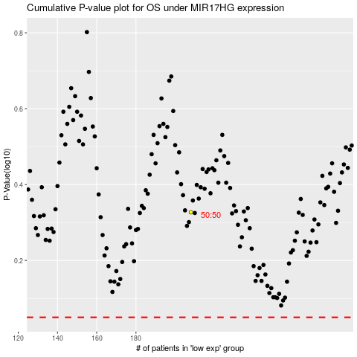

 |  |  |  |  |  | cases_OS | p_OS | rank | exp
 |  |  |  |  |  |  | cases_RFS | p_RFS | rank | exp

