MIS12 _multivariate
Reported by Tex Li-Hsing Chi. tex@gate.sinica.edu.tw 2019-08-17

Table 2. The clinicopathological features of HNSCC cohort and MIS12 expression. (Chi square test)
Cutoff at -0.133 (49.8%)
 |  | MIS12 expression |  | MIS12 expression |  | (Optimised)
 | Features | Low | (%) | High | (%) | Case no | P-value | Remark | Matthews
Gender | Female | 134 | 32.3 | 172 | 41.4 | 415 | 1e-04 | 1 | 0
2 | Male | 73 | 17.6 | 36 | 8.7
Age at diagnosis | <=65y | 127 | 30.6 | 147 | 35.4 | 415 | 0.0573 | 0 | 0
4 | >65y | 80 | 19.3 | 61 | 14.7
Clinical T Status | T1+T2 | 69 | 16.6 | 80 | 19.3 | 415 | 0.3239 | 0 | 0
6 | T3+T4 | 138 | 33.3 | 128 | 30.8
Clinical N Status | N0 | 111 | 26.7 | 105 | 25.3 | 415 | 0.5875 | 0 | 0
8 | N1-3 | 96 | 23.1 | 103 | 24.8
Clinical M Status | M0 | 206 | 49.6 | 206 | 49.6 | 415 | 1 | 0 | 0
10 | M1 | 1 | 0.2 | 2 | 0.5
Clinical Stage | Stage I+II | 52 | 12.5 | 50 | 12 | 415 | 0.8871 | 0 | 0
12 | Stage III+IV | 155 | 37.3 | 158 | 38.1
Surgical Margin status | Negative | 163 | 39.3 | 155 | 37.3 | 415 | 0.3537 | 0 | 0
14 | Positive | 44 | 10.6 | 53 | 12.8
Tobacco Exposure | Low | 85 | 20.5 | 76 | 18.3 | 415 | 0.3655 | 0 | 0
16 | High | 122 | 29.4 | 132 | 31.8

Table 3. Univariate/Multivariate Cox's proportional hazards regression analyses on OS time of MIS12 gene expression in HNSCC

 |  | Univariate |  |  |  | Multivariate
 | Features | HR | CI95%(L) | CI95%(H) | P-value | HR | CI95%(L) | CI95%(H) | P-value
1 | Female | 1 |  |  |  | 1
Gender | Male | 1.157 | 0.843 | 1.587 | 0.367 | 1.242 | 0.885 | 1.743 | 0.211
11 | <=65y | 1 |  |  |  | 1
Age at diagnosis | >65y | 1.329 | 0.99 | 1.784 | 0.058 | 1.41 | 1.037 | 1.919 | 0.029
12 | T1+T2 | 1 |  |  |  | 1
Clinical T Status | T3+T4 | 1.409 | 1.028 | 1.931 | 0.033 | 2.291 | 1.208 | 4.345 | 0.011
13 | N0 | 1 |  |  |  | 1
Clinical N Status | N1-3 | 1.185 | 0.89 | 1.577 | 0.246 | 1.261 | 0.883 | 1.8 | 0.202
14 | M0 | 1 |  |  |  | 1
Clinical M Status | M1 | 4.097 | 1.009 | 16.644 | 0.049 | 9.24 | 2.015 | 42.377 | 0.004
15 | Stage I+II | 1 |  |  |  | 1
Clinical Stage | Stage III+IV | 1.245 | 0.882 | 1.759 | 0.213 | 0.485 | 0.225 | 1.044 | 0.064
16 | Negative | 1 |  |  |  | 1
Surgical Margin status | Positive | 1.591 | 1.155 | 2.191 | 0.004 | 1.662 | 1.203 | 2.296 | 0.002
17 | Low | 1 |  |  |  | 1
Tobacco Exposure | High | 1.364 | 1.008 | 1.844 | 0.044 | 1.453 | 1.054 | 2.001 | 0.022
18 | Low | 1 |  |  |  | 1
RNAseq(z-score) | High | 1.132 | 0.848 | 1.51 | 0.4 | 1.208 | 0.899 | 1.623 | 0.21

Table 4. Univariate/Multivariate Cox's proportional hazards regression analyses on RFS time of MIS12 gene expression in HNSCC

 |  | Univariate |  |  |  | Multivariate
 | Features | HR | CI95%(L) | CI95%(H) | P-value | HR | CI95%(L) | CI95%(H) | P-value
1 | Female | 1 |  |  |  | 1
Gender | Male | 1.157 | 0.843 | 1.587 | 0.367 | 1.242 | 0.885 | 1.743 | 0.211
11 | <=65y | 1 |  |  |  | 1
Age at diagnosis | >65y | 1.329 | 0.99 | 1.784 | 0.058 | 1.41 | 1.037 | 1.919 | 0.029
12 | T1+T2 | 1 |  |  |  | 1
Clinical T Status | T3+T4 | 1.409 | 1.028 | 1.931 | 0.033 | 2.291 | 1.208 | 4.345 | 0.011
13 | N0 | 1 |  |  |  | 1
Clinical N Status | N1-3 | 1.185 | 0.89 | 1.577 | 0.246 | 1.261 | 0.883 | 1.8 | 0.202
14 | M0 | 1 |  |  |  | 1
Clinical M Status | M1 | 4.097 | 1.009 | 16.644 | 0.049 | 9.24 | 2.015 | 42.377 | 0.004
15 | Stage I+II | 1 |  |  |  | 1
Clinical Stage | Stage III+IV | 1.245 | 0.882 | 1.759 | 0.213 | 0.485 | 0.225 | 1.044 | 0.064
16 | Negative | 1 |  |  |  | 1
Surgical Margin status | Positive | 1.591 | 1.155 | 2.191 | 0.004 | 1.662 | 1.203 | 2.296 | 0.002
17 | Low | 1 |  |  |  | 1
Tobacco Exposure | High | 1.364 | 1.008 | 1.844 | 0.044 | 1.453 | 1.054 | 2.001 | 0.022
18 | Low | 1 |  |  |  | 1
RNAseq(z-score) | High | 1.132 | 0.848 | 1.51 | 0.4 | 1.208 | 0.899 | 1.623 | 0.21

Kaplan-Meier survival estimate: Cutoff at -0.133 (49.8%)



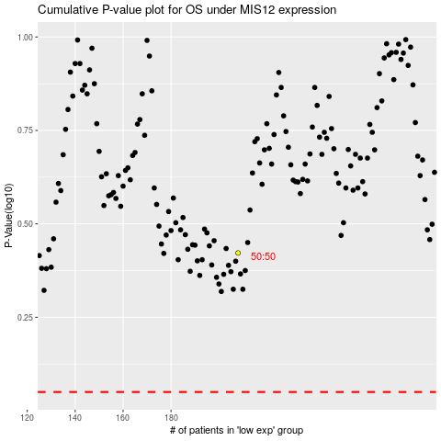

 |  |  |  |  |  | cases_OS | p_OS | rank | exp
 |  |  |  |  |  |  | cases_RFS | p_RFS | rank | exp

