MITD1 _multivariate
Reported by Tex Li-Hsing Chi. tex@gate.sinica.edu.tw 2019-08-17

Table 2. The clinicopathological features of HNSCC cohort and MITD1 expression. (Chi square test)
Cutoff at -0.483 (37.4%)
 |  | MITD1 expression |  | MITD1 expression |  | (Optimised)
 | Features | Low | (%) | High | (%) | Case no | P-value | Remark | Matthews
Gender | Female | 112 | 27 | 194 | 46.7 | 415 | 0.6799 | 0 | 0
2 | Male | 43 | 10.4 | 66 | 15.9
Age at diagnosis | <=65y | 103 | 24.8 | 171 | 41.2 | 415 | 0.9722 | 0 | 0
4 | >65y | 52 | 12.5 | 89 | 21.4
Clinical T Status | T1+T2 | 59 | 14.2 | 90 | 21.7 | 415 | 0.5467 | 0 | 0
6 | T3+T4 | 96 | 23.1 | 170 | 41
Clinical N Status | N0 | 92 | 22.2 | 124 | 29.9 | 415 | 0.0279 | 1 | 0
8 | N1-3 | 63 | 15.2 | 136 | 32.8
Clinical M Status | M0 | 155 | 37.3 | 257 | 61.9 | 415 | 0.2963 | 0 | 0
10 | M1 | 0 | 0 | 3 | 0.7
Clinical Stage | Stage I+II | 45 | 10.8 | 57 | 13.7 | 415 | 0.1312 | 0 | 0
12 | Stage III+IV | 110 | 26.5 | 203 | 48.9
Surgical Margin status | Negative | 127 | 30.6 | 191 | 46 | 415 | 0.0551 | 0 | 0
14 | Positive | 28 | 6.7 | 69 | 16.6
Tobacco Exposure | Low | 63 | 15.2 | 98 | 23.6 | 415 | 0.6028 | 0 | 0
16 | High | 92 | 22.2 | 162 | 39

Table 3. Univariate/Multivariate Cox's proportional hazards regression analyses on OS time of MITD1 gene expression in HNSCC

 |  | Univariate |  |  |  | Multivariate
 | Features | HR | CI95%(L) | CI95%(H) | P-value | HR | CI95%(L) | CI95%(H) | P-value
1 | Female | 1 |  |  |  | 1
Gender | Male | 1.157 | 0.843 | 1.587 | 0.367 | 1.19 | 0.852 | 1.662 | 0.309
11 | <=65y | 1 |  |  |  | 1
Age at diagnosis | >65y | 1.329 | 0.99 | 1.784 | 0.058 | 1.394 | 1.026 | 1.894 | 0.034
12 | T1+T2 | 1 |  |  |  | 1
Clinical T Status | T3+T4 | 1.409 | 1.028 | 1.931 | 0.033 | 2.223 | 1.175 | 4.204 | 0.014
13 | N0 | 1 |  |  |  | 1
Clinical N Status | N1-3 | 1.185 | 0.89 | 1.577 | 0.246 | 1.222 | 0.856 | 1.744 | 0.269
14 | M0 | 1 |  |  |  | 1
Clinical M Status | M1 | 4.097 | 1.009 | 16.644 | 0.049 | 8.727 | 1.9 | 40.088 | 0.005
15 | Stage I+II | 1 |  |  |  | 1
Clinical Stage | Stage III+IV | 1.245 | 0.882 | 1.759 | 0.213 | 0.496 | 0.231 | 1.064 | 0.072
16 | Negative | 1 |  |  |  | 1
Surgical Margin status | Positive | 1.591 | 1.155 | 2.191 | 0.004 | 1.615 | 1.166 | 2.237 | 0.004
17 | Low | 1 |  |  |  | 1
Tobacco Exposure | High | 1.364 | 1.008 | 1.844 | 0.044 | 1.434 | 1.041 | 1.975 | 0.027
18 | Low | 1 |  |  |  | 1
RNAseq(z-score) | High | 1.371 | 1.014 | 1.853 | 0.041 | 1.282 | 0.943 | 1.744 | 0.113

Table 4. Univariate/Multivariate Cox's proportional hazards regression analyses on RFS time of MITD1 gene expression in HNSCC

 |  | Univariate |  |  |  | Multivariate
 | Features | HR | CI95%(L) | CI95%(H) | P-value | HR | CI95%(L) | CI95%(H) | P-value
1 | Female | 1 |  |  |  | 1
Gender | Male | 1.157 | 0.843 | 1.587 | 0.367 | 1.19 | 0.852 | 1.662 | 0.309
11 | <=65y | 1 |  |  |  | 1
Age at diagnosis | >65y | 1.329 | 0.99 | 1.784 | 0.058 | 1.394 | 1.026 | 1.894 | 0.034
12 | T1+T2 | 1 |  |  |  | 1
Clinical T Status | T3+T4 | 1.409 | 1.028 | 1.931 | 0.033 | 2.223 | 1.175 | 4.204 | 0.014
13 | N0 | 1 |  |  |  | 1
Clinical N Status | N1-3 | 1.185 | 0.89 | 1.577 | 0.246 | 1.222 | 0.856 | 1.744 | 0.269
14 | M0 | 1 |  |  |  | 1
Clinical M Status | M1 | 4.097 | 1.009 | 16.644 | 0.049 | 8.727 | 1.9 | 40.088 | 0.005
15 | Stage I+II | 1 |  |  |  | 1
Clinical Stage | Stage III+IV | 1.245 | 0.882 | 1.759 | 0.213 | 0.496 | 0.231 | 1.064 | 0.072
16 | Negative | 1 |  |  |  | 1
Surgical Margin status | Positive | 1.591 | 1.155 | 2.191 | 0.004 | 1.615 | 1.166 | 2.237 | 0.004
17 | Low | 1 |  |  |  | 1
Tobacco Exposure | High | 1.364 | 1.008 | 1.844 | 0.044 | 1.434 | 1.041 | 1.975 | 0.027
18 | Low | 1 |  |  |  | 1
RNAseq(z-score) | High | 1.371 | 1.014 | 1.853 | 0.041 | 1.282 | 0.943 | 1.744 | 0.113

Kaplan-Meier survival estimate: Cutoff at -0.483 (37.4%)



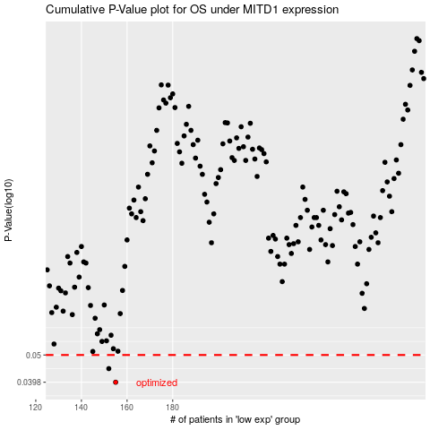

 |  |  |  |  |  | cases_OS | p_OS | rank | exp
 |  |  |  |  |  | 155 | 0.0398 | 125 | -0.4829569327
 |  |  |  |  |  | 152 | 0.0446 | 62 | -0.49907059789
 |  |  |  |  |  |  | cases_RFS | p_RFS | rank | exp
 |  |  |  |  |  |  | 154 | 0.0398 | 190 | -0.48353727441
 |  |  |  |  |  |  | 151 | 0.0446 | 127 | -0.50241031753

