MITF _multivariate
Reported by Tex Li-Hsing Chi. tex@gate.sinica.edu.tw 2019-08-17

Table 2. The clinicopathological features of HNSCC cohort and MITF expression. (Chi square test)
Cutoff at -0.286 (50.0%)
 |  | MITF expression |  | MITF expression |  | (Optimised)
 | Features | Low | (%) | High | (%) | Case no | P-value | Remark | Matthews
Gender | Female | 155 | 37.3 | 151 | 36.4 | 415 | 0.6768 | 0 | 0
2 | Male | 52 | 12.5 | 57 | 13.7
Age at diagnosis | <=65y | 133 | 32 | 141 | 34 | 415 | 0.5111 | 0 | 0
4 | >65y | 74 | 17.8 | 67 | 16.1
Clinical T Status | T1+T2 | 63 | 15.2 | 86 | 20.7 | 415 | 0.0268 | 1 | 0
6 | T3+T4 | 144 | 34.7 | 122 | 29.4
Clinical N Status | N0 | 112 | 27 | 104 | 25.1 | 415 | 0.4599 | 0 | 0
8 | N1-3 | 95 | 22.9 | 104 | 25.1
Clinical M Status | M0 | 204 | 49.2 | 208 | 50.1 | 415 | 0.1232 | 0 | 0
10 | M1 | 3 | 0.7 | 0 | 0
Clinical Stage | Stage I+II | 46 | 11.1 | 56 | 13.5 | 415 | 0.3182 | 0 | 0
12 | Stage III+IV | 161 | 38.8 | 152 | 36.6
Surgical Margin status | Negative | 154 | 37.1 | 164 | 39.5 | 415 | 0.2984 | 0 | 0
14 | Positive | 53 | 12.8 | 44 | 10.6
Tobacco Exposure | Low | 82 | 19.8 | 79 | 19 | 415 | 0.763 | 0 | 0
16 | High | 125 | 30.1 | 129 | 31.1

Table 3. Univariate/Multivariate Cox's proportional hazards regression analyses on OS time of MITF gene expression in HNSCC

 |  | Univariate |  |  |  | Multivariate
 | Features | HR | CI95%(L) | CI95%(H) | P-value | HR | CI95%(L) | CI95%(H) | P-value
1 | Female | 1 |  |  |  | 1
Gender | Male | 1.157 | 0.843 | 1.587 | 0.367 | 1.199 | 0.859 | 1.674 | 0.285
11 | <=65y | 1 |  |  |  | 1
Age at diagnosis | >65y | 1.329 | 0.99 | 1.784 | 0.058 | 1.398 | 1.028 | 1.899 | 0.033
12 | T1+T2 | 1 |  |  |  | 1
Clinical T Status | T3+T4 | 1.409 | 1.028 | 1.931 | 0.033 | 2.275 | 1.199 | 4.317 | 0.012
13 | N0 | 1 |  |  |  | 1
Clinical N Status | N1-3 | 1.185 | 0.89 | 1.577 | 0.246 | 1.224 | 0.857 | 1.749 | 0.265
14 | M0 | 1 |  |  |  | 1
Clinical M Status | M1 | 4.097 | 1.009 | 16.644 | 0.049 | 10.509 | 2.255 | 48.969 | 0.003
15 | Stage I+II | 1 |  |  |  | 1
Clinical Stage | Stage III+IV | 1.245 | 0.882 | 1.759 | 0.213 | 0.494 | 0.23 | 1.063 | 0.071
16 | Negative | 1 |  |  |  | 1
Surgical Margin status | Positive | 1.591 | 1.155 | 2.191 | 0.004 | 1.71 | 1.233 | 2.371 | 0.001
17 | Low | 1 |  |  |  | 1
Tobacco Exposure | High | 1.364 | 1.008 | 1.844 | 0.044 | 1.447 | 1.051 | 1.992 | 0.024
18 | Low | 1 |  |  |  | 1
RNAseq(z-score) | High | 1.035 | 0.777 | 1.377 | 0.816 | 1.161 | 0.866 | 1.557 | 0.319

Table 4. Univariate/Multivariate Cox's proportional hazards regression analyses on RFS time of MITF gene expression in HNSCC

 |  | Univariate |  |  |  | Multivariate
 | Features | HR | CI95%(L) | CI95%(H) | P-value | HR | CI95%(L) | CI95%(H) | P-value
1 | Female | 1 |  |  |  | 1
Gender | Male | 1.157 | 0.843 | 1.587 | 0.367 | 1.199 | 0.859 | 1.674 | 0.285
11 | <=65y | 1 |  |  |  | 1
Age at diagnosis | >65y | 1.329 | 0.99 | 1.784 | 0.058 | 1.398 | 1.028 | 1.899 | 0.033
12 | T1+T2 | 1 |  |  |  | 1
Clinical T Status | T3+T4 | 1.409 | 1.028 | 1.931 | 0.033 | 2.275 | 1.199 | 4.317 | 0.012
13 | N0 | 1 |  |  |  | 1
Clinical N Status | N1-3 | 1.185 | 0.89 | 1.577 | 0.246 | 1.224 | 0.857 | 1.749 | 0.265
14 | M0 | 1 |  |  |  | 1
Clinical M Status | M1 | 4.097 | 1.009 | 16.644 | 0.049 | 10.509 | 2.255 | 48.969 | 0.003
15 | Stage I+II | 1 |  |  |  | 1
Clinical Stage | Stage III+IV | 1.245 | 0.882 | 1.759 | 0.213 | 0.494 | 0.23 | 1.063 | 0.071
16 | Negative | 1 |  |  |  | 1
Surgical Margin status | Positive | 1.591 | 1.155 | 2.191 | 0.004 | 1.71 | 1.233 | 2.371 | 0.001
17 | Low | 1 |  |  |  | 1
Tobacco Exposure | High | 1.364 | 1.008 | 1.844 | 0.044 | 1.447 | 1.051 | 1.992 | 0.024
18 | Low | 1 |  |  |  | 1
RNAseq(z-score) | High | 1.035 | 0.777 | 1.377 | 0.816 | 1.161 | 0.866 | 1.557 | 0.319

Kaplan-Meier survival estimate: Cutoff at -0.286 (50.0%)



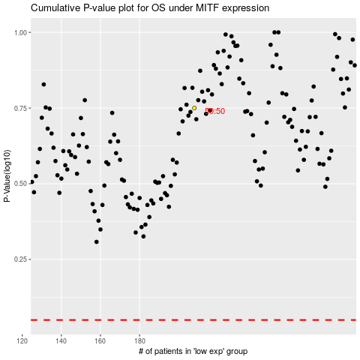

 |  |  |  |  |  | cases_OS | p_OS | rank | exp
 |  |  |  |  |  |  | cases_RFS | p_RFS | rank | exp

