MKNK1 _multivariate
Reported by Tex Li-Hsing Chi. tex@gate.sinica.edu.tw 2019-08-17

Table 2. The clinicopathological features of HNSCC cohort and MKNK1 expression. (Chi square test)
Cutoff at -0.293 (39.6%)
 |  | MKNK1 expression |  | MKNK1 expression |  | (Optimised)
 | Features | Low | (%) | High | (%) | Case no | P-value | Remark | Matthews
Gender | Female | 124 | 29.9 | 182 | 43.9 | 415 | 0.5569 | 0 | 0
2 | Male | 40 | 9.6 | 69 | 16.6
Age at diagnosis | <=65y | 104 | 25.1 | 170 | 41 | 415 | 0.423 | 0 | 0
4 | >65y | 60 | 14.5 | 81 | 19.5
Clinical T Status | T1+T2 | 54 | 13 | 95 | 22.9 | 415 | 0.3591 | 0 | 0
6 | T3+T4 | 110 | 26.5 | 156 | 37.6
Clinical N Status | N0 | 80 | 19.3 | 136 | 32.8 | 415 | 0.3288 | 0 | 0
8 | N1-3 | 84 | 20.2 | 115 | 27.7
Clinical M Status | M0 | 164 | 39.5 | 248 | 59.8 | 415 | 0.2812 | 0 | 0
10 | M1 | 0 | 0 | 3 | 0.7
Clinical Stage | Stage I+II | 34 | 8.2 | 68 | 16.4 | 415 | 0.1756 | 0 | 0
12 | Stage III+IV | 130 | 31.3 | 183 | 44.1
Surgical Margin status | Negative | 121 | 29.2 | 197 | 47.5 | 415 | 0.2868 | 0 | 0
14 | Positive | 43 | 10.4 | 54 | 13
Tobacco Exposure | Low | 68 | 16.4 | 93 | 22.4 | 415 | 0.41 | 0 | 0
16 | High | 96 | 23.1 | 158 | 38.1

Table 3. Univariate/Multivariate Cox's proportional hazards regression analyses on OS time of MKNK1 gene expression in HNSCC

 |  | Univariate |  |  |  | Multivariate
 | Features | HR | CI95%(L) | CI95%(H) | P-value | HR | CI95%(L) | CI95%(H) | P-value
1 | Female | 1 |  |  |  | 1
Gender | Male | 1.157 | 0.843 | 1.587 | 0.367 | 1.194 | 0.855 | 1.666 | 0.298
11 | <=65y | 1 |  |  |  | 1
Age at diagnosis | >65y | 1.329 | 0.99 | 1.784 | 0.058 | 1.405 | 1.033 | 1.91 | 0.03
12 | T1+T2 | 1 |  |  |  | 1
Clinical T Status | T3+T4 | 1.409 | 1.028 | 1.931 | 0.033 | 2.176 | 1.151 | 4.114 | 0.017
13 | N0 | 1 |  |  |  | 1
Clinical N Status | N1-3 | 1.185 | 0.89 | 1.577 | 0.246 | 1.287 | 0.901 | 1.838 | 0.166
14 | M0 | 1 |  |  |  | 1
Clinical M Status | M1 | 4.097 | 1.009 | 16.644 | 0.049 | 8.107 | 1.759 | 37.368 | 0.007
15 | Stage I+II | 1 |  |  |  | 1
Clinical Stage | Stage III+IV | 1.245 | 0.882 | 1.759 | 0.213 | 0.519 | 0.242 | 1.113 | 0.092
16 | Negative | 1 |  |  |  | 1
Surgical Margin status | Positive | 1.591 | 1.155 | 2.191 | 0.004 | 1.685 | 1.219 | 2.328 | 0.002
17 | Low | 1 |  |  |  | 1
Tobacco Exposure | High | 1.364 | 1.008 | 1.844 | 0.044 | 1.394 | 1.009 | 1.927 | 0.044
18 | Low | 1 |  |  |  | 1
RNAseq(z-score) | High | 1.36 | 1.004 | 1.841 | 0.047 | 1.363 | 1 | 1.858 | 0.05

Table 4. Univariate/Multivariate Cox's proportional hazards regression analyses on RFS time of MKNK1 gene expression in HNSCC

 |  | Univariate |  |  |  | Multivariate
 | Features | HR | CI95%(L) | CI95%(H) | P-value | HR | CI95%(L) | CI95%(H) | P-value
1 | Female | 1 |  |  |  | 1
Gender | Male | 1.157 | 0.843 | 1.587 | 0.367 | 1.194 | 0.855 | 1.666 | 0.298
11 | <=65y | 1 |  |  |  | 1
Age at diagnosis | >65y | 1.329 | 0.99 | 1.784 | 0.058 | 1.405 | 1.033 | 1.91 | 0.03
12 | T1+T2 | 1 |  |  |  | 1
Clinical T Status | T3+T4 | 1.409 | 1.028 | 1.931 | 0.033 | 2.176 | 1.151 | 4.114 | 0.017
13 | N0 | 1 |  |  |  | 1
Clinical N Status | N1-3 | 1.185 | 0.89 | 1.577 | 0.246 | 1.287 | 0.901 | 1.838 | 0.166
14 | M0 | 1 |  |  |  | 1
Clinical M Status | M1 | 4.097 | 1.009 | 16.644 | 0.049 | 8.107 | 1.759 | 37.368 | 0.007
15 | Stage I+II | 1 |  |  |  | 1
Clinical Stage | Stage III+IV | 1.245 | 0.882 | 1.759 | 0.213 | 0.519 | 0.242 | 1.113 | 0.092
16 | Negative | 1 |  |  |  | 1
Surgical Margin status | Positive | 1.591 | 1.155 | 2.191 | 0.004 | 1.685 | 1.219 | 2.328 | 0.002
17 | Low | 1 |  |  |  | 1
Tobacco Exposure | High | 1.364 | 1.008 | 1.844 | 0.044 | 1.394 | 1.009 | 1.927 | 0.044
18 | Low | 1 |  |  |  | 1
RNAseq(z-score) | High | 1.36 | 1.004 | 1.841 | 0.047 | 1.363 | 1 | 1.858 | 0.05

Kaplan-Meier survival estimate: Cutoff at -0.293 (39.6%)



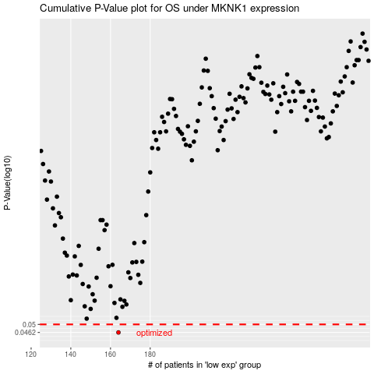

 |  |  |  |  |  | cases_OS | p_OS | rank | exp
 |  |  |  |  |  | 164 | 0.0462 | 115 | -0.29324277798
 |  |  |  |  |  |  | cases_RFS | p_RFS | rank | exp
 |  |  |  |  |  |  | 163 | 0.0462 | 102 | -0.30195890233

