MKS1 _multivariate
Reported by Tex Li-Hsing Chi. tex@gate.sinica.edu.tw 2019-08-17

Table 2. The clinicopathological features of HNSCC cohort and MKS1 expression. (Chi square test)
Cutoff at -0.13 (49.8%)
 |  | MKS1 expression |  | MKS1 expression |  | (Optimised)
 | Features | Low | (%) | High | (%) | Case no | P-value | Remark | Matthews
Gender | Female | 141 | 34 | 165 | 39.8 | 415 | 0.013 | 1 | 0
2 | Male | 66 | 15.9 | 43 | 10.4
Age at diagnosis | <=65y | 125 | 30.1 | 149 | 35.9 | 415 | 0.0206 | 1 | 0
4 | >65y | 82 | 19.8 | 59 | 14.2
Clinical T Status | T1+T2 | 67 | 16.1 | 82 | 19.8 | 415 | 0.1628 | 0 | 0
6 | T3+T4 | 140 | 33.7 | 126 | 30.4
Clinical N Status | N0 | 104 | 25.1 | 112 | 27 | 415 | 0.5243 | 0 | 0
8 | N1-3 | 103 | 24.8 | 96 | 23.1
Clinical M Status | M0 | 206 | 49.6 | 206 | 49.6 | 415 | 1 | 0 | 0
10 | M1 | 1 | 0.2 | 2 | 0.5
Clinical Stage | Stage I+II | 51 | 12.3 | 51 | 12.3 | 415 | 1 | 0 | 0
12 | Stage III+IV | 156 | 37.6 | 157 | 37.8
Surgical Margin status | Negative | 161 | 38.8 | 157 | 37.8 | 415 | 0.6429 | 0 | 0
14 | Positive | 46 | 11.1 | 51 | 12.3
Tobacco Exposure | Low | 88 | 21.2 | 73 | 17.6 | 415 | 0.1314 | 0 | 0
16 | High | 119 | 28.7 | 135 | 32.5

Table 3. Univariate/Multivariate Cox's proportional hazards regression analyses on OS time of MKS1 gene expression in HNSCC

 |  | Univariate |  |  |  | Multivariate
 | Features | HR | CI95%(L) | CI95%(H) | P-value | HR | CI95%(L) | CI95%(H) | P-value
1 | Female | 1 |  |  |  | 1
Gender | Male | 1.157 | 0.843 | 1.587 | 0.367 | 1.201 | 0.858 | 1.681 | 0.286
11 | <=65y | 1 |  |  |  | 1
Age at diagnosis | >65y | 1.329 | 0.99 | 1.784 | 0.058 | 1.391 | 1.023 | 1.892 | 0.035
12 | T1+T2 | 1 |  |  |  | 1
Clinical T Status | T3+T4 | 1.409 | 1.028 | 1.931 | 0.033 | 2.2 | 1.16 | 4.173 | 0.016
13 | N0 | 1 |  |  |  | 1
Clinical N Status | N1-3 | 1.185 | 0.89 | 1.577 | 0.246 | 1.24 | 0.869 | 1.771 | 0.236
14 | M0 | 1 |  |  |  | 1
Clinical M Status | M1 | 4.097 | 1.009 | 16.644 | 0.049 | 9.403 | 2.051 | 43.112 | 0.004
15 | Stage I+II | 1 |  |  |  | 1
Clinical Stage | Stage III+IV | 1.245 | 0.882 | 1.759 | 0.213 | 0.505 | 0.235 | 1.087 | 0.081
16 | Negative | 1 |  |  |  | 1
Surgical Margin status | Positive | 1.591 | 1.155 | 2.191 | 0.004 | 1.672 | 1.209 | 2.313 | 0.002
17 | Low | 1 |  |  |  | 1
Tobacco Exposure | High | 1.364 | 1.008 | 1.844 | 0.044 | 1.454 | 1.052 | 2.009 | 0.023
18 | Low | 1 |  |  |  | 1
RNAseq(z-score) | High | 0.987 | 0.741 | 1.314 | 0.926 | 0.996 | 0.741 | 1.338 | 0.978

Table 4. Univariate/Multivariate Cox's proportional hazards regression analyses on RFS time of MKS1 gene expression in HNSCC

 |  | Univariate |  |  |  | Multivariate
 | Features | HR | CI95%(L) | CI95%(H) | P-value | HR | CI95%(L) | CI95%(H) | P-value
1 | Female | 1 |  |  |  | 1
Gender | Male | 1.157 | 0.843 | 1.587 | 0.367 | 1.201 | 0.858 | 1.681 | 0.286
11 | <=65y | 1 |  |  |  | 1
Age at diagnosis | >65y | 1.329 | 0.99 | 1.784 | 0.058 | 1.391 | 1.023 | 1.892 | 0.035
12 | T1+T2 | 1 |  |  |  | 1
Clinical T Status | T3+T4 | 1.409 | 1.028 | 1.931 | 0.033 | 2.2 | 1.16 | 4.173 | 0.016
13 | N0 | 1 |  |  |  | 1
Clinical N Status | N1-3 | 1.185 | 0.89 | 1.577 | 0.246 | 1.24 | 0.869 | 1.771 | 0.236
14 | M0 | 1 |  |  |  | 1
Clinical M Status | M1 | 4.097 | 1.009 | 16.644 | 0.049 | 9.403 | 2.051 | 43.112 | 0.004
15 | Stage I+II | 1 |  |  |  | 1
Clinical Stage | Stage III+IV | 1.245 | 0.882 | 1.759 | 0.213 | 0.505 | 0.235 | 1.087 | 0.081
16 | Negative | 1 |  |  |  | 1
Surgical Margin status | Positive | 1.591 | 1.155 | 2.191 | 0.004 | 1.672 | 1.209 | 2.313 | 0.002
17 | Low | 1 |  |  |  | 1
Tobacco Exposure | High | 1.364 | 1.008 | 1.844 | 0.044 | 1.454 | 1.052 | 2.009 | 0.023
18 | Low | 1 |  |  |  | 1
RNAseq(z-score) | High | 0.987 | 0.741 | 1.314 | 0.926 | 0.996 | 0.741 | 1.338 | 0.978

Kaplan-Meier survival estimate: Cutoff at -0.13 (49.8%)

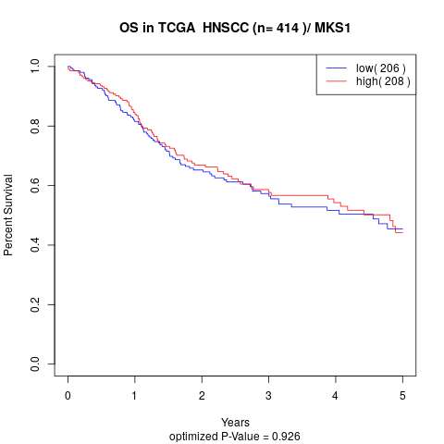

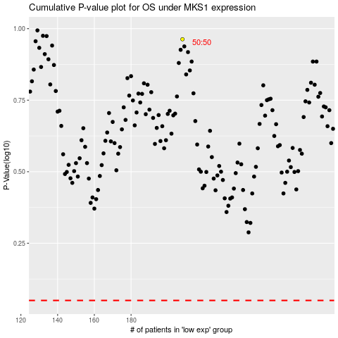

 |  |  |  |  |  | cases_OS | p_OS | rank | exp
 |  |  |  |  |  |  | cases_RFS | p_RFS | rank | exp

