MKX _multivariate
Reported by Tex Li-Hsing Chi. tex@gate.sinica.edu.tw 2019-08-17

Table 2. The clinicopathological features of HNSCC cohort and MKX expression. (Chi square test)
Cutoff at -0.311 (49.8%)
 |  | MKX expression |  | MKX expression |  | (Optimised)
 | Features | Low | (%) | High | (%) | Case no | P-value | Remark | Matthews
Gender | Female | 159 | 38.3 | 147 | 35.4 | 415 | 0.1905 | 0 | 0
2 | Male | 48 | 11.6 | 61 | 14.7
Age at diagnosis | <=65y | 148 | 35.7 | 126 | 30.4 | 415 | 0.0248 | 1 | 0
4 | >65y | 59 | 14.2 | 82 | 19.8
Clinical T Status | T1+T2 | 82 | 19.8 | 67 | 16.1 | 415 | 0.1417 | 0 | 0
6 | T3+T4 | 125 | 30.1 | 141 | 34
Clinical N Status | N0 | 100 | 24.1 | 116 | 28 | 415 | 0.1548 | 0 | 0
8 | N1-3 | 107 | 25.8 | 92 | 22.2
Clinical M Status | M0 | 204 | 49.2 | 208 | 50.1 | 415 | 0.1232 | 0 | 0
10 | M1 | 3 | 0.7 | 0 | 0
Clinical Stage | Stage I+II | 54 | 13 | 48 | 11.6 | 415 | 0.5498 | 0 | 0
12 | Stage III+IV | 153 | 36.9 | 160 | 38.6
Surgical Margin status | Negative | 164 | 39.5 | 154 | 37.1 | 415 | 0.2462 | 0 | 0
14 | Positive | 43 | 10.4 | 54 | 13
Tobacco Exposure | Low | 79 | 19 | 82 | 19.8 | 415 | 0.8405 | 0 | 0
16 | High | 128 | 30.8 | 126 | 30.4

Table 3. Univariate/Multivariate Cox's proportional hazards regression analyses on OS time of MKX gene expression in HNSCC

 |  | Univariate |  |  |  | Multivariate
 | Features | HR | CI95%(L) | CI95%(H) | P-value | HR | CI95%(L) | CI95%(H) | P-value
1 | Female | 1 |  |  |  | 1
Gender | Male | 1.157 | 0.843 | 1.587 | 0.367 | 1.231 | 0.878 | 1.727 | 0.229
11 | <=65y | 1 |  |  |  | 1
Age at diagnosis | >65y | 1.329 | 0.99 | 1.784 | 0.058 | 1.393 | 1.025 | 1.892 | 0.034
12 | T1+T2 | 1 |  |  |  | 1
Clinical T Status | T3+T4 | 1.409 | 1.028 | 1.931 | 0.033 | 2.207 | 1.167 | 4.172 | 0.015
13 | N0 | 1 |  |  |  | 1
Clinical N Status | N1-3 | 1.185 | 0.89 | 1.577 | 0.246 | 1.225 | 0.858 | 1.749 | 0.264
14 | M0 | 1 |  |  |  | 1
Clinical M Status | M1 | 4.097 | 1.009 | 16.644 | 0.049 | 8.913 | 1.937 | 41.022 | 0.005
15 | Stage I+II | 1 |  |  |  | 1
Clinical Stage | Stage III+IV | 1.245 | 0.882 | 1.759 | 0.213 | 0.509 | 0.237 | 1.091 | 0.083
16 | Negative | 1 |  |  |  | 1
Surgical Margin status | Positive | 1.591 | 1.155 | 2.191 | 0.004 | 1.68 | 1.215 | 2.321 | 0.002
17 | Low | 1 |  |  |  | 1
Tobacco Exposure | High | 1.364 | 1.008 | 1.844 | 0.044 | 1.465 | 1.062 | 2.02 | 0.02
18 | Low | 1 |  |  |  | 1
RNAseq(z-score) | High | 0.918 | 0.689 | 1.223 | 0.558 | 0.873 | 0.651 | 1.171 | 0.364

Table 4. Univariate/Multivariate Cox's proportional hazards regression analyses on RFS time of MKX gene expression in HNSCC

 |  | Univariate |  |  |  | Multivariate
 | Features | HR | CI95%(L) | CI95%(H) | P-value | HR | CI95%(L) | CI95%(H) | P-value
1 | Female | 1 |  |  |  | 1
Gender | Male | 1.157 | 0.843 | 1.587 | 0.367 | 1.231 | 0.878 | 1.727 | 0.229
11 | <=65y | 1 |  |  |  | 1
Age at diagnosis | >65y | 1.329 | 0.99 | 1.784 | 0.058 | 1.393 | 1.025 | 1.892 | 0.034
12 | T1+T2 | 1 |  |  |  | 1
Clinical T Status | T3+T4 | 1.409 | 1.028 | 1.931 | 0.033 | 2.207 | 1.167 | 4.172 | 0.015
13 | N0 | 1 |  |  |  | 1
Clinical N Status | N1-3 | 1.185 | 0.89 | 1.577 | 0.246 | 1.225 | 0.858 | 1.749 | 0.264
14 | M0 | 1 |  |  |  | 1
Clinical M Status | M1 | 4.097 | 1.009 | 16.644 | 0.049 | 8.913 | 1.937 | 41.022 | 0.005
15 | Stage I+II | 1 |  |  |  | 1
Clinical Stage | Stage III+IV | 1.245 | 0.882 | 1.759 | 0.213 | 0.509 | 0.237 | 1.091 | 0.083
16 | Negative | 1 |  |  |  | 1
Surgical Margin status | Positive | 1.591 | 1.155 | 2.191 | 0.004 | 1.68 | 1.215 | 2.321 | 0.002
17 | Low | 1 |  |  |  | 1
Tobacco Exposure | High | 1.364 | 1.008 | 1.844 | 0.044 | 1.465 | 1.062 | 2.02 | 0.02
18 | Low | 1 |  |  |  | 1
RNAseq(z-score) | High | 0.918 | 0.689 | 1.223 | 0.558 | 0.873 | 0.651 | 1.171 | 0.364

Kaplan-Meier survival estimate: Cutoff at -0.311 (49.8%)



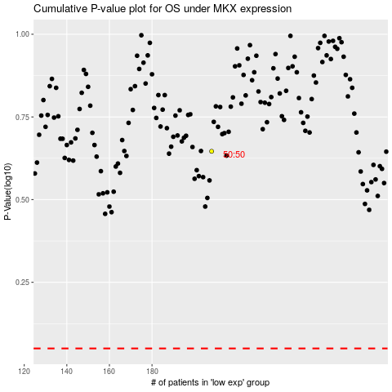

 |  |  |  |  |  | cases_OS | p_OS | rank | exp
 |  |  |  |  |  |  | cases_RFS | p_RFS | rank | exp

