MLF1IP _multivariate
Reported by Tex Li-Hsing Chi. tex@gate.sinica.edu.tw 2019-08-17

Table 2. The clinicopathological features of HNSCC cohort and MLF1IP expression. (Chi square test)
Cutoff at -0.258 (49.8%)
 |  | MLF1IP expression |  | MLF1IP expression |  | (Optimised)
 | Features | Low | (%) | High | (%) | Case no | P-value | Remark | Matthews
Gender | Female | 146 | 35.2 | 160 | 38.6 | 415 | 0.1714 | 0 | 0
2 | Male | 61 | 14.7 | 48 | 11.6
Age at diagnosis | <=65y | 143 | 34.5 | 131 | 31.6 | 415 | 0.2269 | 0 | 0
4 | >65y | 64 | 15.4 | 77 | 18.6
Clinical T Status | T1+T2 | 64 | 15.4 | 85 | 20.5 | 415 | 0.0445 | 1 | 0
6 | T3+T4 | 143 | 34.5 | 123 | 29.6
Clinical N Status | N0 | 113 | 27.2 | 103 | 24.8 | 415 | 0.3495 | 1 | 0
8 | N1-3 | 94 | 22.7 | 105 | 25.3
Clinical M Status | M0 | 207 | 49.9 | 205 | 49.4 | 415 | 0.2482 | 0 | 0
10 | M1 | 0 | 0 | 3 | 0.7
Clinical Stage | Stage I+II | 48 | 11.6 | 54 | 13 | 415 | 0.5878 | 0 | 0
12 | Stage III+IV | 159 | 38.3 | 154 | 37.1
Surgical Margin status | Negative | 167 | 40.2 | 151 | 36.4 | 415 | 0.0632 | 0 | 0
14 | Positive | 40 | 9.6 | 57 | 13.7
Tobacco Exposure | Low | 83 | 20 | 78 | 18.8 | 415 | 0.6152 | 0 | 0
16 | High | 124 | 29.9 | 130 | 31.3

Table 3. Univariate/Multivariate Cox's proportional hazards regression analyses on OS time of MLF1IP gene expression in HNSCC

 |  | Univariate |  |  |  | Multivariate
 | Features | HR | CI95%(L) | CI95%(H) | P-value | HR | CI95%(L) | CI95%(H) | P-value
1 | Female | 1 |  |  |  | 1
Gender | Male | 1.157 | 0.843 | 1.587 | 0.367 | 1.198 | 0.857 | 1.674 | 0.291
11 | <=65y | 1 |  |  |  | 1
Age at diagnosis | >65y | 1.329 | 0.99 | 1.784 | 0.058 | 1.399 | 1.027 | 1.906 | 0.033
12 | T1+T2 | 1 |  |  |  | 1
Clinical T Status | T3+T4 | 1.409 | 1.028 | 1.931 | 0.033 | 2.181 | 1.15 | 4.138 | 0.017
13 | N0 | 1 |  |  |  | 1
Clinical N Status | N1-3 | 1.185 | 0.89 | 1.577 | 0.246 | 1.241 | 0.87 | 1.77 | 0.234
14 | M0 | 1 |  |  |  | 1
Clinical M Status | M1 | 4.097 | 1.009 | 16.644 | 0.049 | 9.542 | 2.075 | 43.869 | 0.004
15 | Stage I+II | 1 |  |  |  | 1
Clinical Stage | Stage III+IV | 1.245 | 0.882 | 1.759 | 0.213 | 0.509 | 0.237 | 1.095 | 0.084
16 | Negative | 1 |  |  |  | 1
Surgical Margin status | Positive | 1.591 | 1.155 | 2.191 | 0.004 | 1.684 | 1.214 | 2.337 | 0.002
17 | Low | 1 |  |  |  | 1
Tobacco Exposure | High | 1.364 | 1.008 | 1.844 | 0.044 | 1.454 | 1.055 | 2.003 | 0.022
18 | Low | 1 |  |  |  | 1
RNAseq(z-score) | High | 1.03 | 0.772 | 1.375 | 0.841 | 0.956 | 0.709 | 1.29 | 0.77

Table 4. Univariate/Multivariate Cox's proportional hazards regression analyses on RFS time of MLF1IP gene expression in HNSCC

 |  | Univariate |  |  |  | Multivariate
 | Features | HR | CI95%(L) | CI95%(H) | P-value | HR | CI95%(L) | CI95%(H) | P-value
1 | Female | 1 |  |  |  | 1
Gender | Male | 1.157 | 0.843 | 1.587 | 0.367 | 1.198 | 0.857 | 1.674 | 0.291
11 | <=65y | 1 |  |  |  | 1
Age at diagnosis | >65y | 1.329 | 0.99 | 1.784 | 0.058 | 1.399 | 1.027 | 1.906 | 0.033
12 | T1+T2 | 1 |  |  |  | 1
Clinical T Status | T3+T4 | 1.409 | 1.028 | 1.931 | 0.033 | 2.181 | 1.15 | 4.138 | 0.017
13 | N0 | 1 |  |  |  | 1
Clinical N Status | N1-3 | 1.185 | 0.89 | 1.577 | 0.246 | 1.241 | 0.87 | 1.77 | 0.234
14 | M0 | 1 |  |  |  | 1
Clinical M Status | M1 | 4.097 | 1.009 | 16.644 | 0.049 | 9.542 | 2.075 | 43.869 | 0.004
15 | Stage I+II | 1 |  |  |  | 1
Clinical Stage | Stage III+IV | 1.245 | 0.882 | 1.759 | 0.213 | 0.509 | 0.237 | 1.095 | 0.084
16 | Negative | 1 |  |  |  | 1
Surgical Margin status | Positive | 1.591 | 1.155 | 2.191 | 0.004 | 1.684 | 1.214 | 2.337 | 0.002
17 | Low | 1 |  |  |  | 1
Tobacco Exposure | High | 1.364 | 1.008 | 1.844 | 0.044 | 1.454 | 1.055 | 2.003 | 0.022
18 | Low | 1 |  |  |  | 1
RNAseq(z-score) | High | 1.03 | 0.772 | 1.375 | 0.841 | 0.956 | 0.709 | 1.29 | 0.77

Kaplan-Meier survival estimate: Cutoff at -0.258 (49.8%)



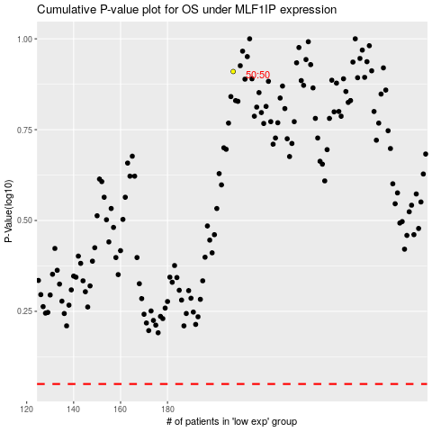

 |  |  |  |  |  | cases_OS | p_OS | rank | exp
 |  |  |  |  |  |  | cases_RFS | p_RFS | rank | exp

