MLKL _multivariate
Reported by Tex Li-Hsing Chi. tex@gate.sinica.edu.tw 2019-08-17

Table 2. The clinicopathological features of HNSCC cohort and MLKL expression. (Chi square test)
Cutoff at -0.212 (49.8%)
 |  | MLKL expression |  | MLKL expression |  | (Optimised)
 | Features | Low | (%) | High | (%) | Case no | P-value | Remark | Matthews
Gender | Female | 156 | 37.6 | 150 | 36.1 | 415 | 0.5222 | 0 | 0
2 | Male | 51 | 12.3 | 58 | 14
Age at diagnosis | <=65y | 146 | 35.2 | 128 | 30.8 | 415 | 0.0672 | 0 | 0
4 | >65y | 61 | 14.7 | 80 | 19.3
Clinical T Status | T1+T2 | 71 | 17.1 | 78 | 18.8 | 415 | 0.5638 | 0 | 0
6 | T3+T4 | 136 | 32.8 | 130 | 31.3
Clinical N Status | N0 | 109 | 26.3 | 107 | 25.8 | 415 | 0.8812 | 0 | 0
8 | N1-3 | 98 | 23.6 | 101 | 24.3
Clinical M Status | M0 | 207 | 49.9 | 205 | 49.4 | 415 | 0.2482 | 0 | 0
10 | M1 | 0 | 0 | 3 | 0.7
Clinical Stage | Stage I+II | 46 | 11.1 | 56 | 13.5 | 415 | 0.3182 | 0 | 0
12 | Stage III+IV | 161 | 38.8 | 152 | 36.6
Surgical Margin status | Negative | 161 | 38.8 | 157 | 37.8 | 415 | 0.6429 | 0 | 0
14 | Positive | 46 | 11.1 | 51 | 12.3
Tobacco Exposure | Low | 71 | 17.1 | 90 | 21.7 | 415 | 0.0698 | 0 | 0
16 | High | 136 | 32.8 | 118 | 28.4

Table 3. Univariate/Multivariate Cox's proportional hazards regression analyses on OS time of MLKL gene expression in HNSCC

 |  | Univariate |  |  |  | Multivariate
 | Features | HR | CI95%(L) | CI95%(H) | P-value | HR | CI95%(L) | CI95%(H) | P-value
1 | Female | 1 |  |  |  | 1
Gender | Male | 1.157 | 0.843 | 1.587 | 0.367 | 1.198 | 0.857 | 1.674 | 0.29
11 | <=65y | 1 |  |  |  | 1
Age at diagnosis | >65y | 1.329 | 0.99 | 1.784 | 0.058 | 1.387 | 1.019 | 1.886 | 0.037
12 | T1+T2 | 1 |  |  |  | 1
Clinical T Status | T3+T4 | 1.409 | 1.028 | 1.931 | 0.033 | 2.194 | 1.16 | 4.148 | 0.016
13 | N0 | 1 |  |  |  | 1
Clinical N Status | N1-3 | 1.185 | 0.89 | 1.577 | 0.246 | 1.236 | 0.866 | 1.764 | 0.244
14 | M0 | 1 |  |  |  | 1
Clinical M Status | M1 | 4.097 | 1.009 | 16.644 | 0.049 | 9.099 | 1.965 | 42.136 | 0.005
15 | Stage I+II | 1 |  |  |  | 1
Clinical Stage | Stage III+IV | 1.245 | 0.882 | 1.759 | 0.213 | 0.513 | 0.238 | 1.106 | 0.089
16 | Negative | 1 |  |  |  | 1
Surgical Margin status | Positive | 1.591 | 1.155 | 2.191 | 0.004 | 1.662 | 1.202 | 2.3 | 0.002
17 | Low | 1 |  |  |  | 1
Tobacco Exposure | High | 1.364 | 1.008 | 1.844 | 0.044 | 1.464 | 1.06 | 2.022 | 0.021
18 | Low | 1 |  |  |  | 1
RNAseq(z-score) | High | 1.082 | 0.813 | 1.441 | 0.587 | 1.057 | 0.784 | 1.426 | 0.716

Table 4. Univariate/Multivariate Cox's proportional hazards regression analyses on RFS time of MLKL gene expression in HNSCC

 |  | Univariate |  |  |  | Multivariate
 | Features | HR | CI95%(L) | CI95%(H) | P-value | HR | CI95%(L) | CI95%(H) | P-value
1 | Female | 1 |  |  |  | 1
Gender | Male | 1.157 | 0.843 | 1.587 | 0.367 | 1.198 | 0.857 | 1.674 | 0.29
11 | <=65y | 1 |  |  |  | 1
Age at diagnosis | >65y | 1.329 | 0.99 | 1.784 | 0.058 | 1.387 | 1.019 | 1.886 | 0.037
12 | T1+T2 | 1 |  |  |  | 1
Clinical T Status | T3+T4 | 1.409 | 1.028 | 1.931 | 0.033 | 2.194 | 1.16 | 4.148 | 0.016
13 | N0 | 1 |  |  |  | 1
Clinical N Status | N1-3 | 1.185 | 0.89 | 1.577 | 0.246 | 1.236 | 0.866 | 1.764 | 0.244
14 | M0 | 1 |  |  |  | 1
Clinical M Status | M1 | 4.097 | 1.009 | 16.644 | 0.049 | 9.099 | 1.965 | 42.136 | 0.005
15 | Stage I+II | 1 |  |  |  | 1
Clinical Stage | Stage III+IV | 1.245 | 0.882 | 1.759 | 0.213 | 0.513 | 0.238 | 1.106 | 0.089
16 | Negative | 1 |  |  |  | 1
Surgical Margin status | Positive | 1.591 | 1.155 | 2.191 | 0.004 | 1.662 | 1.202 | 2.3 | 0.002
17 | Low | 1 |  |  |  | 1
Tobacco Exposure | High | 1.364 | 1.008 | 1.844 | 0.044 | 1.464 | 1.06 | 2.022 | 0.021
18 | Low | 1 |  |  |  | 1
RNAseq(z-score) | High | 1.082 | 0.813 | 1.441 | 0.587 | 1.057 | 0.784 | 1.426 | 0.716

Kaplan-Meier survival estimate: Cutoff at -0.212 (49.8%)



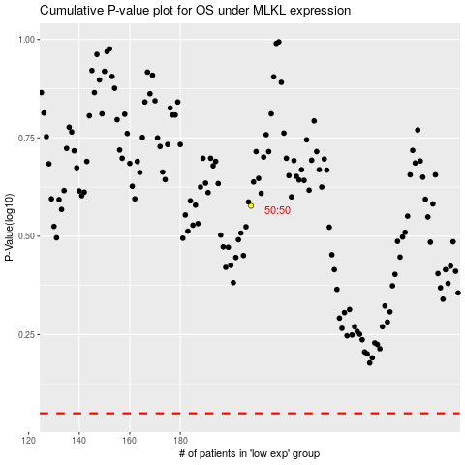

 |  |  |  |  |  | cases_OS | p_OS | rank | exp
 |  |  |  |  |  |  | cases_RFS | p_RFS | rank | exp

