MLL4 _multivariate
Reported by Tex Li-Hsing Chi. tex@gate.sinica.edu.tw 2019-08-17

Table 2. The clinicopathological features of HNSCC cohort and MLL4 expression. (Chi square test)
Cutoff at -0.084 (49.8%)
 |  | MLL4 expression |  | MLL4 expression |  | (Optimised)
 | Features | Low | (%) | High | (%) | Case no | P-value | Remark | Matthews
Gender | Female | 150 | 36.1 | 156 | 37.6 | 415 | 0.6344 | 0 | 0
2 | Male | 57 | 13.7 | 52 | 12.5
Age at diagnosis | <=65y | 143 | 34.5 | 131 | 31.6 | 415 | 0.2269 | 0 | 0
4 | >65y | 64 | 15.4 | 77 | 18.6
Clinical T Status | T1+T2 | 77 | 18.6 | 72 | 17.3 | 415 | 0.6556 | 0 | 0
6 | T3+T4 | 130 | 31.3 | 136 | 32.8
Clinical N Status | N0 | 111 | 26.7 | 105 | 25.3 | 415 | 0.5875 | 0 | 0
8 | N1-3 | 96 | 23.1 | 103 | 24.8
Clinical M Status | M0 | 205 | 49.4 | 207 | 49.9 | 415 | 0.6232 | 0 | 0
10 | M1 | 2 | 0.5 | 1 | 0.2
Clinical Stage | Stage I+II | 54 | 13 | 48 | 11.6 | 415 | 0.5498 | 0 | 0
12 | Stage III+IV | 153 | 36.9 | 160 | 38.6
Surgical Margin status | Negative | 154 | 37.1 | 164 | 39.5 | 415 | 0.2984 | 0 | 0
14 | Positive | 53 | 12.8 | 44 | 10.6
Tobacco Exposure | Low | 84 | 20.2 | 77 | 18.6 | 415 | 0.4816 | 0 | 0
16 | High | 123 | 29.6 | 131 | 31.6

Table 3. Univariate/Multivariate Cox's proportional hazards regression analyses on OS time of MLL4 gene expression in HNSCC

 |  | Univariate |  |  |  | Multivariate
 | Features | HR | CI95%(L) | CI95%(H) | P-value | HR | CI95%(L) | CI95%(H) | P-value
1 | Female | 1 |  |  |  | 1
Gender | Male | 1.157 | 0.843 | 1.587 | 0.367 | 1.181 | 0.845 | 1.651 | 0.331
11 | <=65y | 1 |  |  |  | 1
Age at diagnosis | >65y | 1.329 | 0.99 | 1.784 | 0.058 | 1.408 | 1.036 | 1.913 | 0.029
12 | T1+T2 | 1 |  |  |  | 1
Clinical T Status | T3+T4 | 1.409 | 1.028 | 1.931 | 0.033 | 2.198 | 1.163 | 4.155 | 0.015
13 | N0 | 1 |  |  |  | 1
Clinical N Status | N1-3 | 1.185 | 0.89 | 1.577 | 0.246 | 1.246 | 0.874 | 1.776 | 0.225
14 | M0 | 1 |  |  |  | 1
Clinical M Status | M1 | 4.097 | 1.009 | 16.644 | 0.049 | 9.077 | 1.979 | 41.635 | 0.005
15 | Stage I+II | 1 |  |  |  | 1
Clinical Stage | Stage III+IV | 1.245 | 0.882 | 1.759 | 0.213 | 0.512 | 0.239 | 1.098 | 0.085
16 | Negative | 1 |  |  |  | 1
Surgical Margin status | Positive | 1.591 | 1.155 | 2.191 | 0.004 | 1.644 | 1.189 | 2.274 | 0.003
17 | Low | 1 |  |  |  | 1
Tobacco Exposure | High | 1.364 | 1.008 | 1.844 | 0.044 | 1.445 | 1.05 | 1.99 | 0.024
18 | Low | 1 |  |  |  | 1
RNAseq(z-score) | High | 0.823 | 0.618 | 1.096 | 0.183 | 0.832 | 0.622 | 1.112 | 0.214

Table 4. Univariate/Multivariate Cox's proportional hazards regression analyses on RFS time of MLL4 gene expression in HNSCC

 |  | Univariate |  |  |  | Multivariate
 | Features | HR | CI95%(L) | CI95%(H) | P-value | HR | CI95%(L) | CI95%(H) | P-value
1 | Female | 1 |  |  |  | 1
Gender | Male | 1.157 | 0.843 | 1.587 | 0.367 | 1.181 | 0.845 | 1.651 | 0.331
11 | <=65y | 1 |  |  |  | 1
Age at diagnosis | >65y | 1.329 | 0.99 | 1.784 | 0.058 | 1.408 | 1.036 | 1.913 | 0.029
12 | T1+T2 | 1 |  |  |  | 1
Clinical T Status | T3+T4 | 1.409 | 1.028 | 1.931 | 0.033 | 2.198 | 1.163 | 4.155 | 0.015
13 | N0 | 1 |  |  |  | 1
Clinical N Status | N1-3 | 1.185 | 0.89 | 1.577 | 0.246 | 1.246 | 0.874 | 1.776 | 0.225
14 | M0 | 1 |  |  |  | 1
Clinical M Status | M1 | 4.097 | 1.009 | 16.644 | 0.049 | 9.077 | 1.979 | 41.635 | 0.005
15 | Stage I+II | 1 |  |  |  | 1
Clinical Stage | Stage III+IV | 1.245 | 0.882 | 1.759 | 0.213 | 0.512 | 0.239 | 1.098 | 0.085
16 | Negative | 1 |  |  |  | 1
Surgical Margin status | Positive | 1.591 | 1.155 | 2.191 | 0.004 | 1.644 | 1.189 | 2.274 | 0.003
17 | Low | 1 |  |  |  | 1
Tobacco Exposure | High | 1.364 | 1.008 | 1.844 | 0.044 | 1.445 | 1.05 | 1.99 | 0.024
18 | Low | 1 |  |  |  | 1
RNAseq(z-score) | High | 0.823 | 0.618 | 1.096 | 0.183 | 0.832 | 0.622 | 1.112 | 0.214

Kaplan-Meier survival estimate: Cutoff at -0.084 (49.8%)



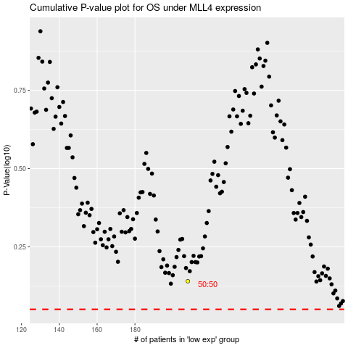

 |  |  |  |  |  | cases_OS | p_OS | rank | exp
 |  |  |  |  |  |  | cases_RFS | p_RFS | rank | exp

