MLLT1 _multivariate
Reported by Tex Li-Hsing Chi. tex@gate.sinica.edu.tw 2019-08-17

Table 2. The clinicopathological features of HNSCC cohort and MLLT1 expression. (Chi square test)
Cutoff at 0.229 (66.2%)
 |  | MLLT1 expression |  | MLLT1 expression |  | (Optimised)
 | Features | Low | (%) | High | (%) | Case no | P-value | Remark | Matthews
Gender | Female | 185 | 44.6 | 121 | 29.2 | 415 | 0 | 1 | 0
2 | Male | 90 | 21.7 | 19 | 4.6
Age at diagnosis | <=65y | 170 | 41 | 104 | 25.1 | 415 | 0.0153 | 1 | 0
4 | >65y | 105 | 25.3 | 36 | 8.7
Clinical T Status | T1+T2 | 103 | 24.8 | 46 | 11.1 | 415 | 0.4152 | 0 | 0
6 | T3+T4 | 172 | 41.4 | 94 | 22.7
Clinical N Status | N0 | 149 | 35.9 | 67 | 16.1 | 415 | 0.2646 | 0 | 0
8 | N1-3 | 126 | 30.4 | 73 | 17.6
Clinical M Status | M0 | 272 | 65.5 | 140 | 33.7 | 415 | 0.554 | 0 | 0
10 | M1 | 3 | 0.7 | 0 | 0
Clinical Stage | Stage I+II | 80 | 19.3 | 22 | 5.3 | 415 | 0.0041 | 1 | 0
12 | Stage III+IV | 195 | 47 | 118 | 28.4
Surgical Margin status | Negative | 210 | 50.6 | 108 | 26 | 415 | 0.9028 | 0 | 0
14 | Positive | 65 | 15.7 | 32 | 7.7
Tobacco Exposure | Low | 121 | 29.2 | 40 | 9.6 | 415 | 0.0028 | 1 | 0
16 | High | 154 | 37.1 | 100 | 24.1

Table 3. Univariate/Multivariate Cox's proportional hazards regression analyses on OS time of MLLT1 gene expression in HNSCC

 |  | Univariate |  |  |  | Multivariate
 | Features | HR | CI95%(L) | CI95%(H) | P-value | HR | CI95%(L) | CI95%(H) | P-value
1 | Female | 1 |  |  |  | 1
Gender | Male | 1.157 | 0.843 | 1.587 | 0.367 | 1.08 | 0.768 | 1.519 | 0.657
11 | <=65y | 1 |  |  |  | 1
Age at diagnosis | >65y | 1.329 | 0.99 | 1.784 | 0.058 | 1.384 | 1.017 | 1.883 | 0.039
12 | T1+T2 | 1 |  |  |  | 1
Clinical T Status | T3+T4 | 1.409 | 1.028 | 1.931 | 0.033 | 2.055 | 1.083 | 3.9 | 0.028
13 | N0 | 1 |  |  |  | 1
Clinical N Status | N1-3 | 1.185 | 0.89 | 1.577 | 0.246 | 1.241 | 0.87 | 1.77 | 0.233
14 | M0 | 1 |  |  |  | 1
Clinical M Status | M1 | 4.097 | 1.009 | 16.644 | 0.049 | 7.284 | 1.576 | 33.663 | 0.011
15 | Stage I+II | 1 |  |  |  | 1
Clinical Stage | Stage III+IV | 1.245 | 0.882 | 1.759 | 0.213 | 0.585 | 0.271 | 1.264 | 0.172
16 | Negative | 1 |  |  |  | 1
Surgical Margin status | Positive | 1.591 | 1.155 | 2.191 | 0.004 | 1.641 | 1.187 | 2.267 | 0.003
17 | Low | 1 |  |  |  | 1
Tobacco Exposure | High | 1.364 | 1.008 | 1.844 | 0.044 | 1.533 | 1.108 | 2.12 | 0.01
18 | Low | 1 |  |  |  | 1
RNAseq(z-score) | High | 0.629 | 0.454 | 0.871 | 0.005 | 0.607 | 0.431 | 0.856 | 0.004

Table 4. Univariate/Multivariate Cox's proportional hazards regression analyses on RFS time of MLLT1 gene expression in HNSCC

 |  | Univariate |  |  |  | Multivariate
 | Features | HR | CI95%(L) | CI95%(H) | P-value | HR | CI95%(L) | CI95%(H) | P-value
1 | Female | 1 |  |  |  | 1
Gender | Male | 1.157 | 0.843 | 1.587 | 0.367 | 1.08 | 0.768 | 1.519 | 0.657
11 | <=65y | 1 |  |  |  | 1
Age at diagnosis | >65y | 1.329 | 0.99 | 1.784 | 0.058 | 1.384 | 1.017 | 1.883 | 0.039
12 | T1+T2 | 1 |  |  |  | 1
Clinical T Status | T3+T4 | 1.409 | 1.028 | 1.931 | 0.033 | 2.055 | 1.083 | 3.9 | 0.028
13 | N0 | 1 |  |  |  | 1
Clinical N Status | N1-3 | 1.185 | 0.89 | 1.577 | 0.246 | 1.241 | 0.87 | 1.77 | 0.233
14 | M0 | 1 |  |  |  | 1
Clinical M Status | M1 | 4.097 | 1.009 | 16.644 | 0.049 | 7.284 | 1.576 | 33.663 | 0.011
15 | Stage I+II | 1 |  |  |  | 1
Clinical Stage | Stage III+IV | 1.245 | 0.882 | 1.759 | 0.213 | 0.585 | 0.271 | 1.264 | 0.172
16 | Negative | 1 |  |  |  | 1
Surgical Margin status | Positive | 1.591 | 1.155 | 2.191 | 0.004 | 1.641 | 1.187 | 2.267 | 0.003
17 | Low | 1 |  |  |  | 1
Tobacco Exposure | High | 1.364 | 1.008 | 1.844 | 0.044 | 1.533 | 1.108 | 2.12 | 0.01
18 | Low | 1 |  |  |  | 1
RNAseq(z-score) | High | 0.629 | 0.454 | 0.871 | 0.005 | 0.607 | 0.431 | 0.856 | 0.004

Kaplan-Meier survival estimate: Cutoff at 0.229 (66.2%)

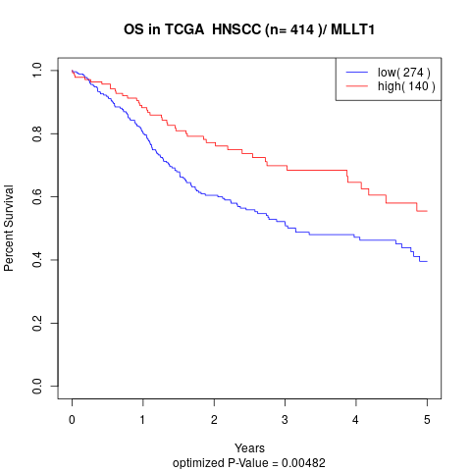

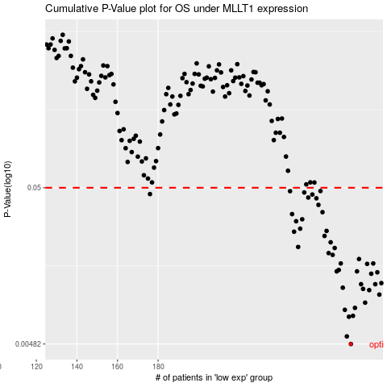

 |  |  |  |  |  | cases_OS | p_OS | rank | exp
 |  |  |  |  |  | 275 | 0.00482 | 403 | 0.22891021181
 |  |  |  |  |  | 273 | 0.0054 | 363 | 0.22161984818
 |  |  |  |  |  | 274 | 0.00725 | 148 | 0.22334802579
 |  |  |  |  |  | 276 | 0.00735 | 359 | 0.22969390386
 |  |  |  |  |  | 272 | 0.00804 | 199 | 0.21248053549
 |  |  |  |  |  | 277 | 0.00828 | 182 | 0.23238807669
 |  |  |  |  |  | 282 | 0.00895 | 177 | 0.2555867719
 |  |  |  |  |  | 289 | 0.0101 | 295 | 0.29057346498
 |  |  |  |  |  | 284 | 0.0108 | 192 | 0.26284099225
 |  |  |  |  |  | 281 | 0.011 | 153 | 0.25524896448
 |  |  |  |  |  | 271 | 0.0112 | 385 | 0.21232961526
 |  |  |  |  |  | 287 | 0.0118 | 102 | 0.28767530301
 |  |  |  |  |  | 280 | 0.0118 | 280 | 0.25320008139
 |  |  |  |  |  | 290 | 0.012 | 204 | 0.30178299411
 |  |  |  |  |  | 285 | 0.0138 | 16 | 0.26634107203
 |  |  |  |  |  | 288 | 0.0141 | 361 | 0.29050752554
 |  |  |  |  |  | 268 | 0.0143 | 154 | 0.18718641171
 |  |  |  |  |  | 278 | 0.0143 | 337 | 0.24204080023
 |  |  |  |  |  | 269 | 0.0146 | 415 | 0.19721996198
 |  |  |  |  |  | 283 | 0.016 | 377 | 0.26066252228
 |  |  |  |  |  | 286 | 0.0161 | 176 | 0.27109153291
 |  |  |  |  |  | 270 | 0.0161 | 364 | 0.20225445614
 |  |  |  |  |  | 279 | 0.0172 | 79 | 0.2512427025
 |  |  |  |  |  | 266 | 0.0183 | 352 | 0.17889514374
 |  |  |  |  |  | 264 | 0.0188 | 310 | 0.16935049741
 |  |  |  |  |  | 267 | 0.0203 | 229 | 0.18506665253
 |  |  |  |  |  | 249 | 0.0206 | 41 | 0.10287507532
 |  |  |  |  |  | 265 | 0.0221 | 273 | 0.17207481903
 |  |  |  |  |  | 262 | 0.0243 | 146 | 0.16661066063
 |  |  |  |  |  | 247 | 0.0259 | 171 | 0.09358554764
 |  |  |  |  |  | 263 | 0.0262 | 114 | 0.16783318497
 |  |  |  |  |  | 250 | 0.0271 | 53 | 0.11513981185
 |  |  |  |  |  | 248 | 0.0303 | 250 | 0.098424162864
 |  |  |  |  |  | 251 | 0.0312 | 232 | 0.11806353858
 |  |  |  |  |  | 246 | 0.0337 | 237 | 0.090114382485
 |  |  |  |  |  | 261 | 0.0347 | 285 | 0.16497874755
 |  |  |  |  |  | 259 | 0.0387 | 84 | 0.1538845243
 |  |  |  |  |  | 258 | 0.0427 | 72 | 0.14979821819
 |  |  |  |  |  | 254 | 0.0432 | 189 | 0.12959553626
 |  |  |  |  |  | 256 | 0.0452 | 168 | 0.13947975309
 |  |  |  |  |  | 176 | 0.0455 | 134 | -0.2744505209
 |  |  |  |  |  | 252 | 0.0466 | 367 | 0.1244795875
 |  |  |  |  |  | 245 | 0.0475 | 257 | 0.084965816613
 |  |  |  |  |  | 260 | 0.0476 | 196 | 0.16280292222
 |  |  |  |  |  |  | cases_RFS | p_RFS | rank | exp
 |  |  |  |  |  |  | 274 | 0.00482 | 148 | 0.22334802579
 |  |  |  |  |  |  | 272 | 0.0054 | 199 | 0.21248053549
 |  |  |  |  |  |  | 273 | 0.00725 | 363 | 0.22161984818
 |  |  |  |  |  |  | 275 | 0.00735 | 403 | 0.22891021181
 |  |  |  |  |  |  | 271 | 0.00804 | 385 | 0.21232961526
 |  |  |  |  |  |  | 276 | 0.00828 | 359 | 0.22969390386
 |  |  |  |  |  |  | 281 | 0.00895 | 153 | 0.25524896448
 |  |  |  |  |  |  | 288 | 0.0101 | 361 | 0.29050752554
 |  |  |  |  |  |  | 283 | 0.0108 | 377 | 0.26066252228
 |  |  |  |  |  |  | 280 | 0.011 | 280 | 0.25320008139
 |  |  |  |  |  |  | 270 | 0.0112 | 364 | 0.20225445614
 |  |  |  |  |  |  | 279 | 0.0118 | 79 | 0.2512427025
 |  |  |  |  |  |  | 286 | 0.0118 | 176 | 0.27109153291
 |  |  |  |  |  |  | 289 | 0.012 | 295 | 0.29057346498
 |  |  |  |  |  |  | 284 | 0.0138 | 192 | 0.26284099225
 |  |  |  |  |  |  | 287 | 0.0141 | 102 | 0.28767530301
 |  |  |  |  |  |  | 277 | 0.0143 | 182 | 0.23238807669
 |  |  |  |  |  |  | 267 | 0.0143 | 229 | 0.18506665253
 |  |  |  |  |  |  | 268 | 0.0146 | 154 | 0.18718641171
 |  |  |  |  |  |  | 282 | 0.016 | 177 | 0.2555867719
 |  |  |  |  |  |  | 285 | 0.0161 | 16 | 0.26634107203
 |  |  |  |  |  |  | 269 | 0.0161 | 415 | 0.19721996198
 |  |  |  |  |  |  | 278 | 0.0172 | 337 | 0.24204080023
 |  |  |  |  |  |  | 265 | 0.0183 | 273 | 0.17207481903
 |  |  |  |  |  |  | 263 | 0.0188 | 114 | 0.16783318497
 |  |  |  |  |  |  | 266 | 0.0203 | 352 | 0.17889514374
 |  |  |  |  |  |  | 248 | 0.0206 | 250 | 0.098424162864
 |  |  |  |  |  |  | 264 | 0.0221 | 310 | 0.16935049741
 |  |  |  |  |  |  | 261 | 0.0243 | 285 | 0.16497874755
 |  |  |  |  |  |  | 246 | 0.0259 | 237 | 0.090114382485
 |  |  |  |  |  |  | 262 | 0.0262 | 146 | 0.16661066063
 |  |  |  |  |  |  | 249 | 0.0271 | 41 | 0.10287507532
 |  |  |  |  |  |  | 247 | 0.0303 | 171 | 0.09358554764
 |  |  |  |  |  |  | 250 | 0.0312 | 53 | 0.11513981185
 |  |  |  |  |  |  | 245 | 0.0337 | 257 | 0.084965816613
 |  |  |  |  |  |  | 260 | 0.0347 | 196 | 0.16280292222
 |  |  |  |  |  |  | 258 | 0.0387 | 72 | 0.14979821819
 |  |  |  |  |  |  | 257 | 0.0427 | 325 | 0.14419301285
 |  |  |  |  |  |  | 253 | 0.0432 | 338 | 0.1274110718
 |  |  |  |  |  |  | 255 | 0.0452 | 323 | 0.13151447986
 |  |  |  |  |  |  | 175 | 0.0455 | 185 | -0.28558053481
 |  |  |  |  |  |  | 251 | 0.0466 | 232 | 0.11806353858
 |  |  |  |  |  |  | 244 | 0.0475 | 222 | 0.077893017884
 |  |  |  |  |  |  | 259 | 0.0476 | 84 | 0.1538845243

