MLLT11 _multivariate
Reported by Tex Li-Hsing Chi. tex@gate.sinica.edu.tw 2019-08-17

Table 2. The clinicopathological features of HNSCC cohort and MLLT11 expression. (Chi square test)
Cutoff at -0.298 (50.0%)
 |  | MLLT11 expression |  | MLLT11 expression |  | (Optimised)
 | Features | Low | (%) | High | (%) | Case no | P-value | Remark | Matthews
Gender | Female | 154 | 37.1 | 152 | 36.6 | 415 | 0.8463 | 0 | 0
2 | Male | 53 | 12.8 | 56 | 13.5
Age at diagnosis | <=65y | 127 | 30.6 | 147 | 35.4 | 415 | 0.0573 | 0 | 0
4 | >65y | 80 | 19.3 | 61 | 14.7
Clinical T Status | T1+T2 | 68 | 16.4 | 81 | 19.5 | 415 | 0.2336 | 0 | 0
6 | T3+T4 | 139 | 33.5 | 127 | 30.6
Clinical N Status | N0 | 105 | 25.3 | 111 | 26.7 | 415 | 0.6598 | 0 | 0
8 | N1-3 | 102 | 24.6 | 97 | 23.4
Clinical M Status | M0 | 204 | 49.2 | 208 | 50.1 | 415 | 0.1232 | 0 | 0
10 | M1 | 3 | 0.7 | 0 | 0
Clinical Stage | Stage I+II | 43 | 10.4 | 59 | 14.2 | 415 | 0.0925 | 0 | 0
12 | Stage III+IV | 164 | 39.5 | 149 | 35.9
Surgical Margin status | Negative | 158 | 38.1 | 160 | 38.6 | 415 | 0.9081 | 0 | 0
14 | Positive | 49 | 11.8 | 48 | 11.6
Tobacco Exposure | Low | 92 | 22.2 | 69 | 16.6 | 415 | 0.0206 | 1 | 0
16 | High | 115 | 27.7 | 139 | 33.5

Table 3. Univariate/Multivariate Cox's proportional hazards regression analyses on OS time of MLLT11 gene expression in HNSCC

 |  | Univariate |  |  |  | Multivariate
 | Features | HR | CI95%(L) | CI95%(H) | P-value | HR | CI95%(L) | CI95%(H) | P-value
1 | Female | 1 |  |  |  | 1
Gender | Male | 1.157 | 0.843 | 1.587 | 0.367 | 1.213 | 0.868 | 1.695 | 0.257
11 | <=65y | 1 |  |  |  | 1
Age at diagnosis | >65y | 1.329 | 0.99 | 1.784 | 0.058 | 1.425 | 1.048 | 1.939 | 0.024
12 | T1+T2 | 1 |  |  |  | 1
Clinical T Status | T3+T4 | 1.409 | 1.028 | 1.931 | 0.033 | 2.168 | 1.147 | 4.1 | 0.017
13 | N0 | 1 |  |  |  | 1
Clinical N Status | N1-3 | 1.185 | 0.89 | 1.577 | 0.246 | 1.215 | 0.851 | 1.735 | 0.285
14 | M0 | 1 |  |  |  | 1
Clinical M Status | M1 | 4.097 | 1.009 | 16.644 | 0.049 | 10.726 | 2.321 | 49.58 | 0.002
15 | Stage I+II | 1 |  |  |  | 1
Clinical Stage | Stage III+IV | 1.245 | 0.882 | 1.759 | 0.213 | 0.524 | 0.244 | 1.125 | 0.097
16 | Negative | 1 |  |  |  | 1
Surgical Margin status | Positive | 1.591 | 1.155 | 2.191 | 0.004 | 1.701 | 1.229 | 2.353 | 0.001
17 | Low | 1 |  |  |  | 1
Tobacco Exposure | High | 1.364 | 1.008 | 1.844 | 0.044 | 1.402 | 1.016 | 1.934 | 0.04
18 | Low | 1 |  |  |  | 1
RNAseq(z-score) | High | 1.23 | 0.922 | 1.641 | 0.158 | 1.292 | 0.96 | 1.74 | 0.091

Table 4. Univariate/Multivariate Cox's proportional hazards regression analyses on RFS time of MLLT11 gene expression in HNSCC

 |  | Univariate |  |  |  | Multivariate
 | Features | HR | CI95%(L) | CI95%(H) | P-value | HR | CI95%(L) | CI95%(H) | P-value
1 | Female | 1 |  |  |  | 1
Gender | Male | 1.157 | 0.843 | 1.587 | 0.367 | 1.213 | 0.868 | 1.695 | 0.257
11 | <=65y | 1 |  |  |  | 1
Age at diagnosis | >65y | 1.329 | 0.99 | 1.784 | 0.058 | 1.425 | 1.048 | 1.939 | 0.024
12 | T1+T2 | 1 |  |  |  | 1
Clinical T Status | T3+T4 | 1.409 | 1.028 | 1.931 | 0.033 | 2.168 | 1.147 | 4.1 | 0.017
13 | N0 | 1 |  |  |  | 1
Clinical N Status | N1-3 | 1.185 | 0.89 | 1.577 | 0.246 | 1.215 | 0.851 | 1.735 | 0.285
14 | M0 | 1 |  |  |  | 1
Clinical M Status | M1 | 4.097 | 1.009 | 16.644 | 0.049 | 10.726 | 2.321 | 49.58 | 0.002
15 | Stage I+II | 1 |  |  |  | 1
Clinical Stage | Stage III+IV | 1.245 | 0.882 | 1.759 | 0.213 | 0.524 | 0.244 | 1.125 | 0.097
16 | Negative | 1 |  |  |  | 1
Surgical Margin status | Positive | 1.591 | 1.155 | 2.191 | 0.004 | 1.701 | 1.229 | 2.353 | 0.001
17 | Low | 1 |  |  |  | 1
Tobacco Exposure | High | 1.364 | 1.008 | 1.844 | 0.044 | 1.402 | 1.016 | 1.934 | 0.04
18 | Low | 1 |  |  |  | 1
RNAseq(z-score) | High | 1.23 | 0.922 | 1.641 | 0.158 | 1.292 | 0.96 | 1.74 | 0.091

Kaplan-Meier survival estimate: Cutoff at -0.298 (50.0%)



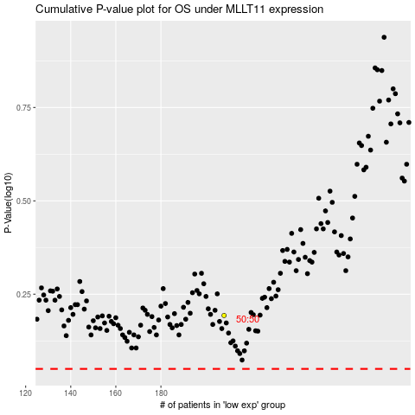

 |  |  |  |  |  | cases_OS | p_OS | rank | exp
 |  |  |  |  |  |  | cases_RFS | p_RFS | rank | exp

