MLLT4 _multivariate
Reported by Tex Li-Hsing Chi. tex@gate.sinica.edu.tw 2019-08-17

Table 2. The clinicopathological features of HNSCC cohort and MLLT4 expression. (Chi square test)
Cutoff at -0.255 (50.0%)
 |  | MLLT4 expression |  | MLLT4 expression |  | (Optimised)
 | Features | Low | (%) | High | (%) | Case no | P-value | Remark | Matthews
Gender | Female | 154 | 37.1 | 152 | 36.6 | 415 | 0.8463 | 0 | 0
2 | Male | 53 | 12.8 | 56 | 13.5
Age at diagnosis | <=65y | 134 | 32.3 | 140 | 33.7 | 415 | 0.6529 | 0 | 0
4 | >65y | 73 | 17.6 | 68 | 16.4
Clinical T Status | T1+T2 | 80 | 19.3 | 69 | 16.6 | 415 | 0.2891 | 0 | 0
6 | T3+T4 | 127 | 30.6 | 139 | 33.5
Clinical N Status | N0 | 112 | 27 | 104 | 25.1 | 415 | 0.4599 | 0 | 0
8 | N1-3 | 95 | 22.9 | 104 | 25.1
Clinical M Status | M0 | 205 | 49.4 | 207 | 49.9 | 415 | 0.6232 | 0 | 0
10 | M1 | 2 | 0.5 | 1 | 0.2
Clinical Stage | Stage I+II | 58 | 14 | 44 | 10.6 | 415 | 0.131 | 0 | 0
12 | Stage III+IV | 149 | 35.9 | 164 | 39.5
Surgical Margin status | Negative | 158 | 38.1 | 160 | 38.6 | 415 | 0.9081 | 0 | 0
14 | Positive | 49 | 11.8 | 48 | 11.6
Tobacco Exposure | Low | 74 | 17.8 | 87 | 21 | 415 | 0.227 | 0 | 0
16 | High | 133 | 32 | 121 | 29.2

Table 3. Univariate/Multivariate Cox's proportional hazards regression analyses on OS time of MLLT4 gene expression in HNSCC

 |  | Univariate |  |  |  | Multivariate
 | Features | HR | CI95%(L) | CI95%(H) | P-value | HR | CI95%(L) | CI95%(H) | P-value
1 | Female | 1 |  |  |  | 1
Gender | Male | 1.157 | 0.843 | 1.587 | 0.367 | 1.199 | 0.857 | 1.677 | 0.289
11 | <=65y | 1 |  |  |  | 1
Age at diagnosis | >65y | 1.329 | 0.99 | 1.784 | 0.058 | 1.388 | 1.02 | 1.887 | 0.037
12 | T1+T2 | 1 |  |  |  | 1
Clinical T Status | T3+T4 | 1.409 | 1.028 | 1.931 | 0.033 | 2.168 | 1.146 | 4.102 | 0.017
13 | N0 | 1 |  |  |  | 1
Clinical N Status | N1-3 | 1.185 | 0.89 | 1.577 | 0.246 | 1.246 | 0.873 | 1.779 | 0.225
14 | M0 | 1 |  |  |  | 1
Clinical M Status | M1 | 4.097 | 1.009 | 16.644 | 0.049 | 9.029 | 1.966 | 41.458 | 0.005
15 | Stage I+II | 1 |  |  |  | 1
Clinical Stage | Stage III+IV | 1.245 | 0.882 | 1.759 | 0.213 | 0.521 | 0.242 | 1.121 | 0.095
16 | Negative | 1 |  |  |  | 1
Surgical Margin status | Positive | 1.591 | 1.155 | 2.191 | 0.004 | 1.65 | 1.194 | 2.281 | 0.002
17 | Low | 1 |  |  |  | 1
Tobacco Exposure | High | 1.364 | 1.008 | 1.844 | 0.044 | 1.444 | 1.047 | 1.99 | 0.025
18 | Low | 1 |  |  |  | 1
RNAseq(z-score) | High | 0.823 | 0.618 | 1.097 | 0.184 | 0.858 | 0.642 | 1.147 | 0.301

Table 4. Univariate/Multivariate Cox's proportional hazards regression analyses on RFS time of MLLT4 gene expression in HNSCC

 |  | Univariate |  |  |  | Multivariate
 | Features | HR | CI95%(L) | CI95%(H) | P-value | HR | CI95%(L) | CI95%(H) | P-value
1 | Female | 1 |  |  |  | 1
Gender | Male | 1.157 | 0.843 | 1.587 | 0.367 | 1.199 | 0.857 | 1.677 | 0.289
11 | <=65y | 1 |  |  |  | 1
Age at diagnosis | >65y | 1.329 | 0.99 | 1.784 | 0.058 | 1.388 | 1.02 | 1.887 | 0.037
12 | T1+T2 | 1 |  |  |  | 1
Clinical T Status | T3+T4 | 1.409 | 1.028 | 1.931 | 0.033 | 2.168 | 1.146 | 4.102 | 0.017
13 | N0 | 1 |  |  |  | 1
Clinical N Status | N1-3 | 1.185 | 0.89 | 1.577 | 0.246 | 1.246 | 0.873 | 1.779 | 0.225
14 | M0 | 1 |  |  |  | 1
Clinical M Status | M1 | 4.097 | 1.009 | 16.644 | 0.049 | 9.029 | 1.966 | 41.458 | 0.005
15 | Stage I+II | 1 |  |  |  | 1
Clinical Stage | Stage III+IV | 1.245 | 0.882 | 1.759 | 0.213 | 0.521 | 0.242 | 1.121 | 0.095
16 | Negative | 1 |  |  |  | 1
Surgical Margin status | Positive | 1.591 | 1.155 | 2.191 | 0.004 | 1.65 | 1.194 | 2.281 | 0.002
17 | Low | 1 |  |  |  | 1
Tobacco Exposure | High | 1.364 | 1.008 | 1.844 | 0.044 | 1.444 | 1.047 | 1.99 | 0.025
18 | Low | 1 |  |  |  | 1
RNAseq(z-score) | High | 0.823 | 0.618 | 1.097 | 0.184 | 0.858 | 0.642 | 1.147 | 0.301

Kaplan-Meier survival estimate: Cutoff at -0.255 (50.0%)



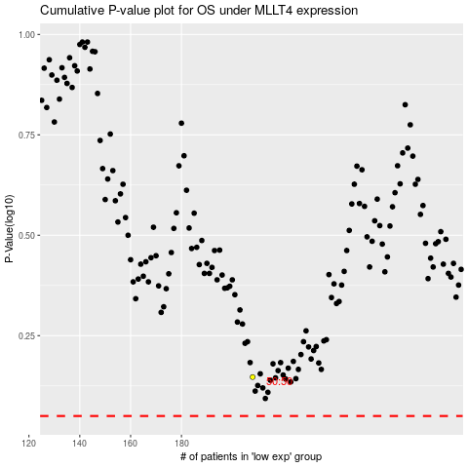

 |  |  |  |  |  | cases_OS | p_OS | rank | exp
 |  |  |  |  |  |  | cases_RFS | p_RFS | rank | exp

