MLPH _multivariate
Reported by Tex Li-Hsing Chi. tex@gate.sinica.edu.tw 2019-08-17

Table 2. The clinicopathological features of HNSCC cohort and MLPH expression. (Chi square test)
Cutoff at -0.192 (66.4%)
 |  | MLPH expression |  | MLPH expression |  | (Optimised)
 | Features | Low | (%) | High | (%) | Case no | P-value | Remark | Matthews
Gender | Female | 203 | 48.9 | 103 | 24.8 | 415 | 0.9984 | 0 | 0
2 | Male | 73 | 17.6 | 36 | 8.7
Age at diagnosis | <=65y | 175 | 42.2 | 99 | 23.9 | 415 | 0.1396 | 0 | 0
4 | >65y | 101 | 24.3 | 40 | 9.6
Clinical T Status | T1+T2 | 97 | 23.4 | 52 | 12.5 | 415 | 0.7297 | 0 | 0
6 | T3+T4 | 179 | 43.1 | 87 | 21
Clinical N Status | N0 | 143 | 34.5 | 73 | 17.6 | 415 | 0.9746 | 0 | 0
8 | N1-3 | 133 | 32 | 66 | 15.9
Clinical M Status | M0 | 273 | 65.8 | 139 | 33.5 | 415 | 0.554 | 0 | 0
10 | M1 | 3 | 0.7 | 0 | 0
Clinical Stage | Stage I+II | 68 | 16.4 | 34 | 8.2 | 415 | 1 | 0 | 0
12 | Stage III+IV | 208 | 50.1 | 105 | 25.3
Surgical Margin status | Negative | 212 | 51.1 | 106 | 25.5 | 415 | 0.9027 | 0 | 0
14 | Positive | 64 | 15.4 | 33 | 8
Tobacco Exposure | Low | 110 | 26.5 | 51 | 12.3 | 415 | 0.5938 | 0 | 0
16 | High | 166 | 40 | 88 | 21.2

Table 3. Univariate/Multivariate Cox's proportional hazards regression analyses on OS time of MLPH gene expression in HNSCC

 |  | Univariate |  |  |  | Multivariate
 | Features | HR | CI95%(L) | CI95%(H) | P-value | HR | CI95%(L) | CI95%(H) | P-value
1 | Female | 1 |  |  |  | 1
Gender | Male | 1.157 | 0.843 | 1.587 | 0.367 | 1.196 | 0.856 | 1.672 | 0.294
11 | <=65y | 1 |  |  |  | 1
Age at diagnosis | >65y | 1.329 | 0.99 | 1.784 | 0.058 | 1.398 | 1.028 | 1.901 | 0.033
12 | T1+T2 | 1 |  |  |  | 1
Clinical T Status | T3+T4 | 1.409 | 1.028 | 1.931 | 0.033 | 2.187 | 1.156 | 4.138 | 0.016
13 | N0 | 1 |  |  |  | 1
Clinical N Status | N1-3 | 1.185 | 0.89 | 1.577 | 0.246 | 1.234 | 0.865 | 1.76 | 0.245
14 | M0 | 1 |  |  |  | 1
Clinical M Status | M1 | 4.097 | 1.009 | 16.644 | 0.049 | 8.444 | 1.837 | 38.821 | 0.006
15 | Stage I+II | 1 |  |  |  | 1
Clinical Stage | Stage III+IV | 1.245 | 0.882 | 1.759 | 0.213 | 0.513 | 0.239 | 1.102 | 0.087
16 | Negative | 1 |  |  |  | 1
Surgical Margin status | Positive | 1.591 | 1.155 | 2.191 | 0.004 | 1.678 | 1.214 | 2.318 | 0.002
17 | Low | 1 |  |  |  | 1
Tobacco Exposure | High | 1.364 | 1.008 | 1.844 | 0.044 | 1.475 | 1.069 | 2.034 | 0.018
18 | Low | 1 |  |  |  | 1
RNAseq(z-score) | High | 0.711 | 0.514 | 0.985 | 0.04 | 0.713 | 0.515 | 0.989 | 0.043

Table 4. Univariate/Multivariate Cox's proportional hazards regression analyses on RFS time of MLPH gene expression in HNSCC

 |  | Univariate |  |  |  | Multivariate
 | Features | HR | CI95%(L) | CI95%(H) | P-value | HR | CI95%(L) | CI95%(H) | P-value
1 | Female | 1 |  |  |  | 1
Gender | Male | 1.157 | 0.843 | 1.587 | 0.367 | 1.196 | 0.856 | 1.672 | 0.294
11 | <=65y | 1 |  |  |  | 1
Age at diagnosis | >65y | 1.329 | 0.99 | 1.784 | 0.058 | 1.398 | 1.028 | 1.901 | 0.033
12 | T1+T2 | 1 |  |  |  | 1
Clinical T Status | T3+T4 | 1.409 | 1.028 | 1.931 | 0.033 | 2.187 | 1.156 | 4.138 | 0.016
13 | N0 | 1 |  |  |  | 1
Clinical N Status | N1-3 | 1.185 | 0.89 | 1.577 | 0.246 | 1.234 | 0.865 | 1.76 | 0.245
14 | M0 | 1 |  |  |  | 1
Clinical M Status | M1 | 4.097 | 1.009 | 16.644 | 0.049 | 8.444 | 1.837 | 38.821 | 0.006
15 | Stage I+II | 1 |  |  |  | 1
Clinical Stage | Stage III+IV | 1.245 | 0.882 | 1.759 | 0.213 | 0.513 | 0.239 | 1.102 | 0.087
16 | Negative | 1 |  |  |  | 1
Surgical Margin status | Positive | 1.591 | 1.155 | 2.191 | 0.004 | 1.678 | 1.214 | 2.318 | 0.002
17 | Low | 1 |  |  |  | 1
Tobacco Exposure | High | 1.364 | 1.008 | 1.844 | 0.044 | 1.475 | 1.069 | 2.034 | 0.018
18 | Low | 1 |  |  |  | 1
RNAseq(z-score) | High | 0.711 | 0.514 | 0.985 | 0.04 | 0.713 | 0.515 | 0.989 | 0.043

Kaplan-Meier survival estimate: Cutoff at -0.192 (66.4%)



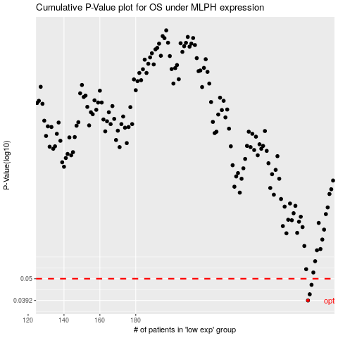

 |  |  |  |  |  | cases_OS | p_OS | rank | exp
 |  |  |  |  |  | 276 | 0.0392 | 98 | -0.19213911369
 |  |  |  |  |  | 277 | 0.042 | 24 | -0.18702789488
 |  |  |  |  |  | 278 | 0.0467 | 292 | -0.18638680563
 |  |  |  |  |  |  | cases_RFS | p_RFS | rank | exp
 |  |  |  |  |  |  | 275 | 0.0392 | 115 | -0.19746228609
 |  |  |  |  |  |  | 276 | 0.042 | 98 | -0.19213911369
 |  |  |  |  |  |  | 277 | 0.0467 | 24 | -0.18702789488

