MLXIP _multivariate
Reported by Tex Li-Hsing Chi. tex@gate.sinica.edu.tw 2019-08-17

Table 2. The clinicopathological features of HNSCC cohort and MLXIP expression. (Chi square test)
Cutoff at 0.007 (49.8%)
 |  | MLXIP expression |  | MLXIP expression |  | (Optimised)
 | Features | Low | (%) | High | (%) | Case no | P-value | Remark | Matthews
Gender | Female | 149 | 35.9 | 157 | 37.8 | 415 | 0.4848 | 0 | 0
2 | Male | 58 | 14 | 51 | 12.3
Age at diagnosis | <=65y | 128 | 30.8 | 146 | 35.2 | 415 | 0.0904 | 0 | 0
4 | >65y | 79 | 19 | 62 | 14.9
Clinical T Status | T1+T2 | 83 | 20 | 66 | 15.9 | 415 | 0.0941 | 0 | 0
6 | T3+T4 | 124 | 29.9 | 142 | 34.2
Clinical N Status | N0 | 112 | 27 | 104 | 25.1 | 415 | 0.4599 | 0 | 0
8 | N1-3 | 95 | 22.9 | 104 | 25.1
Clinical M Status | M0 | 206 | 49.6 | 206 | 49.6 | 415 | 1 | 0 | 0
10 | M1 | 1 | 0.2 | 2 | 0.5
Clinical Stage | Stage I+II | 55 | 13.3 | 47 | 11.3 | 415 | 0.4087 | 0 | 0
12 | Stage III+IV | 152 | 36.6 | 161 | 38.8
Surgical Margin status | Negative | 147 | 35.4 | 171 | 41.2 | 415 | 0.0077 | 1 | 0
14 | Positive | 60 | 14.5 | 37 | 8.9
Tobacco Exposure | Low | 86 | 20.7 | 75 | 18.1 | 415 | 0.2687 | 0 | 0
16 | High | 121 | 29.2 | 133 | 32

Table 3. Univariate/Multivariate Cox's proportional hazards regression analyses on OS time of MLXIP gene expression in HNSCC

 |  | Univariate |  |  |  | Multivariate
 | Features | HR | CI95%(L) | CI95%(H) | P-value | HR | CI95%(L) | CI95%(H) | P-value
1 | Female | 1 |  |  |  | 1
Gender | Male | 1.157 | 0.843 | 1.587 | 0.367 | 1.217 | 0.87 | 1.701 | 0.252
11 | <=65y | 1 |  |  |  | 1
Age at diagnosis | >65y | 1.329 | 0.99 | 1.784 | 0.058 | 1.411 | 1.037 | 1.921 | 0.028
12 | T1+T2 | 1 |  |  |  | 1
Clinical T Status | T3+T4 | 1.409 | 1.028 | 1.931 | 0.033 | 2.149 | 1.135 | 4.07 | 0.019
13 | N0 | 1 |  |  |  | 1
Clinical N Status | N1-3 | 1.185 | 0.89 | 1.577 | 0.246 | 1.235 | 0.865 | 1.763 | 0.245
14 | M0 | 1 |  |  |  | 1
Clinical M Status | M1 | 4.097 | 1.009 | 16.644 | 0.049 | 9.187 | 2.003 | 42.143 | 0.004
15 | Stage I+II | 1 |  |  |  | 1
Clinical Stage | Stage III+IV | 1.245 | 0.882 | 1.759 | 0.213 | 0.513 | 0.239 | 1.103 | 0.088
16 | Negative | 1 |  |  |  | 1
Surgical Margin status | Positive | 1.591 | 1.155 | 2.191 | 0.004 | 1.713 | 1.236 | 2.375 | 0.001
17 | Low | 1 |  |  |  | 1
Tobacco Exposure | High | 1.364 | 1.008 | 1.844 | 0.044 | 1.461 | 1.06 | 2.014 | 0.021
18 | Low | 1 |  |  |  | 1
RNAseq(z-score) | High | 1.093 | 0.82 | 1.456 | 0.545 | 1.165 | 0.868 | 1.562 | 0.309

Table 4. Univariate/Multivariate Cox's proportional hazards regression analyses on RFS time of MLXIP gene expression in HNSCC

 |  | Univariate |  |  |  | Multivariate
 | Features | HR | CI95%(L) | CI95%(H) | P-value | HR | CI95%(L) | CI95%(H) | P-value
1 | Female | 1 |  |  |  | 1
Gender | Male | 1.157 | 0.843 | 1.587 | 0.367 | 1.217 | 0.87 | 1.701 | 0.252
11 | <=65y | 1 |  |  |  | 1
Age at diagnosis | >65y | 1.329 | 0.99 | 1.784 | 0.058 | 1.411 | 1.037 | 1.921 | 0.028
12 | T1+T2 | 1 |  |  |  | 1
Clinical T Status | T3+T4 | 1.409 | 1.028 | 1.931 | 0.033 | 2.149 | 1.135 | 4.07 | 0.019
13 | N0 | 1 |  |  |  | 1
Clinical N Status | N1-3 | 1.185 | 0.89 | 1.577 | 0.246 | 1.235 | 0.865 | 1.763 | 0.245
14 | M0 | 1 |  |  |  | 1
Clinical M Status | M1 | 4.097 | 1.009 | 16.644 | 0.049 | 9.187 | 2.003 | 42.143 | 0.004
15 | Stage I+II | 1 |  |  |  | 1
Clinical Stage | Stage III+IV | 1.245 | 0.882 | 1.759 | 0.213 | 0.513 | 0.239 | 1.103 | 0.088
16 | Negative | 1 |  |  |  | 1
Surgical Margin status | Positive | 1.591 | 1.155 | 2.191 | 0.004 | 1.713 | 1.236 | 2.375 | 0.001
17 | Low | 1 |  |  |  | 1
Tobacco Exposure | High | 1.364 | 1.008 | 1.844 | 0.044 | 1.461 | 1.06 | 2.014 | 0.021
18 | Low | 1 |  |  |  | 1
RNAseq(z-score) | High | 1.093 | 0.82 | 1.456 | 0.545 | 1.165 | 0.868 | 1.562 | 0.309

Kaplan-Meier survival estimate: Cutoff at 0.007 (49.8%)



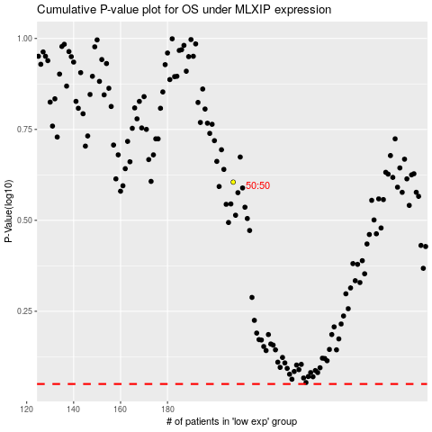

 |  |  |  |  |  | cases_OS | p_OS | rank | exp
 |  |  |  |  |  |  | cases_RFS | p_RFS | rank | exp

