MMACHC _multivariate
Reported by Tex Li-Hsing Chi. tex@gate.sinica.edu.tw 2019-08-17

Table 2. The clinicopathological features of HNSCC cohort and MMACHC expression. (Chi square test)
Cutoff at -0.195 (49.8%)
 |  | MMACHC expression |  | MMACHC expression |  | (Optimised)
 | Features | Low | (%) | High | (%) | Case no | P-value | Remark | Matthews
Gender | Female | 143 | 34.5 | 163 | 39.3 | 415 | 0.0416 | 1 | 0
2 | Male | 64 | 15.4 | 45 | 10.8
Age at diagnosis | <=65y | 133 | 32 | 141 | 34 | 415 | 0.5111 | 0 | 0
4 | >65y | 74 | 17.8 | 67 | 16.1
Clinical T Status | T1+T2 | 69 | 16.6 | 80 | 19.3 | 415 | 0.3239 | 0 | 0
6 | T3+T4 | 138 | 33.3 | 128 | 30.8
Clinical N Status | N0 | 107 | 25.8 | 109 | 26.3 | 415 | 0.9624 | 0 | 0
8 | N1-3 | 100 | 24.1 | 99 | 23.9
Clinical M Status | M0 | 206 | 49.6 | 206 | 49.6 | 415 | 1 | 0 | 0
10 | M1 | 1 | 0.2 | 2 | 0.5
Clinical Stage | Stage I+II | 50 | 12 | 52 | 12.5 | 415 | 0.9315 | 0 | 0
12 | Stage III+IV | 157 | 37.8 | 156 | 37.6
Surgical Margin status | Negative | 157 | 37.8 | 161 | 38.8 | 415 | 0.729 | 0 | 0
14 | Positive | 50 | 12 | 47 | 11.3
Tobacco Exposure | Low | 78 | 18.8 | 83 | 20 | 415 | 0.6873 | 0 | 0
16 | High | 129 | 31.1 | 125 | 30.1

Table 3. Univariate/Multivariate Cox's proportional hazards regression analyses on OS time of MMACHC gene expression in HNSCC

 |  | Univariate |  |  |  | Multivariate
 | Features | HR | CI95%(L) | CI95%(H) | P-value | HR | CI95%(L) | CI95%(H) | P-value
1 | Female | 1 |  |  |  | 1
Gender | Male | 1.157 | 0.843 | 1.587 | 0.367 | 1.201 | 0.859 | 1.68 | 0.283
11 | <=65y | 1 |  |  |  | 1
Age at diagnosis | >65y | 1.329 | 0.99 | 1.784 | 0.058 | 1.391 | 1.023 | 1.892 | 0.035
12 | T1+T2 | 1 |  |  |  | 1
Clinical T Status | T3+T4 | 1.409 | 1.028 | 1.931 | 0.033 | 2.201 | 1.16 | 4.175 | 0.016
13 | N0 | 1 |  |  |  | 1
Clinical N Status | N1-3 | 1.185 | 0.89 | 1.577 | 0.246 | 1.24 | 0.868 | 1.772 | 0.236
14 | M0 | 1 |  |  |  | 1
Clinical M Status | M1 | 4.097 | 1.009 | 16.644 | 0.049 | 9.411 | 2.052 | 43.16 | 0.004
15 | Stage I+II | 1 |  |  |  | 1
Clinical Stage | Stage III+IV | 1.245 | 0.882 | 1.759 | 0.213 | 0.505 | 0.235 | 1.086 | 0.08
16 | Negative | 1 |  |  |  | 1
Surgical Margin status | Positive | 1.591 | 1.155 | 2.191 | 0.004 | 1.672 | 1.21 | 2.31 | 0.002
17 | Low | 1 |  |  |  | 1
Tobacco Exposure | High | 1.364 | 1.008 | 1.844 | 0.044 | 1.453 | 1.055 | 2.002 | 0.022
18 | Low | 1 |  |  |  | 1
RNAseq(z-score) | High | 0.94 | 0.706 | 1.251 | 0.671 | 0.997 | 0.745 | 1.334 | 0.983

Table 4. Univariate/Multivariate Cox's proportional hazards regression analyses on RFS time of MMACHC gene expression in HNSCC

 |  | Univariate |  |  |  | Multivariate
 | Features | HR | CI95%(L) | CI95%(H) | P-value | HR | CI95%(L) | CI95%(H) | P-value
1 | Female | 1 |  |  |  | 1
Gender | Male | 1.157 | 0.843 | 1.587 | 0.367 | 1.201 | 0.859 | 1.68 | 0.283
11 | <=65y | 1 |  |  |  | 1
Age at diagnosis | >65y | 1.329 | 0.99 | 1.784 | 0.058 | 1.391 | 1.023 | 1.892 | 0.035
12 | T1+T2 | 1 |  |  |  | 1
Clinical T Status | T3+T4 | 1.409 | 1.028 | 1.931 | 0.033 | 2.201 | 1.16 | 4.175 | 0.016
13 | N0 | 1 |  |  |  | 1
Clinical N Status | N1-3 | 1.185 | 0.89 | 1.577 | 0.246 | 1.24 | 0.868 | 1.772 | 0.236
14 | M0 | 1 |  |  |  | 1
Clinical M Status | M1 | 4.097 | 1.009 | 16.644 | 0.049 | 9.411 | 2.052 | 43.16 | 0.004
15 | Stage I+II | 1 |  |  |  | 1
Clinical Stage | Stage III+IV | 1.245 | 0.882 | 1.759 | 0.213 | 0.505 | 0.235 | 1.086 | 0.08
16 | Negative | 1 |  |  |  | 1
Surgical Margin status | Positive | 1.591 | 1.155 | 2.191 | 0.004 | 1.672 | 1.21 | 2.31 | 0.002
17 | Low | 1 |  |  |  | 1
Tobacco Exposure | High | 1.364 | 1.008 | 1.844 | 0.044 | 1.453 | 1.055 | 2.002 | 0.022
18 | Low | 1 |  |  |  | 1
RNAseq(z-score) | High | 0.94 | 0.706 | 1.251 | 0.671 | 0.997 | 0.745 | 1.334 | 0.983

Kaplan-Meier survival estimate: Cutoff at -0.195 (49.8%)



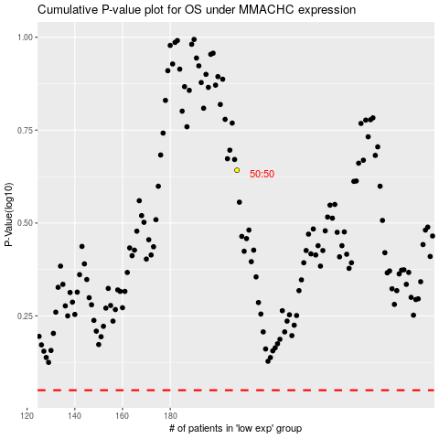

 |  |  |  |  |  | cases_OS | p_OS | rank | exp
 |  |  |  |  |  |  | cases_RFS | p_RFS | rank | exp

