MMD _multivariate
Reported by Tex Li-Hsing Chi. tex@gate.sinica.edu.tw 2019-08-17

Table 2. The clinicopathological features of HNSCC cohort and MMD expression. (Chi square test)
Cutoff at -0.137 (50.0%)
 |  | MMD expression |  | MMD expression |  | (Optimised)
 | Features | Low | (%) | High | (%) | Case no | P-value | Remark | Matthews
Gender | Female | 150 | 36.1 | 156 | 37.6 | 415 | 0.6344 | 0 | 0
2 | Male | 57 | 13.7 | 52 | 12.5
Age at diagnosis | <=65y | 125 | 30.1 | 149 | 35.9 | 415 | 0.0206 | 1 | 0
4 | >65y | 82 | 19.8 | 59 | 14.2
Clinical T Status | T1+T2 | 82 | 19.8 | 67 | 16.1 | 415 | 0.1417 | 0 | 0
6 | T3+T4 | 125 | 30.1 | 141 | 34
Clinical N Status | N0 | 121 | 29.2 | 95 | 22.9 | 415 | 0.0122 | 1 | 0
8 | N1-3 | 86 | 20.7 | 113 | 27.2
Clinical M Status | M0 | 205 | 49.4 | 207 | 49.9 | 415 | 0.6232 | 0 | 0
10 | M1 | 2 | 0.5 | 1 | 0.2
Clinical Stage | Stage I+II | 57 | 13.7 | 45 | 10.8 | 415 | 0.1998 | 0 | 0
12 | Stage III+IV | 150 | 36.1 | 163 | 39.3
Surgical Margin status | Negative | 161 | 38.8 | 157 | 37.8 | 415 | 0.6429 | 0 | 0
14 | Positive | 46 | 11.1 | 51 | 12.3
Tobacco Exposure | Low | 90 | 21.7 | 71 | 17.1 | 415 | 0.0559 | 0 | 0
16 | High | 117 | 28.2 | 137 | 33

Table 3. Univariate/Multivariate Cox's proportional hazards regression analyses on OS time of MMD gene expression in HNSCC

 |  | Univariate |  |  |  | Multivariate
 | Features | HR | CI95%(L) | CI95%(H) | P-value | HR | CI95%(L) | CI95%(H) | P-value
1 | Female | 1 |  |  |  | 1
Gender | Male | 1.157 | 0.843 | 1.587 | 0.367 | 1.205 | 0.863 | 1.683 | 0.274
11 | <=65y | 1 |  |  |  | 1
Age at diagnosis | >65y | 1.329 | 0.99 | 1.784 | 0.058 | 1.405 | 1.032 | 1.914 | 0.031
12 | T1+T2 | 1 |  |  |  | 1
Clinical T Status | T3+T4 | 1.409 | 1.028 | 1.931 | 0.033 | 2.186 | 1.155 | 4.135 | 0.016
13 | N0 | 1 |  |  |  | 1
Clinical N Status | N1-3 | 1.185 | 0.89 | 1.577 | 0.246 | 1.234 | 0.865 | 1.762 | 0.246
14 | M0 | 1 |  |  |  | 1
Clinical M Status | M1 | 4.097 | 1.009 | 16.644 | 0.049 | 9.639 | 2.098 | 44.278 | 0.004
15 | Stage I+II | 1 |  |  |  | 1
Clinical Stage | Stage III+IV | 1.245 | 0.882 | 1.759 | 0.213 | 0.507 | 0.236 | 1.087 | 0.081
16 | Negative | 1 |  |  |  | 1
Surgical Margin status | Positive | 1.591 | 1.155 | 2.191 | 0.004 | 1.677 | 1.213 | 2.318 | 0.002
17 | Low | 1 |  |  |  | 1
Tobacco Exposure | High | 1.364 | 1.008 | 1.844 | 0.044 | 1.447 | 1.05 | 1.995 | 0.024
18 | Low | 1 |  |  |  | 1
RNAseq(z-score) | High | 1.063 | 0.798 | 1.416 | 0.676 | 1.089 | 0.814 | 1.458 | 0.565

Table 4. Univariate/Multivariate Cox's proportional hazards regression analyses on RFS time of MMD gene expression in HNSCC

 |  | Univariate |  |  |  | Multivariate
 | Features | HR | CI95%(L) | CI95%(H) | P-value | HR | CI95%(L) | CI95%(H) | P-value
1 | Female | 1 |  |  |  | 1
Gender | Male | 1.157 | 0.843 | 1.587 | 0.367 | 1.205 | 0.863 | 1.683 | 0.274
11 | <=65y | 1 |  |  |  | 1
Age at diagnosis | >65y | 1.329 | 0.99 | 1.784 | 0.058 | 1.405 | 1.032 | 1.914 | 0.031
12 | T1+T2 | 1 |  |  |  | 1
Clinical T Status | T3+T4 | 1.409 | 1.028 | 1.931 | 0.033 | 2.186 | 1.155 | 4.135 | 0.016
13 | N0 | 1 |  |  |  | 1
Clinical N Status | N1-3 | 1.185 | 0.89 | 1.577 | 0.246 | 1.234 | 0.865 | 1.762 | 0.246
14 | M0 | 1 |  |  |  | 1
Clinical M Status | M1 | 4.097 | 1.009 | 16.644 | 0.049 | 9.639 | 2.098 | 44.278 | 0.004
15 | Stage I+II | 1 |  |  |  | 1
Clinical Stage | Stage III+IV | 1.245 | 0.882 | 1.759 | 0.213 | 0.507 | 0.236 | 1.087 | 0.081
16 | Negative | 1 |  |  |  | 1
Surgical Margin status | Positive | 1.591 | 1.155 | 2.191 | 0.004 | 1.677 | 1.213 | 2.318 | 0.002
17 | Low | 1 |  |  |  | 1
Tobacco Exposure | High | 1.364 | 1.008 | 1.844 | 0.044 | 1.447 | 1.05 | 1.995 | 0.024
18 | Low | 1 |  |  |  | 1
RNAseq(z-score) | High | 1.063 | 0.798 | 1.416 | 0.676 | 1.089 | 0.814 | 1.458 | 0.565

Kaplan-Meier survival estimate: Cutoff at -0.137 (50.0%)



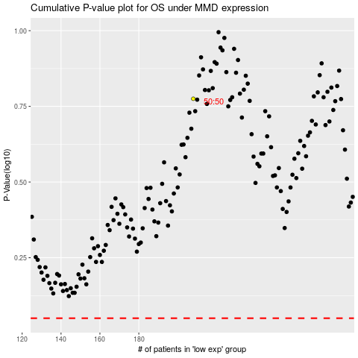

 |  |  |  |  |  | cases_OS | p_OS | rank | exp
 |  |  |  |  |  |  | cases_RFS | p_RFS | rank | exp

