MME _multivariate
Reported by Tex Li-Hsing Chi. tex@gate.sinica.edu.tw 2019-08-17

Table 2. The clinicopathological features of HNSCC cohort and MME expression. (Chi square test)
Cutoff at -0.231 (30.4%)
 |  | MME expression |  | MME expression |  | (Optimised)
 | Features | Low | (%) | High | (%) | Case no | P-value | Remark | Matthews
Gender | Female | 96 | 23.1 | 210 | 50.6 | 415 | 0.5292 | 0 | 0
2 | Male | 30 | 7.2 | 79 | 19
Age at diagnosis | <=65y | 87 | 21 | 187 | 45.1 | 415 | 0.4557 | 0 | 0
4 | >65y | 39 | 9.4 | 102 | 24.6
Clinical T Status | T1+T2 | 55 | 13.3 | 94 | 22.7 | 415 | 0.0393 | 1 | 0
6 | T3+T4 | 71 | 17.1 | 195 | 47
Clinical N Status | N0 | 60 | 14.5 | 156 | 37.6 | 415 | 0.2776 | 0 | 0
8 | N1-3 | 66 | 15.9 | 133 | 32
Clinical M Status | M0 | 125 | 30.1 | 287 | 69.2 | 415 | 1 | 0 | 0
10 | M1 | 1 | 0.2 | 2 | 0.5
Clinical Stage | Stage I+II | 30 | 7.2 | 72 | 17.3 | 415 | 0.9075 | 0 | 0
12 | Stage III+IV | 96 | 23.1 | 217 | 52.3
Surgical Margin status | Negative | 96 | 23.1 | 222 | 53.5 | 415 | 0.9001 | 0 | 0
14 | Positive | 30 | 7.2 | 67 | 16.1
Tobacco Exposure | Low | 53 | 12.8 | 108 | 26 | 415 | 0.3823 | 0 | 0
16 | High | 73 | 17.6 | 181 | 43.6

Table 3. Univariate/Multivariate Cox's proportional hazards regression analyses on OS time of MME gene expression in HNSCC

 |  | Univariate |  |  |  | Multivariate
 | Features | HR | CI95%(L) | CI95%(H) | P-value | HR | CI95%(L) | CI95%(H) | P-value
1 | Female | 1 |  |  |  | 1
Gender | Male | 1.157 | 0.843 | 1.587 | 0.367 | 1.179 | 0.845 | 1.645 | 0.334
11 | <=65y | 1 |  |  |  | 1
Age at diagnosis | >65y | 1.329 | 0.99 | 1.784 | 0.058 | 1.413 | 1.038 | 1.924 | 0.028
12 | T1+T2 | 1 |  |  |  | 1
Clinical T Status | T3+T4 | 1.409 | 1.028 | 1.931 | 0.033 | 2.084 | 1.1 | 3.949 | 0.024
13 | N0 | 1 |  |  |  | 1
Clinical N Status | N1-3 | 1.185 | 0.89 | 1.577 | 0.246 | 1.267 | 0.887 | 1.809 | 0.193
14 | M0 | 1 |  |  |  | 1
Clinical M Status | M1 | 4.097 | 1.009 | 16.644 | 0.049 | 8.557 | 1.86 | 39.367 | 0.006
15 | Stage I+II | 1 |  |  |  | 1
Clinical Stage | Stage III+IV | 1.245 | 0.882 | 1.759 | 0.213 | 0.54 | 0.25 | 1.162 | 0.115
16 | Negative | 1 |  |  |  | 1
Surgical Margin status | Positive | 1.591 | 1.155 | 2.191 | 0.004 | 1.662 | 1.203 | 2.295 | 0.002
17 | Low | 1 |  |  |  | 1
Tobacco Exposure | High | 1.364 | 1.008 | 1.844 | 0.044 | 1.428 | 1.037 | 1.966 | 0.029
18 | Low | 1 |  |  |  | 1
RNAseq(z-score) | High | 1.412 | 1.016 | 1.961 | 0.04 | 1.364 | 0.977 | 1.905 | 0.068

Table 4. Univariate/Multivariate Cox's proportional hazards regression analyses on RFS time of MME gene expression in HNSCC

 |  | Univariate |  |  |  | Multivariate
 | Features | HR | CI95%(L) | CI95%(H) | P-value | HR | CI95%(L) | CI95%(H) | P-value
1 | Female | 1 |  |  |  | 1
Gender | Male | 1.157 | 0.843 | 1.587 | 0.367 | 1.179 | 0.845 | 1.645 | 0.334
11 | <=65y | 1 |  |  |  | 1
Age at diagnosis | >65y | 1.329 | 0.99 | 1.784 | 0.058 | 1.413 | 1.038 | 1.924 | 0.028
12 | T1+T2 | 1 |  |  |  | 1
Clinical T Status | T3+T4 | 1.409 | 1.028 | 1.931 | 0.033 | 2.084 | 1.1 | 3.949 | 0.024
13 | N0 | 1 |  |  |  | 1
Clinical N Status | N1-3 | 1.185 | 0.89 | 1.577 | 0.246 | 1.267 | 0.887 | 1.809 | 0.193
14 | M0 | 1 |  |  |  | 1
Clinical M Status | M1 | 4.097 | 1.009 | 16.644 | 0.049 | 8.557 | 1.86 | 39.367 | 0.006
15 | Stage I+II | 1 |  |  |  | 1
Clinical Stage | Stage III+IV | 1.245 | 0.882 | 1.759 | 0.213 | 0.54 | 0.25 | 1.162 | 0.115
16 | Negative | 1 |  |  |  | 1
Surgical Margin status | Positive | 1.591 | 1.155 | 2.191 | 0.004 | 1.662 | 1.203 | 2.295 | 0.002
17 | Low | 1 |  |  |  | 1
Tobacco Exposure | High | 1.364 | 1.008 | 1.844 | 0.044 | 1.428 | 1.037 | 1.966 | 0.029
18 | Low | 1 |  |  |  | 1
RNAseq(z-score) | High | 1.412 | 1.016 | 1.961 | 0.04 | 1.364 | 0.977 | 1.905 | 0.068

Kaplan-Meier survival estimate: Cutoff at -0.231 (30.4%)

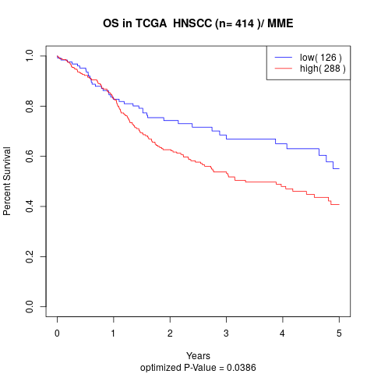

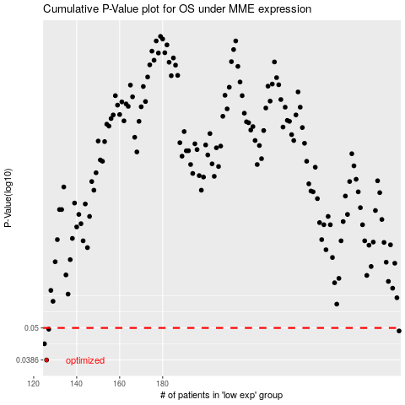

 |  |  |  |  |  | cases_OS | p_OS | rank | exp
 |  |  |  |  |  | 126 | 0.0386 | 236 | -0.23075485037
 |  |  |  |  |  | 125 | 0.044 | 101 | -0.23105988779
 |  |  |  |  |  | 290 | 0.0488 | 41 | -0.076786590801
 |  |  |  |  |  | 127 | 0.0495 | 223 | -0.22948183729
 |  |  |  |  |  |  | cases_RFS | p_RFS | rank | exp
 |  |  |  |  |  |  | 125 | 0.0386 | 101 | -0.23105988779
 |  |  |  |  |  |  |  | 0.044 | 136 | -0.23214826911
 |  |  |  |  |  |  | 289 | 0.0488 | 71 | -0.07737574461
 |  |  |  |  |  |  | 126 | 0.0495 | 236 | -0.23075485037

