MMP10 _multivariate
Reported by Tex Li-Hsing Chi. tex@gate.sinica.edu.tw 2019-08-17

Table 2. The clinicopathological features of HNSCC cohort and MMP10 expression. (Chi square test)
Cutoff at -0.217 (50.0%)
 |  | MMP10 expression |  | MMP10 expression |  | (Optimised)
 | Features | Low | (%) | High | (%) | Case no | P-value | Remark | Matthews
Gender | Female | 154 | 37.1 | 152 | 36.6 | 415 | 0.8463 | 0 | 0
2 | Male | 53 | 12.8 | 56 | 13.5
Age at diagnosis | <=65y | 134 | 32.3 | 140 | 33.7 | 415 | 0.6529 | 0 | 0
4 | >65y | 73 | 17.6 | 68 | 16.4
Clinical T Status | T1+T2 | 73 | 17.6 | 76 | 18.3 | 415 | 0.8666 | 0 | 0
6 | T3+T4 | 134 | 32.3 | 132 | 31.8
Clinical N Status | N0 | 107 | 25.8 | 109 | 26.3 | 415 | 0.9624 | 0 | 0
8 | N1-3 | 100 | 24.1 | 99 | 23.9
Clinical M Status | M0 | 205 | 49.4 | 207 | 49.9 | 415 | 0.6232 | 0 | 0
10 | M1 | 2 | 0.5 | 1 | 0.2
Clinical Stage | Stage I+II | 41 | 9.9 | 61 | 14.7 | 415 | 0.0325 | 1 | 0
12 | Stage III+IV | 166 | 40 | 147 | 35.4
Surgical Margin status | Negative | 155 | 37.3 | 163 | 39.3 | 415 | 0.4187 | 0 | 0
14 | Positive | 52 | 12.5 | 45 | 10.8
Tobacco Exposure | Low | 70 | 16.9 | 91 | 21.9 | 415 | 0.0439 | 1 | 0
16 | High | 137 | 33 | 117 | 28.2

Table 3. Univariate/Multivariate Cox's proportional hazards regression analyses on OS time of MMP10 gene expression in HNSCC

 |  | Univariate |  |  |  | Multivariate
 | Features | HR | CI95%(L) | CI95%(H) | P-value | HR | CI95%(L) | CI95%(H) | P-value
1 | Female | 1 |  |  |  | 1
Gender | Male | 1.157 | 0.843 | 1.587 | 0.367 | 1.201 | 0.86 | 1.677 | 0.282
11 | <=65y | 1 |  |  |  | 1
Age at diagnosis | >65y | 1.329 | 0.99 | 1.784 | 0.058 | 1.392 | 1.024 | 1.89 | 0.035
12 | T1+T2 | 1 |  |  |  | 1
Clinical T Status | T3+T4 | 1.409 | 1.028 | 1.931 | 0.033 | 2.123 | 1.119 | 4.029 | 0.021
13 | N0 | 1 |  |  |  | 1
Clinical N Status | N1-3 | 1.185 | 0.89 | 1.577 | 0.246 | 1.223 | 0.857 | 1.746 | 0.267
14 | M0 | 1 |  |  |  | 1
Clinical M Status | M1 | 4.097 | 1.009 | 16.644 | 0.049 | 9.208 | 2.008 | 42.228 | 0.004
15 | Stage I+II | 1 |  |  |  | 1
Clinical Stage | Stage III+IV | 1.245 | 0.882 | 1.759 | 0.213 | 0.545 | 0.251 | 1.185 | 0.126
16 | Negative | 1 |  |  |  | 1
Surgical Margin status | Positive | 1.591 | 1.155 | 2.191 | 0.004 | 1.664 | 1.205 | 2.299 | 0.002
17 | Low | 1 |  |  |  | 1
Tobacco Exposure | High | 1.364 | 1.008 | 1.844 | 0.044 | 1.472 | 1.068 | 2.028 | 0.018
18 | Low | 1 |  |  |  | 1
RNAseq(z-score) | High | 1.158 | 0.87 | 1.543 | 0.315 | 1.19 | 0.887 | 1.596 | 0.247

Table 4. Univariate/Multivariate Cox's proportional hazards regression analyses on RFS time of MMP10 gene expression in HNSCC

 |  | Univariate |  |  |  | Multivariate
 | Features | HR | CI95%(L) | CI95%(H) | P-value | HR | CI95%(L) | CI95%(H) | P-value
1 | Female | 1 |  |  |  | 1
Gender | Male | 1.157 | 0.843 | 1.587 | 0.367 | 1.201 | 0.86 | 1.677 | 0.282
11 | <=65y | 1 |  |  |  | 1
Age at diagnosis | >65y | 1.329 | 0.99 | 1.784 | 0.058 | 1.392 | 1.024 | 1.89 | 0.035
12 | T1+T2 | 1 |  |  |  | 1
Clinical T Status | T3+T4 | 1.409 | 1.028 | 1.931 | 0.033 | 2.123 | 1.119 | 4.029 | 0.021
13 | N0 | 1 |  |  |  | 1
Clinical N Status | N1-3 | 1.185 | 0.89 | 1.577 | 0.246 | 1.223 | 0.857 | 1.746 | 0.267
14 | M0 | 1 |  |  |  | 1
Clinical M Status | M1 | 4.097 | 1.009 | 16.644 | 0.049 | 9.208 | 2.008 | 42.228 | 0.004
15 | Stage I+II | 1 |  |  |  | 1
Clinical Stage | Stage III+IV | 1.245 | 0.882 | 1.759 | 0.213 | 0.545 | 0.251 | 1.185 | 0.126
16 | Negative | 1 |  |  |  | 1
Surgical Margin status | Positive | 1.591 | 1.155 | 2.191 | 0.004 | 1.664 | 1.205 | 2.299 | 0.002
17 | Low | 1 |  |  |  | 1
Tobacco Exposure | High | 1.364 | 1.008 | 1.844 | 0.044 | 1.472 | 1.068 | 2.028 | 0.018
18 | Low | 1 |  |  |  | 1
RNAseq(z-score) | High | 1.158 | 0.87 | 1.543 | 0.315 | 1.19 | 0.887 | 1.596 | 0.247

Kaplan-Meier survival estimate: Cutoff at -0.217 (50.0%)



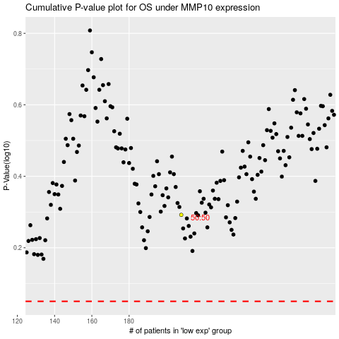

 |  |  |  |  |  | cases_OS | p_OS | rank | exp
 |  |  |  |  |  |  | cases_RFS | p_RFS | rank | exp

