MMP11 _multivariate
Reported by Tex Li-Hsing Chi. tex@gate.sinica.edu.tw 2019-08-17

Table 2. The clinicopathological features of HNSCC cohort and MMP11 expression. (Chi square test)
Cutoff at -0.292 (49.8%)
 |  | MMP11 expression |  | MMP11 expression |  | (Optimised)
 | Features | Low | (%) | High | (%) | Case no | P-value | Remark | Matthews
Gender | Female | 153 | 36.9 | 153 | 36.9 | 415 | 1 | 0 | 0
2 | Male | 54 | 13 | 55 | 13.3
Age at diagnosis | <=65y | 139 | 33.5 | 135 | 32.5 | 415 | 0.7044 | 0 | 0
4 | >65y | 68 | 16.4 | 73 | 17.6
Clinical T Status | T1+T2 | 89 | 21.4 | 60 | 14.5 | 415 | 0.0037 | 1 | 0
6 | T3+T4 | 118 | 28.4 | 148 | 35.7
Clinical N Status | N0 | 113 | 27.2 | 103 | 24.8 | 415 | 0.3495 | 1 | 0
8 | N1-3 | 94 | 22.7 | 105 | 25.3
Clinical M Status | M0 | 204 | 49.2 | 208 | 50.1 | 415 | 0.1232 | 0 | 0
10 | M1 | 3 | 0.7 | 0 | 0
Clinical Stage | Stage I+II | 59 | 14.2 | 43 | 10.4 | 415 | 0.0822 | 0 | 0
12 | Stage III+IV | 148 | 35.7 | 165 | 39.8
Surgical Margin status | Negative | 154 | 37.1 | 164 | 39.5 | 415 | 0.2984 | 0 | 0
14 | Positive | 53 | 12.8 | 44 | 10.6
Tobacco Exposure | Low | 90 | 21.7 | 71 | 17.1 | 415 | 0.0559 | 0 | 0
16 | High | 117 | 28.2 | 137 | 33

Table 3. Univariate/Multivariate Cox's proportional hazards regression analyses on OS time of MMP11 gene expression in HNSCC

 |  | Univariate |  |  |  | Multivariate
 | Features | HR | CI95%(L) | CI95%(H) | P-value | HR | CI95%(L) | CI95%(H) | P-value
1 | Female | 1 |  |  |  | 1
Gender | Male | 1.157 | 0.843 | 1.587 | 0.367 | 1.203 | 0.861 | 1.681 | 0.28
11 | <=65y | 1 |  |  |  | 1
Age at diagnosis | >65y | 1.329 | 0.99 | 1.784 | 0.058 | 1.403 | 1.032 | 1.91 | 0.031
12 | T1+T2 | 1 |  |  |  | 1
Clinical T Status | T3+T4 | 1.409 | 1.028 | 1.931 | 0.033 | 2.284 | 1.201 | 4.343 | 0.012
13 | N0 | 1 |  |  |  | 1
Clinical N Status | N1-3 | 1.185 | 0.89 | 1.577 | 0.246 | 1.262 | 0.882 | 1.805 | 0.203
14 | M0 | 1 |  |  |  | 1
Clinical M Status | M1 | 4.097 | 1.009 | 16.644 | 0.049 | 9.034 | 1.965 | 41.531 | 0.005
15 | Stage I+II | 1 |  |  |  | 1
Clinical Stage | Stage III+IV | 1.245 | 0.882 | 1.759 | 0.213 | 0.493 | 0.229 | 1.061 | 0.071
16 | Negative | 1 |  |  |  | 1
Surgical Margin status | Positive | 1.591 | 1.155 | 2.191 | 0.004 | 1.658 | 1.199 | 2.292 | 0.002
17 | Low | 1 |  |  |  | 1
Tobacco Exposure | High | 1.364 | 1.008 | 1.844 | 0.044 | 1.469 | 1.064 | 2.026 | 0.019
18 | Low | 1 |  |  |  | 1
RNAseq(z-score) | High | 0.966 | 0.724 | 1.288 | 0.813 | 0.882 | 0.654 | 1.189 | 0.41

Table 4. Univariate/Multivariate Cox's proportional hazards regression analyses on RFS time of MMP11 gene expression in HNSCC

 |  | Univariate |  |  |  | Multivariate
 | Features | HR | CI95%(L) | CI95%(H) | P-value | HR | CI95%(L) | CI95%(H) | P-value
1 | Female | 1 |  |  |  | 1
Gender | Male | 1.157 | 0.843 | 1.587 | 0.367 | 1.203 | 0.861 | 1.681 | 0.28
11 | <=65y | 1 |  |  |  | 1
Age at diagnosis | >65y | 1.329 | 0.99 | 1.784 | 0.058 | 1.403 | 1.032 | 1.91 | 0.031
12 | T1+T2 | 1 |  |  |  | 1
Clinical T Status | T3+T4 | 1.409 | 1.028 | 1.931 | 0.033 | 2.284 | 1.201 | 4.343 | 0.012
13 | N0 | 1 |  |  |  | 1
Clinical N Status | N1-3 | 1.185 | 0.89 | 1.577 | 0.246 | 1.262 | 0.882 | 1.805 | 0.203
14 | M0 | 1 |  |  |  | 1
Clinical M Status | M1 | 4.097 | 1.009 | 16.644 | 0.049 | 9.034 | 1.965 | 41.531 | 0.005
15 | Stage I+II | 1 |  |  |  | 1
Clinical Stage | Stage III+IV | 1.245 | 0.882 | 1.759 | 0.213 | 0.493 | 0.229 | 1.061 | 0.071
16 | Negative | 1 |  |  |  | 1
Surgical Margin status | Positive | 1.591 | 1.155 | 2.191 | 0.004 | 1.658 | 1.199 | 2.292 | 0.002
17 | Low | 1 |  |  |  | 1
Tobacco Exposure | High | 1.364 | 1.008 | 1.844 | 0.044 | 1.469 | 1.064 | 2.026 | 0.019
18 | Low | 1 |  |  |  | 1
RNAseq(z-score) | High | 0.966 | 0.724 | 1.288 | 0.813 | 0.882 | 0.654 | 1.189 | 0.41

Kaplan-Meier survival estimate: Cutoff at -0.292 (49.8%)

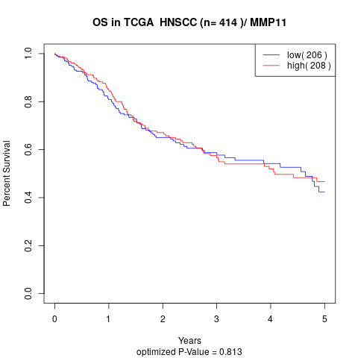

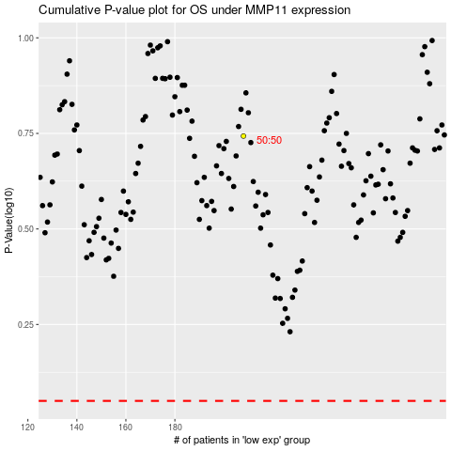

 |  |  |  |  |  | cases_OS | p_OS | rank | exp
 |  |  |  |  |  |  | cases_RFS | p_RFS | rank | exp

