MMP13 _multivariate
Reported by Tex Li-Hsing Chi. tex@gate.sinica.edu.tw 2019-08-17

Table 2. The clinicopathological features of HNSCC cohort and MMP13 expression. (Chi square test)
Cutoff at -0.283 (30.2%)
 |  | MMP13 expression |  | MMP13 expression |  | (Optimised)
 | Features | Low | (%) | High | (%) | Case no | P-value | Remark | Matthews
Gender | Female | 97 | 23.4 | 209 | 50.4 | 415 | 0.2923 | 0 | 0
2 | Male | 28 | 6.7 | 81 | 19.5
Age at diagnosis | <=65y | 90 | 21.7 | 184 | 44.3 | 415 | 0.1154 | 0 | 0
4 | >65y | 35 | 8.4 | 106 | 25.5
Clinical T Status | T1+T2 | 47 | 11.3 | 102 | 24.6 | 415 | 0.7178 | 0 | 0
6 | T3+T4 | 78 | 18.8 | 188 | 45.3
Clinical N Status | N0 | 60 | 14.5 | 156 | 37.6 | 415 | 0.3287 | 0 | 0
8 | N1-3 | 65 | 15.7 | 134 | 32.3
Clinical M Status | M0 | 125 | 30.1 | 287 | 69.2 | 415 | 0.5571 | 0 | 0
10 | M1 | 0 | 0 | 3 | 0.7
Clinical Stage | Stage I+II | 24 | 5.8 | 78 | 18.8 | 415 | 0.122 | 0 | 0
12 | Stage III+IV | 101 | 24.3 | 212 | 51.1
Surgical Margin status | Negative | 91 | 21.9 | 227 | 54.7 | 415 | 0.2554 | 0 | 0
14 | Positive | 34 | 8.2 | 63 | 15.2
Tobacco Exposure | Low | 43 | 10.4 | 118 | 28.4 | 415 | 0.2722 | 0 | 0
16 | High | 82 | 19.8 | 172 | 41.4

Table 3. Univariate/Multivariate Cox's proportional hazards regression analyses on OS time of MMP13 gene expression in HNSCC

 |  | Univariate |  |  |  | Multivariate
 | Features | HR | CI95%(L) | CI95%(H) | P-value | HR | CI95%(L) | CI95%(H) | P-value
1 | Female | 1 |  |  |  | 1
Gender | Male | 1.157 | 0.843 | 1.587 | 0.367 | 1.17 | 0.837 | 1.634 | 0.358
11 | <=65y | 1 |  |  |  | 1
Age at diagnosis | >65y | 1.329 | 0.99 | 1.784 | 0.058 | 1.383 | 1.017 | 1.879 | 0.038
12 | T1+T2 | 1 |  |  |  | 1
Clinical T Status | T3+T4 | 1.409 | 1.028 | 1.931 | 0.033 | 2.031 | 1.07 | 3.856 | 0.03
13 | N0 | 1 |  |  |  | 1
Clinical N Status | N1-3 | 1.185 | 0.89 | 1.577 | 0.246 | 1.224 | 0.859 | 1.746 | 0.263
14 | M0 | 1 |  |  |  | 1
Clinical M Status | M1 | 4.097 | 1.009 | 16.644 | 0.049 | 7.913 | 1.712 | 36.568 | 0.008
15 | Stage I+II | 1 |  |  |  | 1
Clinical Stage | Stage III+IV | 1.245 | 0.882 | 1.759 | 0.213 | 0.573 | 0.264 | 1.242 | 0.158
16 | Negative | 1 |  |  |  | 1
Surgical Margin status | Positive | 1.591 | 1.155 | 2.191 | 0.004 | 1.682 | 1.218 | 2.322 | 0.002
17 | Low | 1 |  |  |  | 1
Tobacco Exposure | High | 1.364 | 1.008 | 1.844 | 0.044 | 1.444 | 1.049 | 1.987 | 0.024
18 | Low | 1 |  |  |  | 1
RNAseq(z-score) | High | 1.42 | 1.018 | 1.982 | 0.039 | 1.388 | 0.987 | 1.951 | 0.059

Table 4. Univariate/Multivariate Cox's proportional hazards regression analyses on RFS time of MMP13 gene expression in HNSCC

 |  | Univariate |  |  |  | Multivariate
 | Features | HR | CI95%(L) | CI95%(H) | P-value | HR | CI95%(L) | CI95%(H) | P-value
1 | Female | 1 |  |  |  | 1
Gender | Male | 1.157 | 0.843 | 1.587 | 0.367 | 1.17 | 0.837 | 1.634 | 0.358
11 | <=65y | 1 |  |  |  | 1
Age at diagnosis | >65y | 1.329 | 0.99 | 1.784 | 0.058 | 1.383 | 1.017 | 1.879 | 0.038
12 | T1+T2 | 1 |  |  |  | 1
Clinical T Status | T3+T4 | 1.409 | 1.028 | 1.931 | 0.033 | 2.031 | 1.07 | 3.856 | 0.03
13 | N0 | 1 |  |  |  | 1
Clinical N Status | N1-3 | 1.185 | 0.89 | 1.577 | 0.246 | 1.224 | 0.859 | 1.746 | 0.263
14 | M0 | 1 |  |  |  | 1
Clinical M Status | M1 | 4.097 | 1.009 | 16.644 | 0.049 | 7.913 | 1.712 | 36.568 | 0.008
15 | Stage I+II | 1 |  |  |  | 1
Clinical Stage | Stage III+IV | 1.245 | 0.882 | 1.759 | 0.213 | 0.573 | 0.264 | 1.242 | 0.158
16 | Negative | 1 |  |  |  | 1
Surgical Margin status | Positive | 1.591 | 1.155 | 2.191 | 0.004 | 1.682 | 1.218 | 2.322 | 0.002
17 | Low | 1 |  |  |  | 1
Tobacco Exposure | High | 1.364 | 1.008 | 1.844 | 0.044 | 1.444 | 1.049 | 1.987 | 0.024
18 | Low | 1 |  |  |  | 1
RNAseq(z-score) | High | 1.42 | 1.018 | 1.982 | 0.039 | 1.388 | 0.987 | 1.951 | 0.059

Kaplan-Meier survival estimate: Cutoff at -0.283 (30.2%)

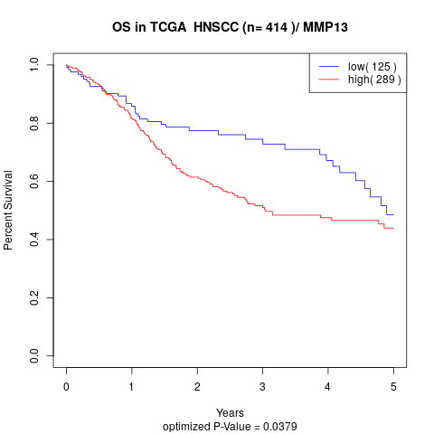

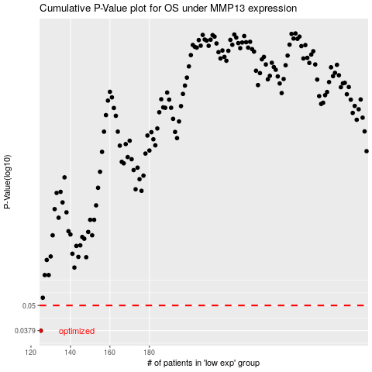

 |  |  |  |  |  | cases_OS | p_OS | rank | exp
 |  |  |  |  |  | 125 | 0.0379 | 398 | -0.28264135693
 |  |  |  |  |  |  | cases_RFS | p_RFS | rank | exp
 |  |  |  |  |  |  |  | 0.0379 | 293 | -0.28270136592

