MMP2 _multivariate
Reported by Tex Li-Hsing Chi. tex@gate.sinica.edu.tw 2019-08-17

Table 2. The clinicopathological features of HNSCC cohort and MMP2 expression. (Chi square test)
Cutoff at -0.228 (50.0%)
 |  | MMP2 expression |  | MMP2 expression |  | (Optimised)
 | Features | Low | (%) | High | (%) | Case no | P-value | Remark | Matthews
Gender | Female | 159 | 38.3 | 147 | 35.4 | 415 | 0.1905 | 0 | 0
2 | Male | 48 | 11.6 | 61 | 14.7
Age at diagnosis | <=65y | 137 | 33 | 137 | 33 | 415 | 1 | 0 | 0
4 | >65y | 70 | 16.9 | 71 | 17.1
Clinical T Status | T1+T2 | 70 | 16.9 | 79 | 19 | 415 | 0.4343 | 0 | 0
6 | T3+T4 | 137 | 33 | 129 | 31.1
Clinical N Status | N0 | 99 | 23.9 | 117 | 28.2 | 415 | 0.1054 | 0 | 0
8 | N1-3 | 108 | 26 | 91 | 21.9
Clinical M Status | M0 | 204 | 49.2 | 208 | 50.1 | 415 | 0.1232 | 0 | 0
10 | M1 | 3 | 0.7 | 0 | 0
Clinical Stage | Stage I+II | 43 | 10.4 | 59 | 14.2 | 415 | 0.0925 | 0 | 0
12 | Stage III+IV | 164 | 39.5 | 149 | 35.9
Surgical Margin status | Negative | 153 | 36.9 | 165 | 39.8 | 415 | 0.2036 | 0 | 0
14 | Positive | 54 | 13 | 43 | 10.4
Tobacco Exposure | Low | 83 | 20 | 78 | 18.8 | 415 | 0.6152 | 0 | 0
16 | High | 124 | 29.9 | 130 | 31.3

Table 3. Univariate/Multivariate Cox's proportional hazards regression analyses on OS time of MMP2 gene expression in HNSCC

 |  | Univariate |  |  |  | Multivariate
 | Features | HR | CI95%(L) | CI95%(H) | P-value | HR | CI95%(L) | CI95%(H) | P-value
1 | Female | 1 |  |  |  | 1
Gender | Male | 1.157 | 0.843 | 1.587 | 0.367 | 1.213 | 0.867 | 1.697 | 0.259
11 | <=65y | 1 |  |  |  | 1
Age at diagnosis | >65y | 1.329 | 0.99 | 1.784 | 0.058 | 1.389 | 1.022 | 1.887 | 0.036
12 | T1+T2 | 1 |  |  |  | 1
Clinical T Status | T3+T4 | 1.409 | 1.028 | 1.931 | 0.033 | 2.223 | 1.175 | 4.207 | 0.014
13 | N0 | 1 |  |  |  | 1
Clinical N Status | N1-3 | 1.185 | 0.89 | 1.577 | 0.246 | 1.235 | 0.865 | 1.763 | 0.245
14 | M0 | 1 |  |  |  | 1
Clinical M Status | M1 | 4.097 | 1.009 | 16.644 | 0.049 | 9.027 | 1.963 | 41.525 | 0.005
15 | Stage I+II | 1 |  |  |  | 1
Clinical Stage | Stage III+IV | 1.245 | 0.882 | 1.759 | 0.213 | 0.493 | 0.229 | 1.059 | 0.07
16 | Negative | 1 |  |  |  | 1
Surgical Margin status | Positive | 1.591 | 1.155 | 2.191 | 0.004 | 1.669 | 1.208 | 2.307 | 0.002
17 | Low | 1 |  |  |  | 1
Tobacco Exposure | High | 1.364 | 1.008 | 1.844 | 0.044 | 1.462 | 1.06 | 2.017 | 0.021
18 | Low | 1 |  |  |  | 1
RNAseq(z-score) | High | 0.876 | 0.658 | 1.167 | 0.365 | 0.888 | 0.663 | 1.189 | 0.426

Table 4. Univariate/Multivariate Cox's proportional hazards regression analyses on RFS time of MMP2 gene expression in HNSCC

 |  | Univariate |  |  |  | Multivariate
 | Features | HR | CI95%(L) | CI95%(H) | P-value | HR | CI95%(L) | CI95%(H) | P-value
1 | Female | 1 |  |  |  | 1
Gender | Male | 1.157 | 0.843 | 1.587 | 0.367 | 1.213 | 0.867 | 1.697 | 0.259
11 | <=65y | 1 |  |  |  | 1
Age at diagnosis | >65y | 1.329 | 0.99 | 1.784 | 0.058 | 1.389 | 1.022 | 1.887 | 0.036
12 | T1+T2 | 1 |  |  |  | 1
Clinical T Status | T3+T4 | 1.409 | 1.028 | 1.931 | 0.033 | 2.223 | 1.175 | 4.207 | 0.014
13 | N0 | 1 |  |  |  | 1
Clinical N Status | N1-3 | 1.185 | 0.89 | 1.577 | 0.246 | 1.235 | 0.865 | 1.763 | 0.245
14 | M0 | 1 |  |  |  | 1
Clinical M Status | M1 | 4.097 | 1.009 | 16.644 | 0.049 | 9.027 | 1.963 | 41.525 | 0.005
15 | Stage I+II | 1 |  |  |  | 1
Clinical Stage | Stage III+IV | 1.245 | 0.882 | 1.759 | 0.213 | 0.493 | 0.229 | 1.059 | 0.07
16 | Negative | 1 |  |  |  | 1
Surgical Margin status | Positive | 1.591 | 1.155 | 2.191 | 0.004 | 1.669 | 1.208 | 2.307 | 0.002
17 | Low | 1 |  |  |  | 1
Tobacco Exposure | High | 1.364 | 1.008 | 1.844 | 0.044 | 1.462 | 1.06 | 2.017 | 0.021
18 | Low | 1 |  |  |  | 1
RNAseq(z-score) | High | 0.876 | 0.658 | 1.167 | 0.365 | 0.888 | 0.663 | 1.189 | 0.426

Kaplan-Meier survival estimate: Cutoff at -0.228 (50.0%)



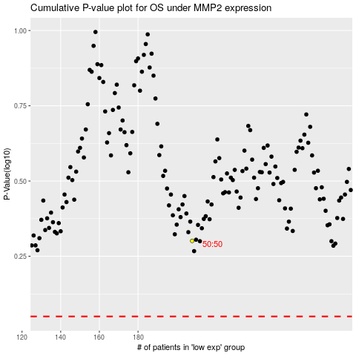

 |  |  |  |  |  | cases_OS | p_OS | rank | exp
 |  |  |  |  |  |  | cases_RFS | p_RFS | rank | exp

