MMP23B _multivariate
Reported by Tex Li-Hsing Chi. tex@gate.sinica.edu.tw 2019-08-17

Table 2. The clinicopathological features of HNSCC cohort and MMP23B expression. (Chi square test)
Cutoff at -0.255 (49.8%)
 |  | MMP23B expression |  | MMP23B expression |  | (Optimised)
 | Features | Low | (%) | High | (%) | Case no | P-value | Remark | Matthews
Gender | Female | 148 | 35.7 | 158 | 38.1 | 415 | 0.3567 | 0 | 0
2 | Male | 59 | 14.2 | 50 | 12
Age at diagnosis | <=65y | 132 | 31.8 | 142 | 34.2 | 415 | 0.3874 | 0 | 0
4 | >65y | 75 | 18.1 | 66 | 15.9
Clinical T Status | T1+T2 | 78 | 18.8 | 71 | 17.1 | 415 | 0.5152 | 0 | 0
6 | T3+T4 | 129 | 31.1 | 137 | 33
Clinical N Status | N0 | 113 | 27.2 | 103 | 24.8 | 415 | 0.3495 | 1 | 0
8 | N1-3 | 94 | 22.7 | 105 | 25.3
Clinical M Status | M0 | 204 | 49.2 | 208 | 50.1 | 415 | 0.1232 | 0 | 0
10 | M1 | 3 | 0.7 | 0 | 0
Clinical Stage | Stage I+II | 52 | 12.5 | 50 | 12 | 415 | 0.8871 | 0 | 0
12 | Stage III+IV | 155 | 37.3 | 158 | 38.1
Surgical Margin status | Negative | 157 | 37.8 | 161 | 38.8 | 415 | 0.729 | 0 | 0
14 | Positive | 50 | 12 | 47 | 11.3
Tobacco Exposure | Low | 90 | 21.7 | 71 | 17.1 | 415 | 0.0559 | 0 | 0
16 | High | 117 | 28.2 | 137 | 33

Table 3. Univariate/Multivariate Cox's proportional hazards regression analyses on OS time of MMP23B gene expression in HNSCC

 |  | Univariate |  |  |  | Multivariate
 | Features | HR | CI95%(L) | CI95%(H) | P-value | HR | CI95%(L) | CI95%(H) | P-value
1 | Female | 1 |  |  |  | 1
Gender | Male | 1.157 | 0.843 | 1.587 | 0.367 | 1.202 | 0.86 | 1.679 | 0.281
11 | <=65y | 1 |  |  |  | 1
Age at diagnosis | >65y | 1.329 | 0.99 | 1.784 | 0.058 | 1.392 | 1.024 | 1.892 | 0.035
12 | T1+T2 | 1 |  |  |  | 1
Clinical T Status | T3+T4 | 1.409 | 1.028 | 1.931 | 0.033 | 2.197 | 1.159 | 4.166 | 0.016
13 | N0 | 1 |  |  |  | 1
Clinical N Status | N1-3 | 1.185 | 0.89 | 1.577 | 0.246 | 1.239 | 0.866 | 1.772 | 0.241
14 | M0 | 1 |  |  |  | 1
Clinical M Status | M1 | 4.097 | 1.009 | 16.644 | 0.049 | 9.45 | 2.053 | 43.501 | 0.004
15 | Stage I+II | 1 |  |  |  | 1
Clinical Stage | Stage III+IV | 1.245 | 0.882 | 1.759 | 0.213 | 0.506 | 0.235 | 1.088 | 0.081
16 | Negative | 1 |  |  |  | 1
Surgical Margin status | Positive | 1.591 | 1.155 | 2.191 | 0.004 | 1.671 | 1.209 | 2.309 | 0.002
17 | Low | 1 |  |  |  | 1
Tobacco Exposure | High | 1.364 | 1.008 | 1.844 | 0.044 | 1.452 | 1.054 | 2.001 | 0.023
18 | Low | 1 |  |  |  | 1
RNAseq(z-score) | High | 1.062 | 0.798 | 1.414 | 0.681 | 1.012 | 0.756 | 1.355 | 0.937

Table 4. Univariate/Multivariate Cox's proportional hazards regression analyses on RFS time of MMP23B gene expression in HNSCC

 |  | Univariate |  |  |  | Multivariate
 | Features | HR | CI95%(L) | CI95%(H) | P-value | HR | CI95%(L) | CI95%(H) | P-value
1 | Female | 1 |  |  |  | 1
Gender | Male | 1.157 | 0.843 | 1.587 | 0.367 | 1.202 | 0.86 | 1.679 | 0.281
11 | <=65y | 1 |  |  |  | 1
Age at diagnosis | >65y | 1.329 | 0.99 | 1.784 | 0.058 | 1.392 | 1.024 | 1.892 | 0.035
12 | T1+T2 | 1 |  |  |  | 1
Clinical T Status | T3+T4 | 1.409 | 1.028 | 1.931 | 0.033 | 2.197 | 1.159 | 4.166 | 0.016
13 | N0 | 1 |  |  |  | 1
Clinical N Status | N1-3 | 1.185 | 0.89 | 1.577 | 0.246 | 1.239 | 0.866 | 1.772 | 0.241
14 | M0 | 1 |  |  |  | 1
Clinical M Status | M1 | 4.097 | 1.009 | 16.644 | 0.049 | 9.45 | 2.053 | 43.501 | 0.004
15 | Stage I+II | 1 |  |  |  | 1
Clinical Stage | Stage III+IV | 1.245 | 0.882 | 1.759 | 0.213 | 0.506 | 0.235 | 1.088 | 0.081
16 | Negative | 1 |  |  |  | 1
Surgical Margin status | Positive | 1.591 | 1.155 | 2.191 | 0.004 | 1.671 | 1.209 | 2.309 | 0.002
17 | Low | 1 |  |  |  | 1
Tobacco Exposure | High | 1.364 | 1.008 | 1.844 | 0.044 | 1.452 | 1.054 | 2.001 | 0.023
18 | Low | 1 |  |  |  | 1
RNAseq(z-score) | High | 1.062 | 0.798 | 1.414 | 0.681 | 1.012 | 0.756 | 1.355 | 0.937

Kaplan-Meier survival estimate: Cutoff at -0.255 (49.8%)



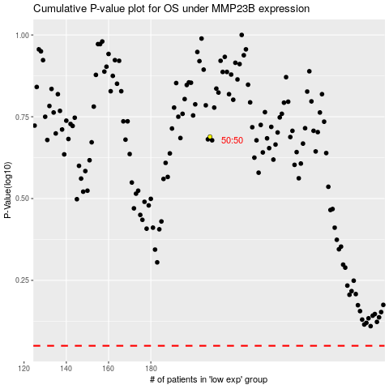

 |  |  |  |  |  | cases_OS | p_OS | rank | exp
 |  |  |  |  |  |  | cases_RFS | p_RFS | rank | exp

