MMP24 _multivariate
Reported by Tex Li-Hsing Chi. tex@gate.sinica.edu.tw 2019-08-17

Table 2. The clinicopathological features of HNSCC cohort and MMP24 expression. (Chi square test)
Cutoff at -0.248 (50.0%)
 |  | MMP24 expression |  | MMP24 expression |  | (Optimised)
 | Features | Low | (%) | High | (%) | Case no | P-value | Remark | Matthews
Gender | Female | 149 | 35.9 | 157 | 37.8 | 415 | 0.4848 | 0 | 0
2 | Male | 58 | 14 | 51 | 12.3
Age at diagnosis | <=65y | 143 | 34.5 | 131 | 31.6 | 415 | 0.2269 | 0 | 0
4 | >65y | 64 | 15.4 | 77 | 18.6
Clinical T Status | T1+T2 | 77 | 18.6 | 72 | 17.3 | 415 | 0.6556 | 0 | 0
6 | T3+T4 | 130 | 31.3 | 136 | 32.8
Clinical N Status | N0 | 111 | 26.7 | 105 | 25.3 | 415 | 0.5875 | 0 | 0
8 | N1-3 | 96 | 23.1 | 103 | 24.8
Clinical M Status | M0 | 206 | 49.6 | 206 | 49.6 | 415 | 1 | 0 | 0
10 | M1 | 1 | 0.2 | 2 | 0.5
Clinical Stage | Stage I+II | 55 | 13.3 | 47 | 11.3 | 415 | 0.4087 | 0 | 0
12 | Stage III+IV | 152 | 36.6 | 161 | 38.8
Surgical Margin status | Negative | 159 | 38.3 | 159 | 38.3 | 415 | 1 | 0 | 0
14 | Positive | 48 | 11.6 | 49 | 11.8
Tobacco Exposure | Low | 81 | 19.5 | 80 | 19.3 | 415 | 0.9199 | 0 | 0
16 | High | 126 | 30.4 | 128 | 30.8

Table 3. Univariate/Multivariate Cox's proportional hazards regression analyses on OS time of MMP24 gene expression in HNSCC

 |  | Univariate |  |  |  | Multivariate
 | Features | HR | CI95%(L) | CI95%(H) | P-value | HR | CI95%(L) | CI95%(H) | P-value
1 | Female | 1 |  |  |  | 1
Gender | Male | 1.157 | 0.843 | 1.587 | 0.367 | 1.211 | 0.866 | 1.692 | 0.263
11 | <=65y | 1 |  |  |  | 1
Age at diagnosis | >65y | 1.329 | 0.99 | 1.784 | 0.058 | 1.422 | 1.043 | 1.938 | 0.026
12 | T1+T2 | 1 |  |  |  | 1
Clinical T Status | T3+T4 | 1.409 | 1.028 | 1.931 | 0.033 | 2.172 | 1.149 | 4.107 | 0.017
13 | N0 | 1 |  |  |  | 1
Clinical N Status | N1-3 | 1.185 | 0.89 | 1.577 | 0.246 | 1.238 | 0.868 | 1.767 | 0.239
14 | M0 | 1 |  |  |  | 1
Clinical M Status | M1 | 4.097 | 1.009 | 16.644 | 0.049 | 9.886 | 2.153 | 45.396 | 0.003
15 | Stage I+II | 1 |  |  |  | 1
Clinical Stage | Stage III+IV | 1.245 | 0.882 | 1.759 | 0.213 | 0.515 | 0.24 | 1.106 | 0.089
16 | Negative | 1 |  |  |  | 1
Surgical Margin status | Positive | 1.591 | 1.155 | 2.191 | 0.004 | 1.665 | 1.205 | 2.301 | 0.002
17 | Low | 1 |  |  |  | 1
Tobacco Exposure | High | 1.364 | 1.008 | 1.844 | 0.044 | 1.487 | 1.076 | 2.054 | 0.016
18 | Low | 1 |  |  |  | 1
RNAseq(z-score) | High | 0.889 | 0.667 | 1.185 | 0.424 | 0.827 | 0.618 | 1.107 | 0.202

Table 4. Univariate/Multivariate Cox's proportional hazards regression analyses on RFS time of MMP24 gene expression in HNSCC

 |  | Univariate |  |  |  | Multivariate
 | Features | HR | CI95%(L) | CI95%(H) | P-value | HR | CI95%(L) | CI95%(H) | P-value
1 | Female | 1 |  |  |  | 1
Gender | Male | 1.157 | 0.843 | 1.587 | 0.367 | 1.211 | 0.866 | 1.692 | 0.263
11 | <=65y | 1 |  |  |  | 1
Age at diagnosis | >65y | 1.329 | 0.99 | 1.784 | 0.058 | 1.422 | 1.043 | 1.938 | 0.026
12 | T1+T2 | 1 |  |  |  | 1
Clinical T Status | T3+T4 | 1.409 | 1.028 | 1.931 | 0.033 | 2.172 | 1.149 | 4.107 | 0.017
13 | N0 | 1 |  |  |  | 1
Clinical N Status | N1-3 | 1.185 | 0.89 | 1.577 | 0.246 | 1.238 | 0.868 | 1.767 | 0.239
14 | M0 | 1 |  |  |  | 1
Clinical M Status | M1 | 4.097 | 1.009 | 16.644 | 0.049 | 9.886 | 2.153 | 45.396 | 0.003
15 | Stage I+II | 1 |  |  |  | 1
Clinical Stage | Stage III+IV | 1.245 | 0.882 | 1.759 | 0.213 | 0.515 | 0.24 | 1.106 | 0.089
16 | Negative | 1 |  |  |  | 1
Surgical Margin status | Positive | 1.591 | 1.155 | 2.191 | 0.004 | 1.665 | 1.205 | 2.301 | 0.002
17 | Low | 1 |  |  |  | 1
Tobacco Exposure | High | 1.364 | 1.008 | 1.844 | 0.044 | 1.487 | 1.076 | 2.054 | 0.016
18 | Low | 1 |  |  |  | 1
RNAseq(z-score) | High | 0.889 | 0.667 | 1.185 | 0.424 | 0.827 | 0.618 | 1.107 | 0.202

Kaplan-Meier survival estimate: Cutoff at -0.248 (50.0%)



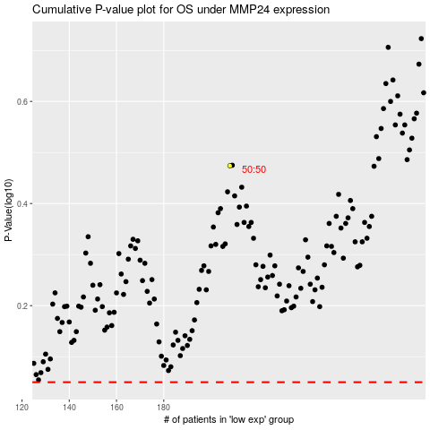

 |  |  |  |  |  | cases_OS | p_OS | rank | exp
 |  |  |  |  |  |  | cases_RFS | p_RFS | rank | exp

