MMP28 _multivariate
Reported by Tex Li-Hsing Chi. tex@gate.sinica.edu.tw 2019-08-17

Table 2. The clinicopathological features of HNSCC cohort and MMP28 expression. (Chi square test)
Cutoff at -0.252 (50.0%)
 |  | MMP28 expression |  | MMP28 expression |  | (Optimised)
 | Features | Low | (%) | High | (%) | Case no | P-value | Remark | Matthews
Gender | Female | 162 | 39 | 144 | 34.7 | 415 | 0.0479 | 1 | 0
2 | Male | 45 | 10.8 | 64 | 15.4
Age at diagnosis | <=65y | 135 | 32.5 | 139 | 33.5 | 415 | 0.8084 | 0 | 0
4 | >65y | 72 | 17.3 | 69 | 16.6
Clinical T Status | T1+T2 | 69 | 16.6 | 80 | 19.3 | 415 | 0.3239 | 0 | 0
6 | T3+T4 | 138 | 33.3 | 128 | 30.8
Clinical N Status | N0 | 112 | 27 | 104 | 25.1 | 415 | 0.4599 | 0 | 0
8 | N1-3 | 95 | 22.9 | 104 | 25.1
Clinical M Status | M0 | 206 | 49.6 | 206 | 49.6 | 415 | 1 | 0 | 0
10 | M1 | 1 | 0.2 | 2 | 0.5
Clinical Stage | Stage I+II | 44 | 10.6 | 58 | 14 | 415 | 0.1459 | 0 | 0
12 | Stage III+IV | 163 | 39.3 | 150 | 36.1
Surgical Margin status | Negative | 153 | 36.9 | 165 | 39.8 | 415 | 0.2036 | 0 | 0
14 | Positive | 54 | 13 | 43 | 10.4
Tobacco Exposure | Low | 66 | 15.9 | 95 | 22.9 | 415 | 0.0048 | 1 | 0
16 | High | 141 | 34 | 113 | 27.2

Table 3. Univariate/Multivariate Cox's proportional hazards regression analyses on OS time of MMP28 gene expression in HNSCC

 |  | Univariate |  |  |  | Multivariate
 | Features | HR | CI95%(L) | CI95%(H) | P-value | HR | CI95%(L) | CI95%(H) | P-value
1 | Female | 1 |  |  |  | 1
Gender | Male | 1.157 | 0.843 | 1.587 | 0.367 | 1.201 | 0.86 | 1.677 | 0.283
11 | <=65y | 1 |  |  |  | 1
Age at diagnosis | >65y | 1.329 | 0.99 | 1.784 | 0.058 | 1.404 | 1.032 | 1.909 | 0.031
12 | T1+T2 | 1 |  |  |  | 1
Clinical T Status | T3+T4 | 1.409 | 1.028 | 1.931 | 0.033 | 2.151 | 1.135 | 4.075 | 0.019
13 | N0 | 1 |  |  |  | 1
Clinical N Status | N1-3 | 1.185 | 0.89 | 1.577 | 0.246 | 1.202 | 0.839 | 1.723 | 0.317
14 | M0 | 1 |  |  |  | 1
Clinical M Status | M1 | 4.097 | 1.009 | 16.644 | 0.049 | 8.874 | 1.929 | 40.835 | 0.005
15 | Stage I+II | 1 |  |  |  | 1
Clinical Stage | Stage III+IV | 1.245 | 0.882 | 1.759 | 0.213 | 0.536 | 0.247 | 1.16 | 0.113
16 | Negative | 1 |  |  |  | 1
Surgical Margin status | Positive | 1.591 | 1.155 | 2.191 | 0.004 | 1.672 | 1.21 | 2.31 | 0.002
17 | Low | 1 |  |  |  | 1
Tobacco Exposure | High | 1.364 | 1.008 | 1.844 | 0.044 | 1.484 | 1.075 | 2.049 | 0.016
18 | Low | 1 |  |  |  | 1
RNAseq(z-score) | High | 1.14 | 0.856 | 1.518 | 0.371 | 1.171 | 0.871 | 1.574 | 0.296

Table 4. Univariate/Multivariate Cox's proportional hazards regression analyses on RFS time of MMP28 gene expression in HNSCC

 |  | Univariate |  |  |  | Multivariate
 | Features | HR | CI95%(L) | CI95%(H) | P-value | HR | CI95%(L) | CI95%(H) | P-value
1 | Female | 1 |  |  |  | 1
Gender | Male | 1.157 | 0.843 | 1.587 | 0.367 | 1.201 | 0.86 | 1.677 | 0.283
11 | <=65y | 1 |  |  |  | 1
Age at diagnosis | >65y | 1.329 | 0.99 | 1.784 | 0.058 | 1.404 | 1.032 | 1.909 | 0.031
12 | T1+T2 | 1 |  |  |  | 1
Clinical T Status | T3+T4 | 1.409 | 1.028 | 1.931 | 0.033 | 2.151 | 1.135 | 4.075 | 0.019
13 | N0 | 1 |  |  |  | 1
Clinical N Status | N1-3 | 1.185 | 0.89 | 1.577 | 0.246 | 1.202 | 0.839 | 1.723 | 0.317
14 | M0 | 1 |  |  |  | 1
Clinical M Status | M1 | 4.097 | 1.009 | 16.644 | 0.049 | 8.874 | 1.929 | 40.835 | 0.005
15 | Stage I+II | 1 |  |  |  | 1
Clinical Stage | Stage III+IV | 1.245 | 0.882 | 1.759 | 0.213 | 0.536 | 0.247 | 1.16 | 0.113
16 | Negative | 1 |  |  |  | 1
Surgical Margin status | Positive | 1.591 | 1.155 | 2.191 | 0.004 | 1.672 | 1.21 | 2.31 | 0.002
17 | Low | 1 |  |  |  | 1
Tobacco Exposure | High | 1.364 | 1.008 | 1.844 | 0.044 | 1.484 | 1.075 | 2.049 | 0.016
18 | Low | 1 |  |  |  | 1
RNAseq(z-score) | High | 1.14 | 0.856 | 1.518 | 0.371 | 1.171 | 0.871 | 1.574 | 0.296

Kaplan-Meier survival estimate: Cutoff at -0.252 (50.0%)



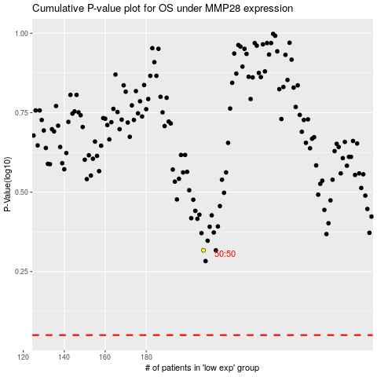

 |  |  |  |  |  | cases_OS | p_OS | rank | exp
 |  |  |  |  |  |  | cases_RFS | p_RFS | rank | exp

