MMP3 _multivariate
Reported by Tex Li-Hsing Chi. tex@gate.sinica.edu.tw 2019-08-17

Table 2. The clinicopathological features of HNSCC cohort and MMP3 expression. (Chi square test)
Cutoff at -0.311 (50.0%)
 |  | MMP3 expression |  | MMP3 expression |  | (Optimised)
 | Features | Low | (%) | High | (%) | Case no | P-value | Remark | Matthews
Gender | Female | 160 | 38.6 | 146 | 35.2 | 415 | 0.1254 | 0 | 0
2 | Male | 47 | 11.3 | 62 | 14.9
Age at diagnosis | <=65y | 133 | 32 | 141 | 34 | 415 | 0.5111 | 0 | 0
4 | >65y | 74 | 17.8 | 67 | 16.1
Clinical T Status | T1+T2 | 64 | 15.4 | 85 | 20.5 | 415 | 0.0445 | 1 | 0
6 | T3+T4 | 143 | 34.5 | 123 | 29.6
Clinical N Status | N0 | 107 | 25.8 | 109 | 26.3 | 415 | 0.9624 | 0 | 0
8 | N1-3 | 100 | 24.1 | 99 | 23.9
Clinical M Status | M0 | 206 | 49.6 | 206 | 49.6 | 415 | 1 | 0 | 0
10 | M1 | 1 | 0.2 | 2 | 0.5
Clinical Stage | Stage I+II | 42 | 10.1 | 60 | 14.5 | 415 | 0.0561 | 0 | 0
12 | Stage III+IV | 165 | 39.8 | 148 | 35.7
Surgical Margin status | Negative | 153 | 36.9 | 165 | 39.8 | 415 | 0.2036 | 0 | 0
14 | Positive | 54 | 13 | 43 | 10.4
Tobacco Exposure | Low | 80 | 19.3 | 81 | 19.5 | 415 | 1 | 0 | 0
16 | High | 127 | 30.6 | 127 | 30.6

Table 3. Univariate/Multivariate Cox's proportional hazards regression analyses on OS time of MMP3 gene expression in HNSCC

 |  | Univariate |  |  |  | Multivariate
 | Features | HR | CI95%(L) | CI95%(H) | P-value | HR | CI95%(L) | CI95%(H) | P-value
1 | Female | 1 |  |  |  | 1
Gender | Male | 1.157 | 0.843 | 1.587 | 0.367 | 1.169 | 0.833 | 1.642 | 0.366
11 | <=65y | 1 |  |  |  | 1
Age at diagnosis | >65y | 1.329 | 0.99 | 1.784 | 0.058 | 1.391 | 1.022 | 1.891 | 0.036
12 | T1+T2 | 1 |  |  |  | 1
Clinical T Status | T3+T4 | 1.409 | 1.028 | 1.931 | 0.033 | 2.233 | 1.181 | 4.225 | 0.013
13 | N0 | 1 |  |  |  | 1
Clinical N Status | N1-3 | 1.185 | 0.89 | 1.577 | 0.246 | 1.246 | 0.873 | 1.778 | 0.226
14 | M0 | 1 |  |  |  | 1
Clinical M Status | M1 | 4.097 | 1.009 | 16.644 | 0.049 | 9.017 | 1.963 | 41.422 | 0.005
15 | Stage I+II | 1 |  |  |  | 1
Clinical Stage | Stage III+IV | 1.245 | 0.882 | 1.759 | 0.213 | 0.505 | 0.235 | 1.085 | 0.08
16 | Negative | 1 |  |  |  | 1
Surgical Margin status | Positive | 1.591 | 1.155 | 2.191 | 0.004 | 1.681 | 1.217 | 2.322 | 0.002
17 | Low | 1 |  |  |  | 1
Tobacco Exposure | High | 1.364 | 1.008 | 1.844 | 0.044 | 1.457 | 1.058 | 2.009 | 0.021
18 | Low | 1 |  |  |  | 1
RNAseq(z-score) | High | 1.117 | 0.838 | 1.488 | 0.451 | 1.154 | 0.859 | 1.551 | 0.341

Table 4. Univariate/Multivariate Cox's proportional hazards regression analyses on RFS time of MMP3 gene expression in HNSCC

 |  | Univariate |  |  |  | Multivariate
 | Features | HR | CI95%(L) | CI95%(H) | P-value | HR | CI95%(L) | CI95%(H) | P-value
1 | Female | 1 |  |  |  | 1
Gender | Male | 1.157 | 0.843 | 1.587 | 0.367 | 1.169 | 0.833 | 1.642 | 0.366
11 | <=65y | 1 |  |  |  | 1
Age at diagnosis | >65y | 1.329 | 0.99 | 1.784 | 0.058 | 1.391 | 1.022 | 1.891 | 0.036
12 | T1+T2 | 1 |  |  |  | 1
Clinical T Status | T3+T4 | 1.409 | 1.028 | 1.931 | 0.033 | 2.233 | 1.181 | 4.225 | 0.013
13 | N0 | 1 |  |  |  | 1
Clinical N Status | N1-3 | 1.185 | 0.89 | 1.577 | 0.246 | 1.246 | 0.873 | 1.778 | 0.226
14 | M0 | 1 |  |  |  | 1
Clinical M Status | M1 | 4.097 | 1.009 | 16.644 | 0.049 | 9.017 | 1.963 | 41.422 | 0.005
15 | Stage I+II | 1 |  |  |  | 1
Clinical Stage | Stage III+IV | 1.245 | 0.882 | 1.759 | 0.213 | 0.505 | 0.235 | 1.085 | 0.08
16 | Negative | 1 |  |  |  | 1
Surgical Margin status | Positive | 1.591 | 1.155 | 2.191 | 0.004 | 1.681 | 1.217 | 2.322 | 0.002
17 | Low | 1 |  |  |  | 1
Tobacco Exposure | High | 1.364 | 1.008 | 1.844 | 0.044 | 1.457 | 1.058 | 2.009 | 0.021
18 | Low | 1 |  |  |  | 1
RNAseq(z-score) | High | 1.117 | 0.838 | 1.488 | 0.451 | 1.154 | 0.859 | 1.551 | 0.341

Kaplan-Meier survival estimate: Cutoff at -0.311 (50.0%)



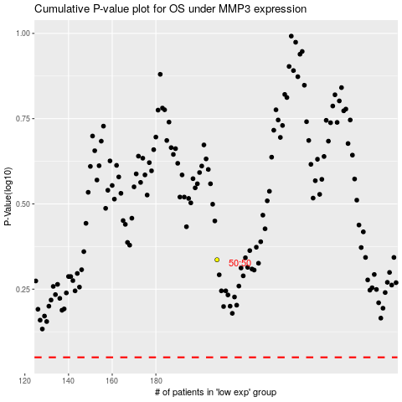

 |  |  |  |  |  | cases_OS | p_OS | rank | exp
 |  |  |  |  |  |  | cases_RFS | p_RFS | rank | exp

