MMP7 _multivariate
Reported by Tex Li-Hsing Chi. tex@gate.sinica.edu.tw 2019-08-17

Table 2. The clinicopathological features of HNSCC cohort and MMP7 expression. (Chi square test)
Cutoff at -0.288 (50.0%)
 |  | MMP7 expression |  | MMP7 expression |  | (Optimised)
 | Features | Low | (%) | High | (%) | Case no | P-value | Remark | Matthews
Gender | Female | 163 | 39.3 | 143 | 34.5 | 415 | 0.0277 | 1 | 0
2 | Male | 44 | 10.6 | 65 | 15.7
Age at diagnosis | <=65y | 148 | 35.7 | 126 | 30.4 | 415 | 0.0248 | 1 | 0
4 | >65y | 59 | 14.2 | 82 | 19.8
Clinical T Status | T1+T2 | 76 | 18.3 | 73 | 17.6 | 415 | 0.8092 | 0 | 0
6 | T3+T4 | 131 | 31.6 | 135 | 32.5
Clinical N Status | N0 | 112 | 27 | 104 | 25.1 | 415 | 0.4599 | 0 | 0
8 | N1-3 | 95 | 22.9 | 104 | 25.1
Clinical M Status | M0 | 206 | 49.6 | 206 | 49.6 | 415 | 1 | 0 | 0
10 | M1 | 1 | 0.2 | 2 | 0.5
Clinical Stage | Stage I+II | 51 | 12.3 | 51 | 12.3 | 415 | 1 | 0 | 0
12 | Stage III+IV | 156 | 37.6 | 157 | 37.8
Surgical Margin status | Negative | 154 | 37.1 | 164 | 39.5 | 415 | 0.2984 | 0 | 0
14 | Positive | 53 | 12.8 | 44 | 10.6
Tobacco Exposure | Low | 83 | 20 | 78 | 18.8 | 415 | 0.6152 | 0 | 0
16 | High | 124 | 29.9 | 130 | 31.3

Table 3. Univariate/Multivariate Cox's proportional hazards regression analyses on OS time of MMP7 gene expression in HNSCC

 |  | Univariate |  |  |  | Multivariate
 | Features | HR | CI95%(L) | CI95%(H) | P-value | HR | CI95%(L) | CI95%(H) | P-value
1 | Female | 1 |  |  |  | 1
Gender | Male | 1.157 | 0.843 | 1.587 | 0.367 | 1.197 | 0.857 | 1.671 | 0.292
11 | <=65y | 1 |  |  |  | 1
Age at diagnosis | >65y | 1.329 | 0.99 | 1.784 | 0.058 | 1.374 | 1.009 | 1.872 | 0.044
12 | T1+T2 | 1 |  |  |  | 1
Clinical T Status | T3+T4 | 1.409 | 1.028 | 1.931 | 0.033 | 2.185 | 1.155 | 4.132 | 0.016
13 | N0 | 1 |  |  |  | 1
Clinical N Status | N1-3 | 1.185 | 0.89 | 1.577 | 0.246 | 1.228 | 0.86 | 1.755 | 0.259
14 | M0 | 1 |  |  |  | 1
Clinical M Status | M1 | 4.097 | 1.009 | 16.644 | 0.049 | 9.299 | 2.028 | 42.634 | 0.004
15 | Stage I+II | 1 |  |  |  | 1
Clinical Stage | Stage III+IV | 1.245 | 0.882 | 1.759 | 0.213 | 0.507 | 0.236 | 1.087 | 0.081
16 | Negative | 1 |  |  |  | 1
Surgical Margin status | Positive | 1.591 | 1.155 | 2.191 | 0.004 | 1.69 | 1.221 | 2.339 | 0.002
17 | Low | 1 |  |  |  | 1
Tobacco Exposure | High | 1.364 | 1.008 | 1.844 | 0.044 | 1.432 | 1.037 | 1.977 | 0.029
18 | Low | 1 |  |  |  | 1
RNAseq(z-score) | High | 1.186 | 0.89 | 1.582 | 0.244 | 1.113 | 0.829 | 1.494 | 0.476

Table 4. Univariate/Multivariate Cox's proportional hazards regression analyses on RFS time of MMP7 gene expression in HNSCC

 |  | Univariate |  |  |  | Multivariate
 | Features | HR | CI95%(L) | CI95%(H) | P-value | HR | CI95%(L) | CI95%(H) | P-value
1 | Female | 1 |  |  |  | 1
Gender | Male | 1.157 | 0.843 | 1.587 | 0.367 | 1.197 | 0.857 | 1.671 | 0.292
11 | <=65y | 1 |  |  |  | 1
Age at diagnosis | >65y | 1.329 | 0.99 | 1.784 | 0.058 | 1.374 | 1.009 | 1.872 | 0.044
12 | T1+T2 | 1 |  |  |  | 1
Clinical T Status | T3+T4 | 1.409 | 1.028 | 1.931 | 0.033 | 2.185 | 1.155 | 4.132 | 0.016
13 | N0 | 1 |  |  |  | 1
Clinical N Status | N1-3 | 1.185 | 0.89 | 1.577 | 0.246 | 1.228 | 0.86 | 1.755 | 0.259
14 | M0 | 1 |  |  |  | 1
Clinical M Status | M1 | 4.097 | 1.009 | 16.644 | 0.049 | 9.299 | 2.028 | 42.634 | 0.004
15 | Stage I+II | 1 |  |  |  | 1
Clinical Stage | Stage III+IV | 1.245 | 0.882 | 1.759 | 0.213 | 0.507 | 0.236 | 1.087 | 0.081
16 | Negative | 1 |  |  |  | 1
Surgical Margin status | Positive | 1.591 | 1.155 | 2.191 | 0.004 | 1.69 | 1.221 | 2.339 | 0.002
17 | Low | 1 |  |  |  | 1
Tobacco Exposure | High | 1.364 | 1.008 | 1.844 | 0.044 | 1.432 | 1.037 | 1.977 | 0.029
18 | Low | 1 |  |  |  | 1
RNAseq(z-score) | High | 1.186 | 0.89 | 1.582 | 0.244 | 1.113 | 0.829 | 1.494 | 0.476

Kaplan-Meier survival estimate: Cutoff at -0.288 (50.0%)



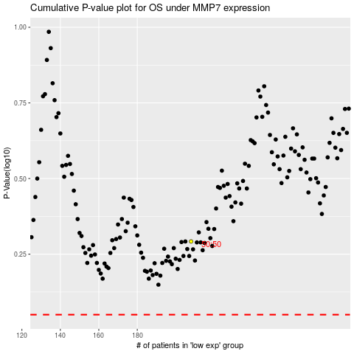

 |  |  |  |  |  | cases_OS | p_OS | rank | exp
 |  |  |  |  |  |  | cases_RFS | p_RFS | rank | exp

